ER diagram
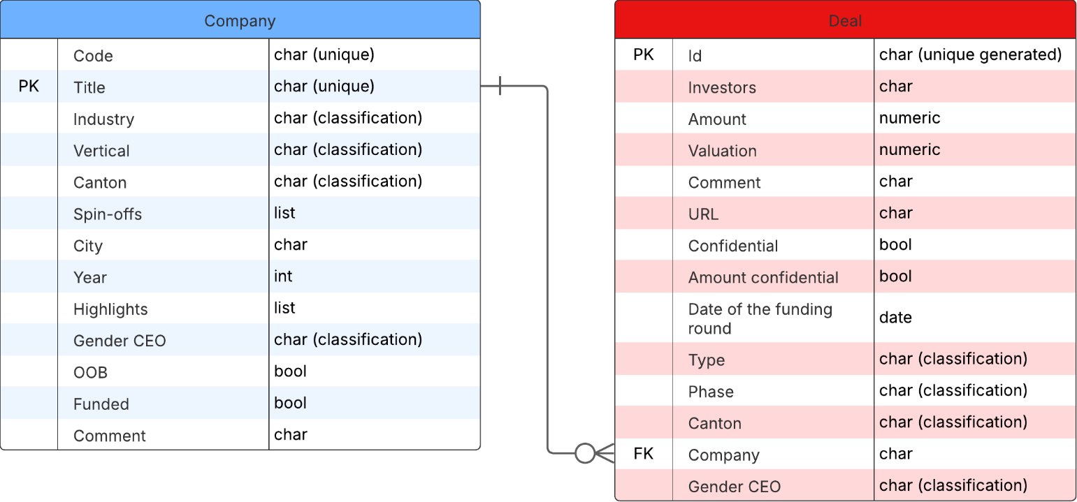

! This data is only to be used within the competition of SwissHacks 2025 !

