Sheet1
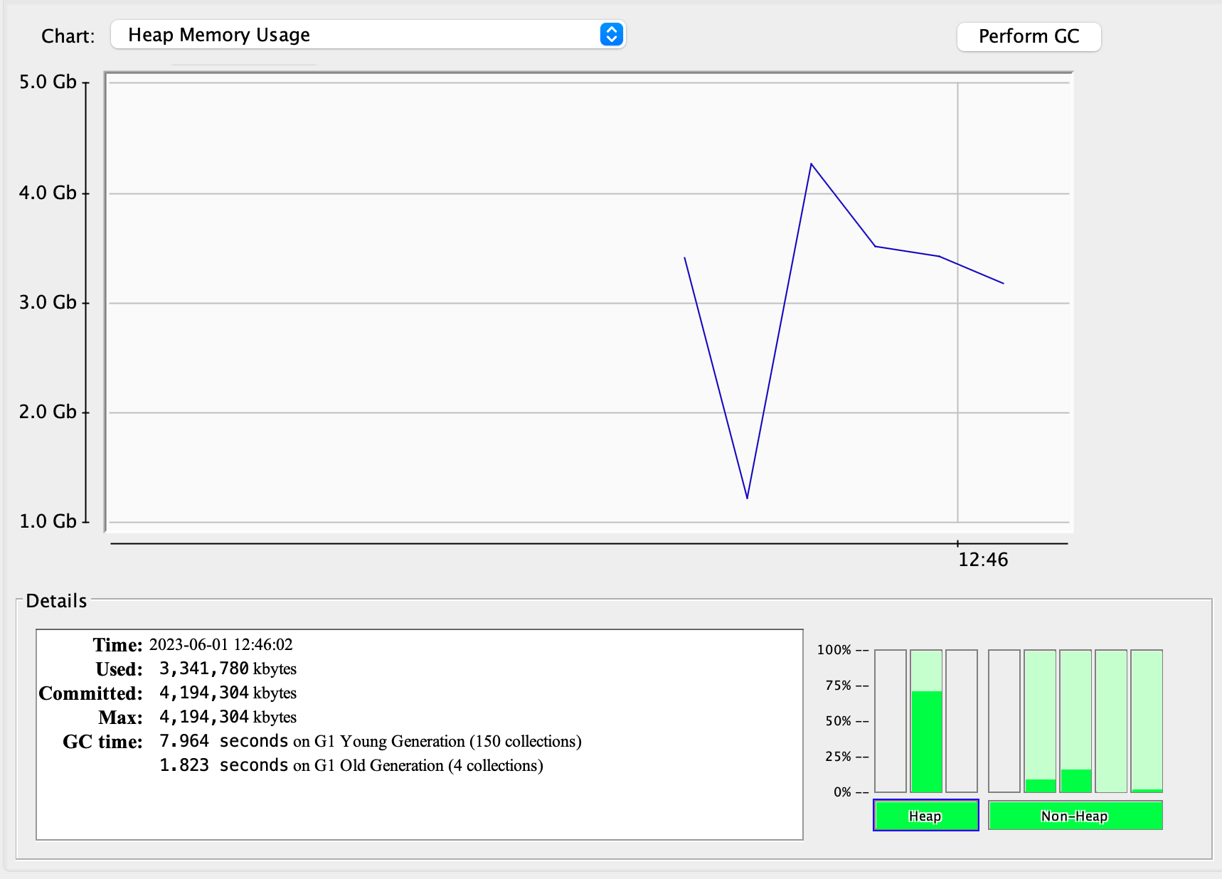
 | ElapsedTime |  | TotalObject | RecordNo | partitionSize | RequestNo | Producer-ThreadsNo | u-worker | Storage | requestNo*Thread: | JVM | Caffeine.initialCapacity | weakKey | softValues | weakValues | Storage-Q
1 | #TIME: 50395 ms ;Thread: 100 pSize: 10000 ;recordNo: 100000 ;#max: 4096 MB; free: 1082 MB; total: 4096 MB; core: 16 |  | 100,000,000 | 100,000 | 10,000 |  | 100 | 5 | Concurrent | 1000 |  | 10000 | No | No | No
 | #Storage: map ;requestNo*Thread: 50000 ;recordNo: 100000 ;partitionSize: 10000 ;service.size: 100000 ->#max: 4096 MB; free: 121 MB; total: 232 MB; core: 16
 | #Storage: map ;requestNo*Thread: 50000 ;recordNo: 100000 ;threadNo: 50 ;partitionSize: 10000 ;service.size: 100000 ->#max: 4096 MB; free: 112 MB; total: 202 MB; core: 16 |  |  | 100,000 | 10,000 |  | 50 | 5 |  | 50000 |  |  |  |  |  |  | #TIME: 37938 ms ;recordNo: 100000 ;Thread: 50 pSize: 10000 ;#max: 4096 MB; free: 1682 MB; total: 4096 MB; core: 16
 |  |  |  |  |  |  |  | 5
 | #Storage: map ;requestNo*Thread: 50000 ;requestNo: 1000 ;threadsNo: 50 ;recordNo: 100000 ;partitionSize: 10000 ;service.size: 100000 ->#max: 4096 MB; free: 98 MB; total: 208 MB; core: 16 | #TIME: 38912 ms ;requestNo: 1000 ;threadsNo: 50 ;recordNo: 100000 ;partitionSize: 10000 ;service.size: 100000 ->#max: 4096 MB; free: 2237 MB; total: 4096 MB; core: 16 |  | 100,000 | 10,000 | 1,000 | 50 | 5
 | #Storage: map ;requestNo*Thread: 50000 ;requestNo: 1000 ;threadsNo: 50 ;recordNo: 100000 ;partitionSize: 10000 ;service.size: 100000 ->#max: 4096 MB; free: 86 MB; total: 196 MB; core: 16 | #TIME: 40013 ms ;requestNo: 1000 ;threadsNo: 50 ;recordNo: 100000 ;partitionSize: 10000 ;service.size: 100000 ->#max: 4096 MB; free: 1688 MB; total: 4096 MB; core: 16 |  | 100,000 | 10,000 | 1,000 | 50 | 5
 | #Storage: map ;requestNo*Thread: 50000 ;requestNo: 500 ;threadsNo: 100 ;recordNo: 100000 ;partitionSize: 10000 ;service.size: 100000 ->#max: 4096 MB; free: 100 MB; total: 212 MB; core: 16 | #TIME: 23258 ms ;requestNo: 500 ;threadsNo: 100 ;recordNo: 100000 ;partitionSize: 10000 ;service.size: 100000 ->#max: 4096 MB; free: 878 MB; total: 4096 MB; core: 16 |  | 100,000 | 10,000 | 500 | 100 | 5
 | #Storage: map ;requestNo*Thread: 50000 ;requestNo: 500 ;threadsNo: 100 ;recordNo: 100000 ;partitionSize: 10000 ;service.size: 100000 ->#max: 4096 MB; free: 51 MB; total: 140 MB; core: 16 | #TIME: 21508 ms ;requestNo: 500 ;threadsNo: 100 ;recordNo: 100000 ;partitionSize: 10000 ;service.size: 100000 ->#max: 4096 MB; free: 796 MB; total: 4096 MB; core: 16 |  | 100,000 | 10,000 | 500 | 100 | 5
 | #Storage: map ;requestNo*Thread: 50000 ;requestNo: 250 ;threadsNo: 200 ;recordNo: 100000 ;partitionSize: 10000 ;service.size: 100000 ->#max: 4096 MB; free: 50 MB; total: 140 MB; core: 16 | Exception in thread "pool-1-thread-57" java.lang.OutOfMemoryError: Java heap space |  | 100,000 | 10,000 | 250 | 200 | 5
 | #Storage: map ;requestNo*Thread: 50000 ;requestNo: 500 ;threadsNo: 100 ;recordNo: 100000 ;partitionSize: 1000 ;service.size: 100000 ->#max: 4096 MB; free: 145 MB; total: 236 MB; core: 16 | #TIME: 21963 ms ;requestNo: 500 ;threadsNo: 100 ;recordNo: 100000 ;partitionSize: 1000 ;service.size: 100000 ->#max: 4096 MB; free: 1075 MB; total: 4096 MB; core: 16 |  | 100,000 | 1,000 | 500 | 100 | 5
 | #Storage: map ;requestNo*Thread: 50000 ;requestNo: 500 ;threadsNo: 100 ;recordNo: 100000 ;partitionSize: 100 ;service.size: 100000 ->#max: 4096 MB; free: 97 MB; total: 208 MB; core: 16 | #TIME: 23283 ms ;requestNo: 500 ;threadsNo: 100 ;recordNo: 100000 ;partitionSize: 100 ;service.size: 100000 ->#max: 4096 MB; free: 867 MB; total: 4096 MB; core: 16 |  | 100,000 | 100 | 500 | 100 | 5
 | #Storage: map ;requestNo*Thread: 50000 ;requestNo: 500 ;threadsNo: 100 ;recordNo: 100000 ;partitionSize: 50000 ;service.size: 100000 ->#max: 4096 MB; free: 88 MB; total: 178 MB; core: 16 | #TIME: 22570 ms ;requestNo: 500 ;threadsNo: 100 ;recordNo: 100000 ;partitionSize: 50000 ;service.size: 100000 ->#max: 4096 MB; free: 791 MB; total: 4096 MB; core: 16 |  | 100,000 | 50,000 | 500 | 100 | 5
 | #Storage: map ;requestNo*Thread: 50000 ;requestNo: 500 ;threadsNo: 100 ;recordNo: 100000 ;partitionSize: 50000 ;service.size: 100000 ->#max: 4096 MB; free: 115 MB; total: 226 MB; core: 16 | #TIME: 23274 ms ;requestNo: 500 ;threadsNo: 100 ;recordNo: 100000 ;partitionSize: 50000 ;service.size: 100000 ->#max: 4096 MB; free: 813 MB; total: 4096 MB; core: 16 |  | 100,000 | 50,000 | 500 | 100 | 5
 | #Storage: map ;requestNo*Thread: 50000 ;requestNo: 500 ;threadsNo: 100 ;recordNo: 100000 ;partitionSize: 1000 ;service.size: 100000 ->#max: 4096 MB; free: 101 MB; total: 192 MB; core: 16 | #TIME: 22268 ms ;requestNo: 500 ;threadsNo: 100 ;recordNo: 100000 ;partitionSize: 1000 ;service.size: 100000 ->#max: 4096 MB; free: 1033 MB; total: 4096 MB; core: 16 |  | 100,000 | 1,000 | 500 | 100 | 5
 | #Storage: map ;requestNo*Thread: 50000 ;requestNo: 500 ;threadsNo: 100 ;recordNo: 100000 ;partitionSize: 1000 ;service.size: 100000 ->#max: 4096 MB; free: 51 MB; total: 140 MB; core: 16 | #TIME: 21237 ms ;requestNo: 500 ;threadsNo: 100 ;recordNo: 100000 ;partitionSize: 1000 ;service.size: 100000 ->#max: 4096 MB; free: 842 MB; total: 4096 MB; core: 16 |  | 100,000 | 1,000 | 500 | 100 | 1
 | #Storage: map ;requestNo*Thread: 50000 ;requestNo: 500 ;threadsNo: 100 ;recordNo: 100000 ;partitionSize: 1000 ;service.size: 100000 ->#max: 4096 MB; free: 189 MB; total: 280 MB; core: 16 | #TIME: 21511 ms ;requestNo: 500 ;threadsNo: 100 ;recordNo: 100000 ;partitionSize: 1000 ;service.size: 100000 ->#max: 4096 MB; free: 1073 MB; total: 4096 MB; core: 16 |  | 100,000 | 1,000 | 500 | 100 | 1
 | #Storage: map ;requestNo*Thread: 50000 ;requestNo: 500 ;threadsNo: 100 ;recordNo: 100000 ;partitionSize: 1000 ;service.size: 100000 ->#max: 4096 MB; free: 105 MB; total: 196 MB; core: 16 | #TIME: 25933 ms ;requestNo: 500 ;threadsNo: 100 ;recordNo: 100000 ;partitionSize: 1000 ;service.size: 100000 ->#max: 4096 MB; free: 858 MB; total: 4096 MB; core: 16 |  | 100,000 | 1,000 | 500 | 100 | 50
 |  |  |  | 100,000 | 1,000 | 500 | 100 | 10
 | #Storage: map ;requestNo*Thread: 50000 ;requestNo: 500 ;threadsNo: 100 ;recordNo: 100000 ;partitionSize: 1000 ;service.size: 100000 ->#max: 4096 MB; free: 38 MB; total: 140 MB; core: 16 | #TIME: 22593 ms ;requestNo: 500 ;threadsNo: 100 ;recordNo: 100000 ;partitionSize: 1000 ;service.size: 100000 ->#max: 4096 MB; free: 808 MB; total: 4096 MB; core: 16 |  | 100,000 | 1,000 | 500 | 100 | 5 | Concurrent1000
 | #Storage: map ;requestNo*Thread: 50000 ;requestNo: 500 ;threadsNo: 100 ;recordNo: 100000 ;partitionSize: 1000 ;service.size: 100000 ->#max: 4096 MB; free: 43 MB; total: 140 MB; core: 16 | #TIME: 22541 ms ;requestNo: 500 ;threadsNo: 100 ;recordNo: 100000 ;partitionSize: 1000 ;service.size: 100000 ->#max: 4096 MB; free: 996 MB; total: 4096 MB; core: 16 |  | 100,000 | 1,000 | 500 | 100 | 5 | WeakHashMap
 | #Storage: map ;requestNo*Thread: 50000 ;requestNo: 500 ;threadsNo: 100 ;recordNo: 100000 ;partitionSize: 1000 ;service.size: 100000 ->#max: 4096 MB; free: 54 MB; total: 148 MB; core: 16 | #TIME: 23249 ms ;requestNo: 500 ;threadsNo: 100 ;recordNo: 100000 ;partitionSize: 1000 ;service.size: 100000 ->#max: 4096 MB; free: 992 MB; total: 4096 MB; core: 16 |  | 100,000 | 1,000 | 500 | 100 | 5 | HashMap
 | #Storage: map ;requestNo*Thread: 50000 ;requestNo: 500 ;threadsNo: 100 ;recordNo: 100000 ;partitionSize: 1000 ;service.size: 100000 ->#max: 4096 MB; free: 41 MB; total: 140 MB; core: 16 | #TIME: 24164 ms ;requestNo: 500 ;threadsNo: 100 ;recordNo: 100000 ;partitionSize: 1000 ;service.size: 100000 ->#max: 4096 MB; free: 915 MB; total: 4096 MB; core: 16 |  | 100,000 | 1,000 | 500 | 100 | 5 | HashMap
 | #Storage: map ;requestNo*Thread: 50000 ;requestNo: 500 ;threadsNo: 100 ;recordNo: 100000 ;partitionSize: 1000 ;service.size: 100000 ->#max: 4096 MB; free: 43 MB; total: 140 MB; core: 16 | #TIME: 22413 ms ;requestNo: 500 ;threadsNo: 100 ;recordNo: 100000 ;partitionSize: 1000 ;service.size: 100000 ->#max: 4096 MB; free: 865 MB; total: 4096 MB; core: 16 |  | 100,000 | 1,000 | 500 | 100 | 5 | Concurrent1000
 | #Storage: map ;requestNo*Thread: 50000 ;requestNo: 500 ;threadsNo: 100 ;recordNo: 100000 ;partitionSize: 1000 ;service.size: 100000 ->#max: 4096 MB; free: 43 MB; total: 140 MB; core: 16 |  |  | 100,000 | 1,000 | 500 | 100 | 5 | Concurrent1000
 |  |  |  | 100,000 | 10,000 | 500 | 100 | 5

 | #Storage: map ;requestNo*Thread: 50000 ;requestNo: 500 ;threadsNo: 100 ;recordNo: 100000 ;partitionSize: 10000 ;service.size: 100000 ->#max: 4096 MB; free: 42 MB; total: 140 MB; core: 16 | #TIME: 27505 ms ;requestNo: 500 ;threadsNo: 100 ;recordNo: 100000 ;partitionSize: 10000 ;service.size: 100000 ->#max: 4096 MB; free: 1011 MB; total: 4096 MB; core: 16 | Time: 2023-06-01 12:19:50 Used: 3,009,370 kbytes Committed: 3,735,552 kbytes Max: 4,194,304 kbytes GC time: 8.471 seconds on G1 Young Generation (142 collections) 2.037 seconds on G1 Old Generation (4 collections | 100,000 | 10,000 | 500 | 100 | 5
 | #Storage: map ;requestNo*Thread: 50000 ;requestNo: 500 ;threadsNo: 100 ;recordNo: 100000 ;partitionSize: 10000 ;service.size: 100000 ->#max: 4096 MB; free: 41 MB; total: 140 MB; core: 16 | #TIME: 23713 ms ;requestNo: 500 ;threadsNo: 100 ;recordNo: 100000 ;partitionSize: 10000 ;service.size: 100000 ->#max: 4096 MB; free: 992 MB; total: 4096 MB; core: 16 | Time: 2023-06-01 12:21:41 Used: 3,107,982 kbytes Committed: 4,194,304 kbytes Max: 4,194,304 kbytes GC time: 6.488 seconds on G1 Young Generation (141 collections) 1.815 seconds on G1 Old Generation (4 collections) | 100,000 | 10,000 | 500 | 100
 | #Storage: map ;requestNo*Thread: 50000 ;requestNo: 1000 ;threadsNo: 50 ;recordNo: 100000 ;partitionSize: 10000 ;service.size: 100000 ->#max: 4096 MB; free: 40 MB; total: 140 MB; core: 16 | #TIME: 40618 ms ;requestNo: 1000 ;threadsNo: 50 ;recordNo: 100000 ;partitionSize: 10000 ;service.size: 100000 ->#max: 4096 MB; free: 1722 MB; total: 4096 MB; core: 16 | Time: 2023-06-01 12:27:46 Used: 2,015,188 kbytes Committed: 4,194,304 kbytes Max: 4,194,304 kbytes GC time: 8.984 seconds on G1 Young Generation (117 collections) 0.000 seconds on G1 Old Generation (0 collections) | 100,000 | 10,000 | 1,000 | 50

 | #Storage: map ;requestNo*Thread: 50000 ;requestNo: 1000 ;threadsNo: 50 ;recordNo: 100000 ;partitionSize: 10000 ;service.size: 100000 ->#max: 4096 MB; free: 43 MB; total: 140 MB; core: 16 | #TIME: 37876 ms ;requestNo: 1000 ;threadsNo: 50 ;recordNo: 100000 ;partitionSize: 10000 ;service.size: 100000 ->#max: 4096 MB; free: 1810 MB; total: 4096 MB; core: 16 | Time: 2023-06-01 12:31:20 Used: 2,164,104 kbytes Committed: 4,194,304 kbytes Max: 4,194,304 kbytes GC time: 11.613 seconds on G1 Young Generation (141 collections) 0.000 seconds on G1 Old Generation (0 collections)

 | #Storage: map ;requestNo*Thread: 50000 ;requestNo: 500 ;threadsNo: 100 ;recordNo: 100000 ;partitionSize: 10000 ;service.size: 100000 ->#max: 4096 MB; free: 38 MB; total: 140 MB; core: 16 | #TIME: 26381 ms ;requestNo: 500 ;threadsNo: 100 ;recordNo: 100000 ;partitionSize: 10000 ;service.size: 100000 ->#max: 4096 MB; free: 978 MB; total: 4096 MB; core: 16 |  | 100,000 | 10,000 | 500 | 100

