Sheet1
The Complete React Web Developer Course
What are React Components?
▪Components are independent and reusable bits of code.
▪Components are Javascript files.
▪They serve the same purpose as JavaScript functions.
▪But works in isolation and returns HTML via a render functions.

Introduction To JSX
▪Extension to JavaScript language syntax.
▪JSX = JavaScript and XML
▪JSX also contain all the HTML like attributes.
▪JSX make the code simpler and it look elegant.
▪it is not necessary to write JSX to render HTML tags.
▪React.createElement() method can be used in place.

What is "Props"?
▪React is a component based library which divides the UI into little reusable pieces.
▪In some cases, those components need to communicate (send data to each other) and the way to pass data between components is by using props.

▪Props is a special keyrd in React, which stands for propertiec and is being usde for passing data from one component to another.

▪But the important part here is that data with props are being passed a uni- direction flow.(one way form parent to child.)

What is "State"?
▪State is a built-in object of the React Components.
▪The state object is used to store all the data that belongs to that particular component only.
▪The state is only accessible inside the component it belongs to.
▪State is mutable, it can be changed as per the need.
▪Whenever the state object changes the component in re-rendered.
▪To use state inside a class component "this.state" is used.
▪To use state inside a functional component "useState" hook is used.
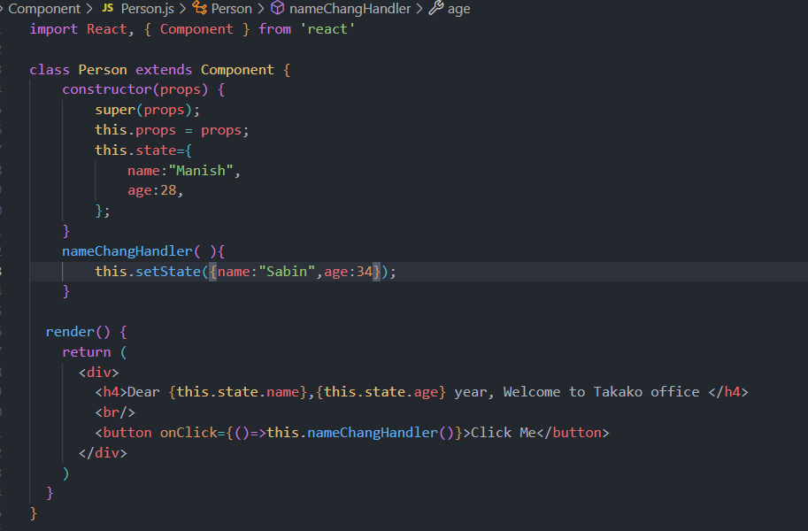

Introduction to AXIOS
axios used for APIs.
Details | Command
Using npm | npm install axios
Using bower | bower install axios
Using yarn | yarn add axios
Using jsDeliverCDN | <script scr="https://cdn.jsdeliver.net/npm/axios/dist/axios.min.js"></script>

Introduction to Redux and its work flow
Rendering the list of data

