6.Star Schema
Star Schema

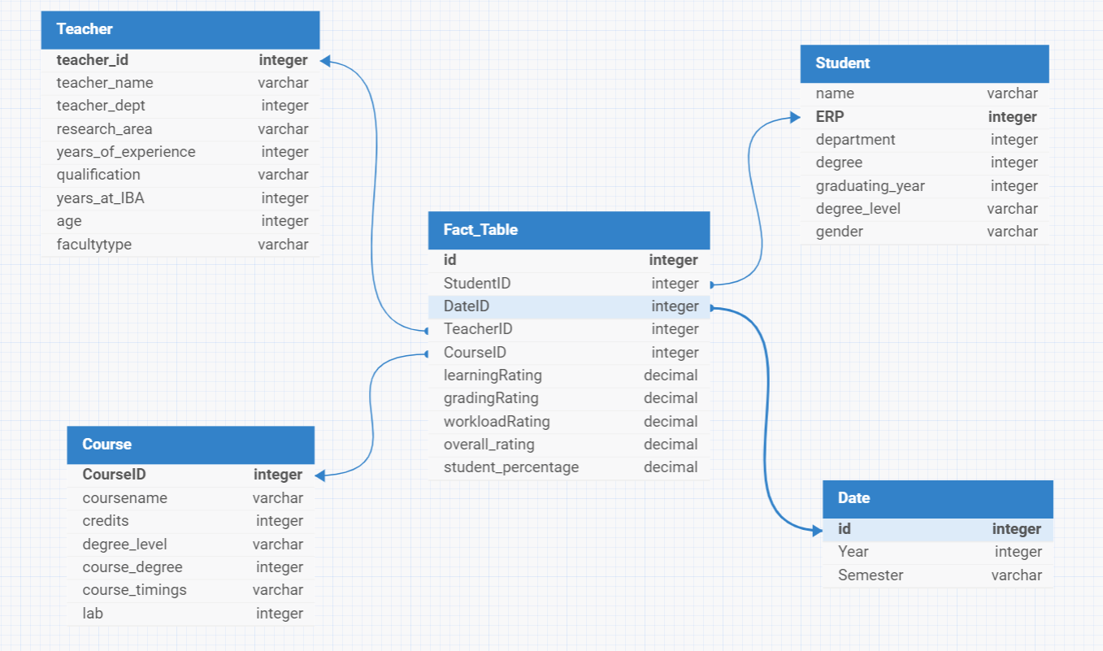
Star Schema Image | Possible Star Schema Queries
 | Sno | Business Question Addressed | SQL query
 | 1 | What are the average teacher evaluation scores in the Science Department for the academic year 2023? | SELECT t.teacher_name, AVG(f.overall_rating) AS avg_rating FROM Fact_Table f JOIN teacher t ON f.TeacherID = t.teacher_id JOIN department d ON t.teacher_dept = d.department_id JOIN Date d ON f.DateID = d.id WHERE d.department_name = 'Science' AND d.Year = 2023 GROUP BY t.teacher_name;
 | 2 | How have evaluation scores for new teachers hired in the last three years changed over their initial semesters? | SELECT t.teacher_name, f.DateID, AVG(f.overall_rating) AS avg_rating FROM Fact_Table f JOIN teacher t ON f.TeacherID = t.teacher_id JOIN Date d ON f.DateID = d.id WHERE t.years_at_IBA <= 3 GROUP BY t.teacher_name, f.DateID ORDER BY t.teacher_name, f.DateID;
 | 3 | Which courses received the highest workload ratings in the Fall semester of 2022, and who were the instructors? | SELECT c.coursename, t.teacher_name, f.workloadRating FROM Fact_Table f JOIN Course c ON f.CourseID = c.CourseID JOIN teacher t ON f.TeacherID = t.teacher_id JOIN Date d ON f.DateID = d.id WHERE d.Semester = 'Fall' AND d.Year = 2022 ORDER BY f.workloadRating DESC LIMIT 1;
 | 4 | What was the average percentage of students in a particular course who gave an overall rating of less than 3 in the Fall semester of 2023? | SELECT c.coursename, AVG(f.percentage) AS avg_percentage FROM Fact_Table f JOIN Course c ON f.CourseID = c.CourseID JOIN Date d ON f.DateID = d.id WHERE f.overall_rating < 3 AND d.Semester = 'Fall' AND d.Year = 2023 GROUP BY c.coursename;
 | 5 | Who are the top-rated teachers based on overall evaluation scores for the last academic year, and in which courses do they teach? | SELECT t.teacher_name, c.coursename, AVG(f.overall_rating) AS avg_rating FROM Fact_Table f JOIN teacher t ON f.TeacherID = t.teacher_id JOIN Course c ON f.CourseID = c.CourseID JOIN Date d ON f.DateID = d.id WHERE d.Year = (SELECT MAX(d.Year) FROM Date d) GROUP BY t.teacher_name, c.coursename ORDER BY avg_rating DESC LIMIT 1;
 | 6 | What are the average evaluation scores by department for the last academic year? | SELECT d.department_name, AVG(f.overall_rating) AS avg_rating FROM Fact_Table f JOIN teacher t ON f.TeacherID = t.teacher_id JOIN department d ON t.teacher_dept = d.department_id JOIN Date d ON f.DateID = d.id WHERE d.Year = (SELECT MAX(d.Year) FROM Date d) GROUP BY d.department_name;
 | 7 | How do evaluation scores vary between courses with and without lab components for the year 2023? | SELECT c.coursename, c.lab, AVG(f.overall_rating) AS avg_rating FROM Fact_Table f JOIN Course c ON f.CourseID = c.CourseID JOIN Date d ON f.DateID = d.id WHERE d.Year = 2023 GROUP BY c.coursename, c.lab ORDER BY c.lab, avg_rating;
 | 8 | Which teachers have shown the most improvement in evaluation scores over the past three years? | SELECT t.teacher_name, (AVG(f.overall_rating) - LAG(AVG(f.overall_rating), 1) OVER (PARTITION BY t.teacher_name ORDER BY d.Year)) AS improvement FROM Fact_Table f JOIN teacher t ON f.TeacherID = t.teacher_id JOIN Date d ON f.DateID = d.id WHERE d.Year >= (SELECT MAX(d.Year) FROM Date d) - 3 GROUP BY t.teacher_name, d.Year ORDER BY improvement DESC;
 | 9 | What is the distribution of overall ratings for each course in the Spring semester of 2023? | SELECT c.coursename, f.overall_rating, COUNT(*) AS rating_count FROM Fact_Table f JOIN Course c ON f.CourseID = c.CourseID JOIN Date d ON f.DateID = d.id WHERE d.Semester = 'Spring' AND d.Year = 2023 GROUP BY c.coursename, f.overall_rating ORDER BY c.coursename, f.overall_rating;
 | 10 | How many students rated the workload as high (rating of 4 or 5) in each course for the Fall semester of 2022? | SELECT c.coursename, COUNT(*) AS high_workload_count FROM Fact_Table f JOIN Course c ON f.CourseID = c.CourseID JOIN Date d ON f.DateID = d.id WHERE f.workloadRating >= 4 AND d.Semester = 'Fall' AND d.Year = 2022 GROUP BY c.coursename ORDER BY high_workload_count DESC;

