Sheet1
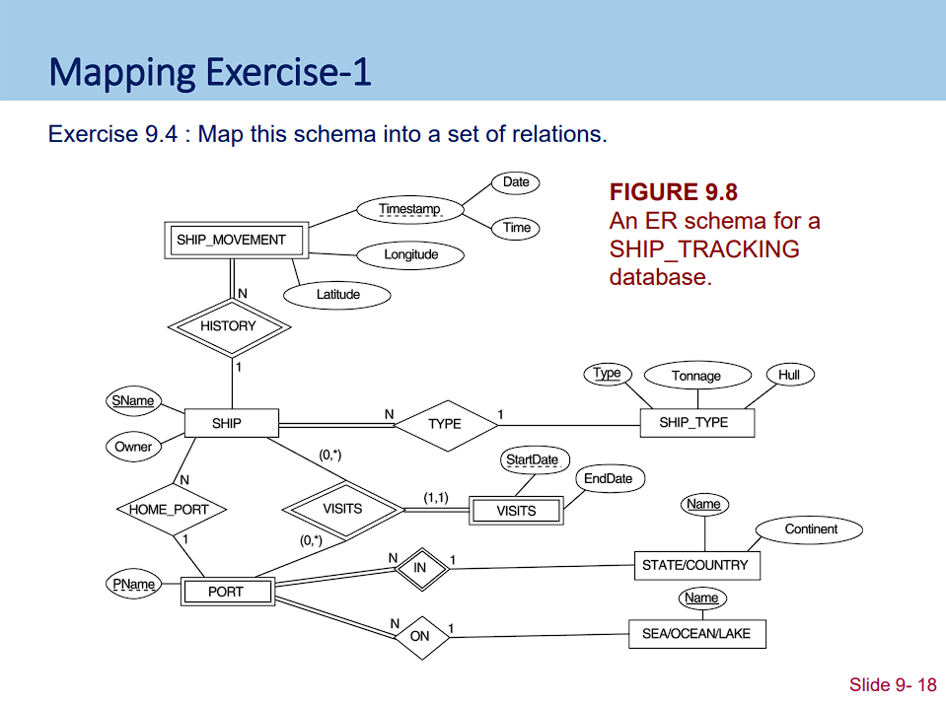

SHIP |  |  | SHIP_MOVEMENT
Sname | Owner | S_Type | Sname | Timestamp | Longitude | Latitude

SHIP_TYPE |  |  | PORT
Type | Tonnage | Hull | Ship_name | State_name | Sea_name | Pname

STATE/COUNTRY |  |  | VISITS_PERIOD
Name | Continent |  | Start_Date | End_Date

SEA/OCEAN/LAKE |  |  | VISITS
Name |  |  | Ship_name | Port_name | Start_Date

