question 2
types | 2019 | 2020
video | 51 | 30
dvd | 127 | 53
tv | 161 | 111
festival | 863 | 1251
working | 1638 | 1359
alternative | 3154 | 2540

Question 4
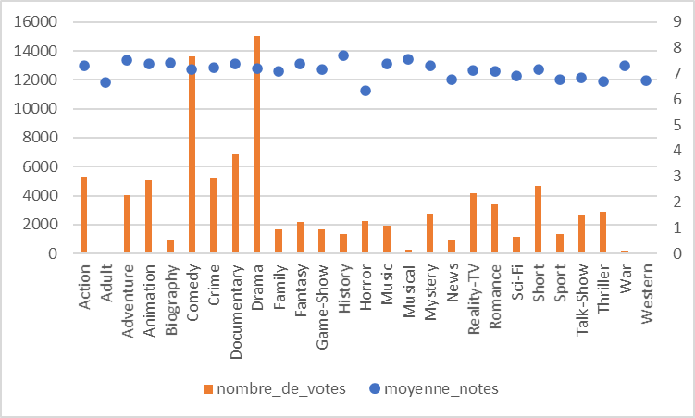
nom du genre | la note myenne | nombre de votes
Action | 7.29 | 5288
Adult | 6.66 | 61
Adventure | 7.53 | 4004
Animation | 7.37 | 5069
Biography | 7.41 | 928
Comedy | 7.14 | 13630
Crime | 7.22 | 5189
Documentary | 7.39 | 6839
Drama | 7.21 | 15005
Family | 7.07 | 1679
Fantasy | 7.39 | 2152
Game-Show | 7.16 | 1694
History | 7.68 | 1357
Horror | 6.32 | 2236
Music | 7.39 | 1919
Musical | 7.56 | 245
Mystery | 7.29 | 2730
News | 6.76 | 891
Reality-TV | 7.12 | 4176
Romance | 7.07 | 3401
Sci-Fi | 6.92 | 1155
Short | 7.15 | 4650
Sport | 6.78 | 1356
Talk-Show | 6.85 | 2680
Thriller | 6.68 | 2896
War | 7.31 | 217
Western | 6.74 | 61

question 5
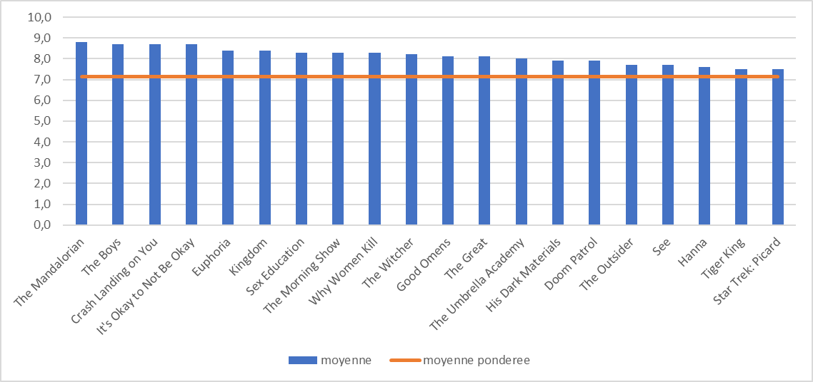
titre série | moyenne | moyenne ponderee
The Mandalorian | 8.8 | 7.14
The Boys | 8.7 | 7.14
Crash Landing on You | 8.7 | 7.14
It's Okay to Not Be Okay | 8.7 | 7.14
Euphoria | 8.4 | 7.14
Kingdom | 8.4 | 7.14
Sex Education | 8.3 | 7.14
The Morning Show | 8.3 | 7.14
Why Women Kill | 8.3 | 7.14
The Witcher | 8.2 | 7.14
Good Omens | 8.1 | 7.14
The Great | 8.1 | 7.14
The Umbrella Academy | 8 | 7.14
His Dark Materials | 7.9 | 7.14
Doom Patrol | 7.9 | 7.14
The Outsider | 7.7 | 7.14
See | 7.7 | 7.14
Hanna | 7.6 | 7.14
Tiger King | 7.5 | 7.14
Star Trek: Picard | 7.5 | 7.14

question 8
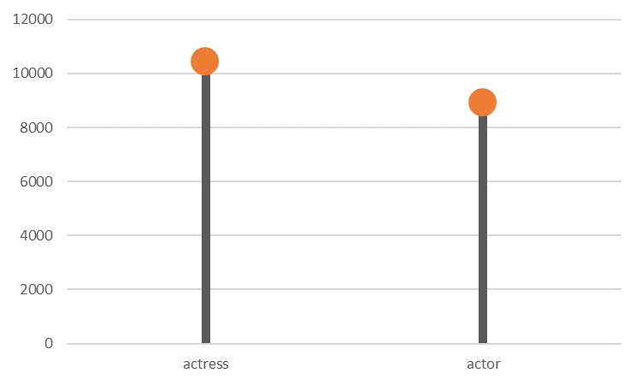
category | Expr1001
actress | 10435
actor | 8891

