Bug 1
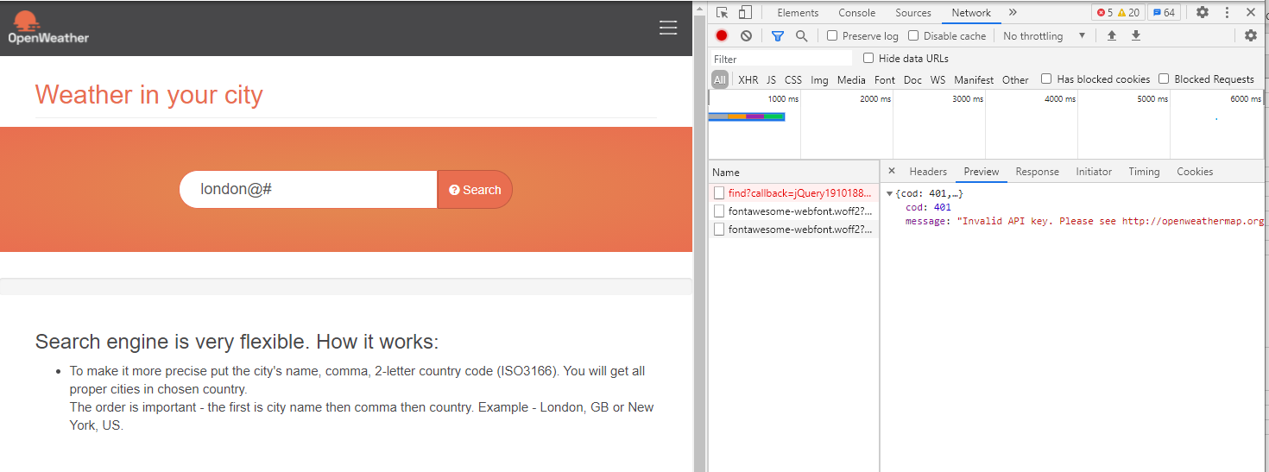
Category | Label | Value
Bug ID | ID number | #123
 | Name | Search weather in my city - Does not show "not found" when inputting keyword with special characters
 | Reporter | Hai Anh
 | Submit Date | 2021-05-12
Bug overview | Summary | Does not show "not found" when inputting keyword with special characters
 | URL | https://openweathermap.org/
 | Screenshot
Environment | Platform | Windows
 | Operating System | Windows 10
 | Browser | Chrome 90
Bug details | Steps to reproduce | Input "london@#", hit enter.
 | Expected result | Show "not found"
 | Actual result | The search page does not show "not found"
 | Description | /
Bug tracking | Severity | Minor
 | Assigned to | /
 | Priority | Low
Notes | Notes | When looking into the API in Network, I can see "cod: 401 message: "Invalid API key. Please see http://openweathermap.org/faq#error401 for more info."". It seems special characters breaking the API https://openweathermap.org/data/2.5/find?callback=jQuery191016810639118790727_1620900682983&q=london&_=1620900682991

Bug 2
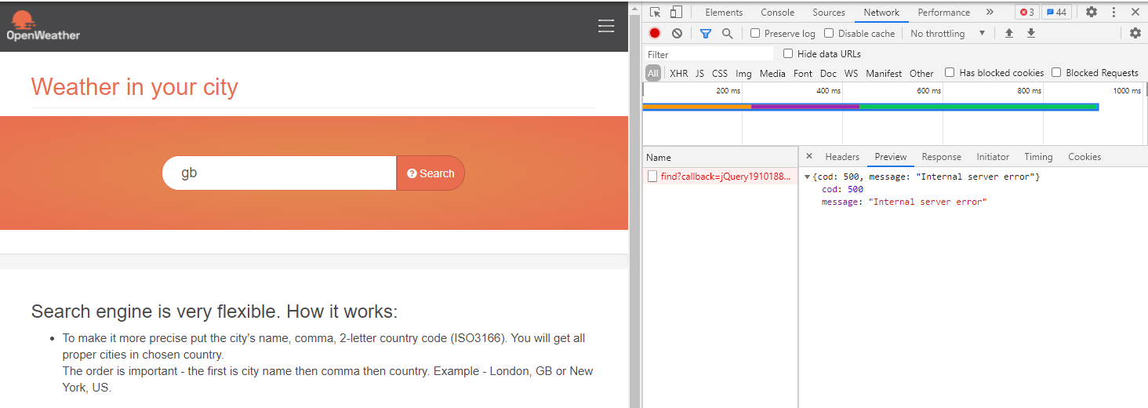
Category | Label | Value
Bug ID | ID number | #123
 | Name | Search weather in my city - Does not show the forcecast cities or "not found" when inputting keyword with correct country code only
 | Reporter | Hai Anh
 | Submit Date | 2021-05-12
Bug overview | Summary | Does not show the forcecast cities or "not found" when inputting keyword with correct country code only
 | URL | https://openweathermap.org/
 | Screenshot
Environment | Platform | Windows
 | Operating System | Windows 10
 | Browser | Chrome 90
Bug details | Steps to reproduce | Input "US", hit enter.
 | Expected result | Search function should show "not found" or consider show cities of country with provided code or show the instruction of keyword clearer "To make it more precise put the city's name, comma, 2-letter country code (ISO3166). You will get all proper cities in chosen country. Or comma, 2-letter country code (ISO3166). You will get up to 5 cities in chosen country"
 | Actual result | the search page does not show the forcecast cities or "not found"
Bug tracking | Severity | Minor
 | Assigned to | /
 | Priority | Low
Notes | Notes | When looking into the API in Network, I can see "cod: 500 message: "Internal server error""

