Sheet1
TestcaseID | Test Scenario | Test Steps | Test Data | Expected Results | Actual Results | Pass/Fail
TU01 | Search with <valid city> | 1. Go to site https://openweathermap.org/ 2. Input keyword 3. Hit enter | london | Shows up to 5 forcecast cities | As expected | Pass
TU02 | Search with <valid city> <,> | " | london, | Shows up to 5 forcecast cities | As expected | Pass
TU03 | Search with <valid city> <,> <valid country code> | " | london,abcgbabc | Shows up to 5 forcecast cities | As expected | Pass
TU04 | Search with <valid city> <,> <explicit valid country code> | " | london,gb | shows precise city | As expected | Pass
TU05 | Search with <valid city> <,> <invalid country code> | " | london,rr | Shows "not found" | As expected | Pass
TU06 | Search with <invalid city> | " | abc | Shows "not found" | As expected | Pass
TU07 | Search with <invalid city> <,> | " | abc, | Shows "not found" | As expected | Pass
TU08 | Search with <invalid city> <,> <valid country code> | " | abc,abcgbabc | Shows "not found" | As expected | Pass
TU09 | Search with <invalid city> <,> <explicit valid country code> | " | london,gb | Shows "not found" | As expected | Pass
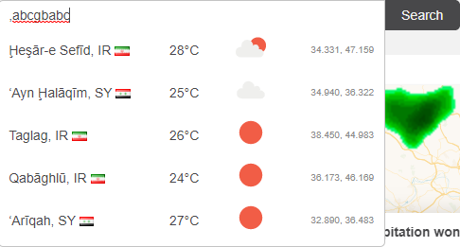
TU10 | Search with <invalid city> <,> <invalid country code> | " | abc,rr | Shows "not found" | As expected | Pass
TU11 | Search with <,> <valid country code> | " | ,abcgbabc | ?????? | Show very weird cities
TU12 | Search with <,> <explicit valid country code> | " | ,gb | Shows up to 5 forcecast cities of the country | As expected | Pass
TU13 | Search with <,> <invalid country code> | " | ,rr | Shows "not found" | As expected | Pass
TU14 | Search with <,> | " | , | Shows "not found" | Does not show "not found" | Fail
TU15 | Search with less than 3 characters only | " | gb | Shows "not found" | Does not show "not found" | Fail
TU16 | Search with valid city and special characters | " | london@# | Shows "not found" | Does not show "not found" | Fail

