Log loss func
actual | predict | term1 | term2 | Log L | N
1 | 0.9 | -0.10536 | 0.00000 | -0.105361 |  | 1 | 0
0 | 0.1 | 0.00000 | -0.10536 | -0.105361 |  | 2 | -0.69314718056
 |  |  |  | 0.105361 | 2 | 3 | -1.0986122887
 |  |  |  |  |  | 4 | -1.3862943611
actual | predict | term1 | term2 | Log L | N | 5 | -1.6094379124
1 | 0.1 | -2.30259 | 0.00000 | -2.302585 |  | 6 | -1.7917594692
0 | 0.9 | 0.00000 | -2.30259 | -2.302585 |  | 7 | -1.9459101491
 |  |  |  | 2.302585 | 2 | 8 | -2.0794415417
 |  |  |  |  |  | 9 | -2.1972245773
 |  |  |  |  |  | 10 | -2.302585093
 |  |  |  |  |  | 11 | -2.3978952728
 |  |  |  |  |  | 12 | -2.4849066498
 |  |  |  |  |  | 13 | -2.5649493575
 |  |  |  |  |  | 14 | -2.6390573296
 |  |  |  |  |  | 15 | -2.7080502011

cnn shape prarams
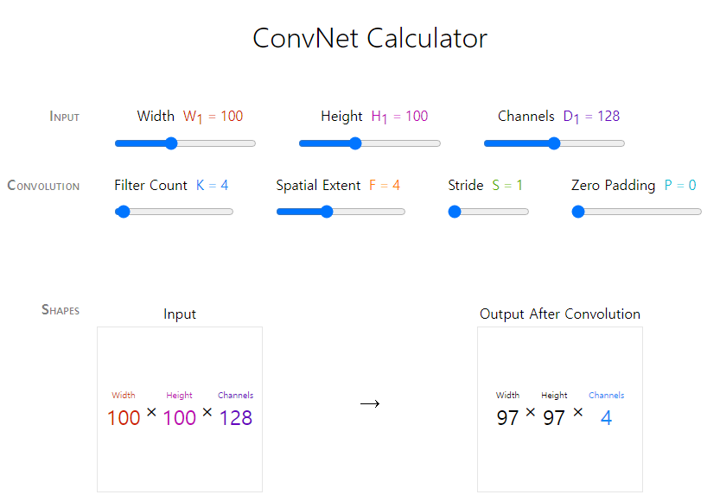
Convolution Output dimension = [(I - K +2 * P) / S] +1, D
$$O=\frac{I−K+2P}{S}+1$$

Pooling Output dimension = [(I - K) / S] +1
$$O=\frac{I−K}{S}+1$$

parmeters = filter size x kernel size x previous filter size + filter size

No | Image x (or input) | Image y | Image ch | Net | Filter size (channel) or output size | Kernel x size | Kernel y size | Padding | Strides | Pooling x | Pooling y | Output (x) | Output (y) | Parameters
1 | 28 | 28 | 1 | Conv | 32 | 3 | 3 | 1 | 1 |  |  | 28 | 28 | 320 | Conv2D(32, (3, 3), strides=1, padding='same')
2 | 28 | 28 | 32 | Max pooling | 32 |  |  |  |  | 2 | 2 | 14 | 14 |  | MaxPooling((2,2))
3 | 14 | 14 | 32 | Conv | 64 | 3 | 3 | 1 | 1 |  |  | 14 | 14 | 18,496 | Conv2D(64, (3, 3), strides=1, padding='same')
4 | 14 | 14 | 64 | Max pooling | 64 |  |  |  |  | 2 | 2 | 7 | 7 |  | MaxPooling((2,2))
5 | 7 | 7 | 64 | Flatten |  |  |  |  |  |  |  | 3136 |  |  | Flatten
6 | 3136 |  |  | Dense | 64 |  |  |  |  |  |  |  |  | 200,768 | Dense(64)
7 | 64 |  |  | Dense | 10 |  |  |  |  |  |  |  |  | 650 | Dense(10)

Sum |  |  |  |  |  |  |  |  |  |  |  |  |  | 220,234

https://madebyollin.github.io/convnet-calculator/

LeNet
Convolution Output dimension = [(I - K +2 * P) / S] +1, D
$$O=\frac{I−K+2P}{S}+1$$

Pooling Output dimension = [(I - K) / S] +1
$$O=\frac{I−K}{S}+1$$

parmeters = filter size x kernel size x previous filter size + filter size

No | Image x (or input) | Image y | Image ch | Net | Filter size (channel) or output size | Kernel x size | Kernel y size | Padding | Strides | Pooling x | Pooling y | Output (x) | Output (y) | Parameters
1 | 32 | 32 | 1 | Conv | 6 | 5 | 5 | 0 | 1 |  |  | 28 | 28 | 156 | Conv2D(32, (3, 3), strides=1, padding='same')
2 | 28 | 28 | 6 | Max pooling | 6 |  |  |  |  | 2 | 2 | 14 | 14 |  | MaxPooling((2,2))
3 | 14 | 14 | 6 | Conv | 16 | 5 | 5 | 0 | 1 |  |  | 10 | 10 | 2,416 | Conv2D(64, (3, 3), strides=1, padding='same')
4 | 10 | 10 | 16 | Max pooling | 16 |  |  |  |  | 2 | 2 | 5 | 5 |  | MaxPooling((2,2))
3 | 5 | 5 | 16 | Conv | 120 | 5 | 5 | 0 | 1 |  |  | 1 | 1 | 48,120 | Conv2D(64, (3, 3), strides=1, padding='same')
5 | 1 | 1 | 120 | Flatten |  |  |  |  |  |  |  | 120 |  |  | Flatten
6 | 120 |  |  | Dense | 84 |  |  |  |  |  |  |  |  | 10,164 | Dense(64)
7 | 84 |  |  | Dense | 10 |  |  |  |  |  |  |  |  | 850 | Dense(10)

Sum |  |  |  |  |  |  |  |  |  |  |  |  |  | 61,706

https://madebyollin.github.io/convnet-calculator/

