Damage Ratio
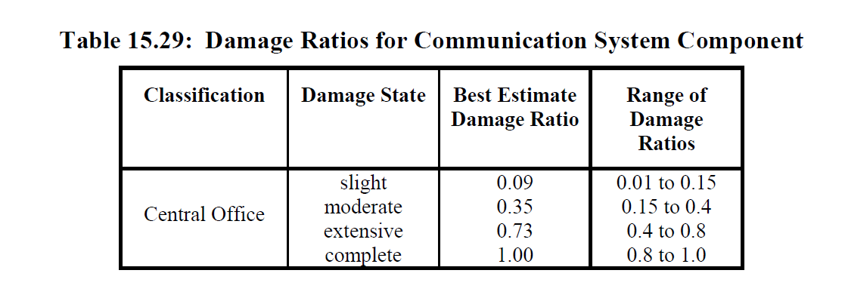
Classification | Damage State | Best Estimate Damage Ratio | Range of damage Ratios
Central offices | slight | 0.09 | 0.01 - 0.15
 | moderate | 0.035 | 0.15 - 0.4
 | extensive | 0.73 | 0.4 - 0.8
 | complete | 1 | 0.8 - 1.0

