evidence
position on reference seq AY587020 |  | 381 | 861 | 2653 | 3673 | 5808 | 6009 | 6484 | 6853 | 7566 | 9041
VKORC1 | CALLS: | rs7196161 | rs17880887 | rs17881535 | rs9923231 | rs2884737 | rs17708472 | rs9934438 | rs8050894 | rs2359612 | rs7294

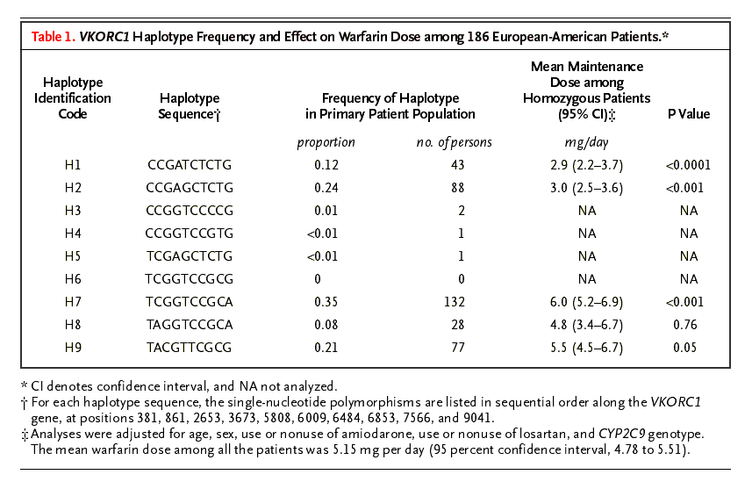

Haplotypes from Reider (2005), NEJM (PMID:15930419); 10 SNPs (381, 861, 2653, 3673, 5808, 6009, 6484, 6853, 7566, and 9041 were used to classify to major haplotypes: A and B
A was the low dose haplotype and B was the high dose haplotype; haploytpes A and B were classified based upon 5 SNPs (381,3673,6484,6853,and 7566) that were highly correlated with linkage disequilibrium r^2 >= 90%
Although the major divisions were based upon the A and B haplotypes, they were further divided into 9 haplotypes, five of which had a frequency > 5% in the population (H1,H2,H7,H8,H9)
Haplotype A was divided into haplotype H1 and H2 based upon variation at SNP 5808
Haplotype B was first divided into (H7,H8) vs. H9 based upon variation at 9041, and then it was further divided into H7 vs. H8 based upon variation at 861
The five haplotypes predictive of the warfarin dose accounted for 99 percent and 96 percent respectively of the total haplotypes in the two clinical populations studied

