stock_analysis
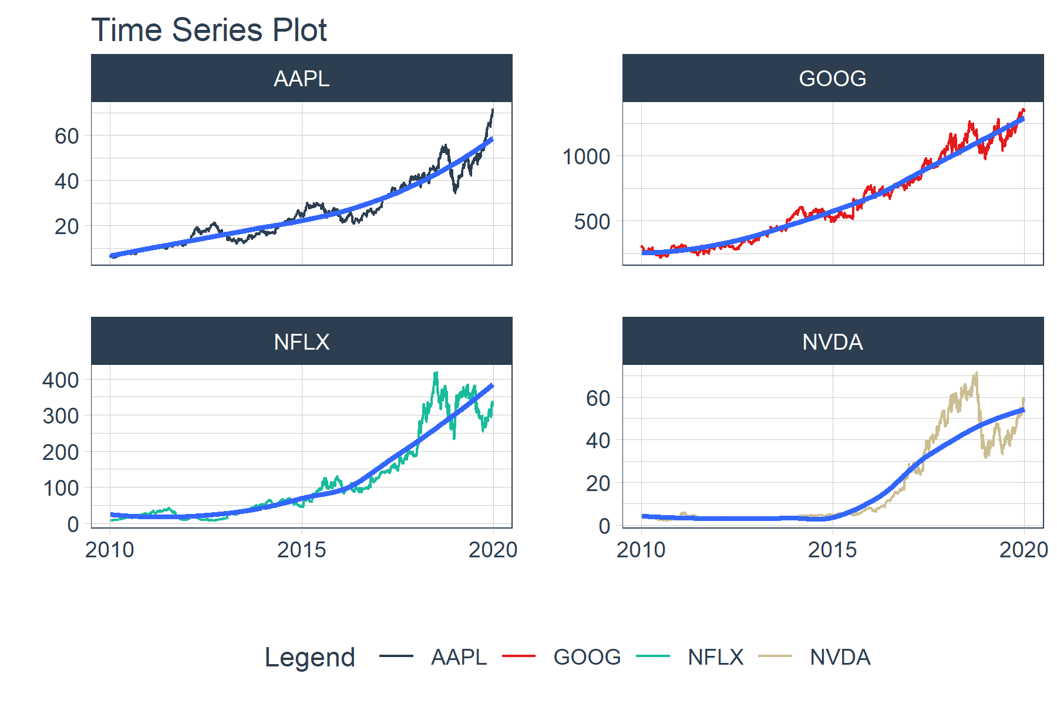
year | AAPL | GOOG | NFLX | NVDA
2010 | 0.50721956945 | -0.052301557862 | 2.2853403141 | -0.16711723332
2011 | 0.22887414947 | 0.068751545442 | -0.61162492791 | -0.12389398076
2012 | 0.30558580096 | 0.063073927333 | 0.2816999031 | -0.1211470228
2013 | 0.047508678625 | 0.5495472527 | 3.0014128573 | 0.28695143259
2014 | 0.42628421321 | -0.053244227151 | -0.058458720094 | 0.28680992572
2015 | -0.02082286781 | 0.44997897943 | 1.2945491197 | 0.66451443932
2016 | 0.12384349483 | 0.040412998637 | 0.12586398805 | 2.3291964634
2017 | 0.48042477481 | 0.33106063047 | 0.50568679905 | 0.90426280917
2018 | -0.07054347973 | -0.027596258216 | 0.3311781702 | -0.32845500808
2019 | 0.87373402945 | 0.27756374782 | 0.20791299846 | 0.71213737279

