1.실무_STANDARD
1. 구매오더 생성 (ME21N)
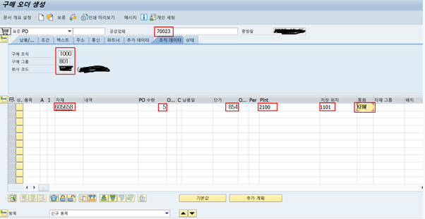

헤더 : 공급업체, 구매조직, 구매그룹, 회사코드 입력
아이템 : 발주 할 품목만큼 작성
자재번호, 해당 수량, 단가, 플랜트, 저장위치, 통화 입력후 엔터버튼 누르면 납품일이 자재마스터에 있는 날짜 정보로 자동 입력
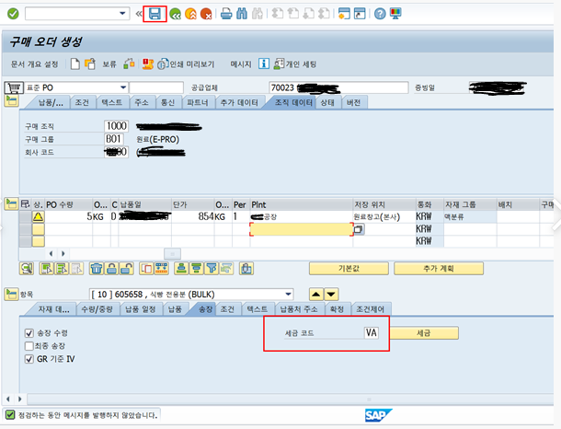

무상오더(구매오더0원 샘플)가 아니라면 송장수령 체크
입고기준으로 송장을 작성하려면 GR기준 IV체크
세금코드 (마스터에 있는 값 기준 자동 입력) 입력 후 점검버튼으로 에러 확인
에러가 없다면, 저장버튼을 통해 PO생성
PO번호 : 4501578649 생성

2. 현재 재고조회 (MMBE)
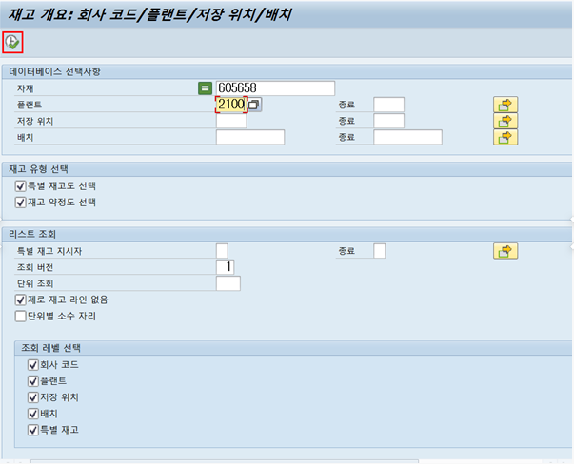

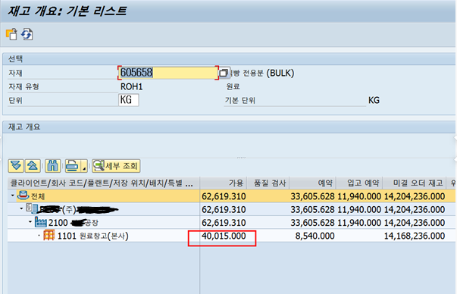

가용 : 해당 플랜트의 재고
입고예약 : 기타출고(EX.판매진열, 샘플출고)시 예약문서 만들때, 잡히는 수량
미결오더재고 : 플랜트 이동시 잡히는 수량 (EX. 계열사간 이동)
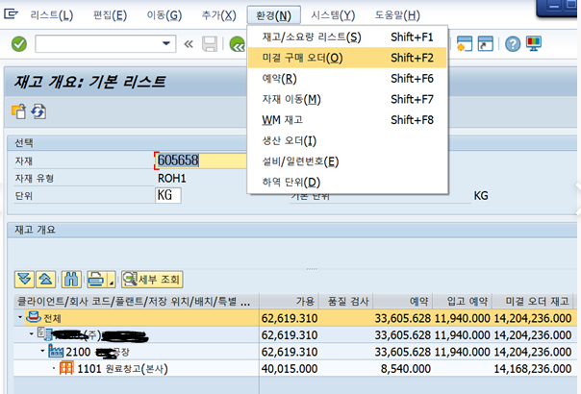

해당 버튼 클릭시 미결 구매오더 (입고처리 하지 않은) 확인가능

2.ME21N화면및테이블
[구매오더 | ME21N]

1.헤더
EKKO-구매문서 헤더
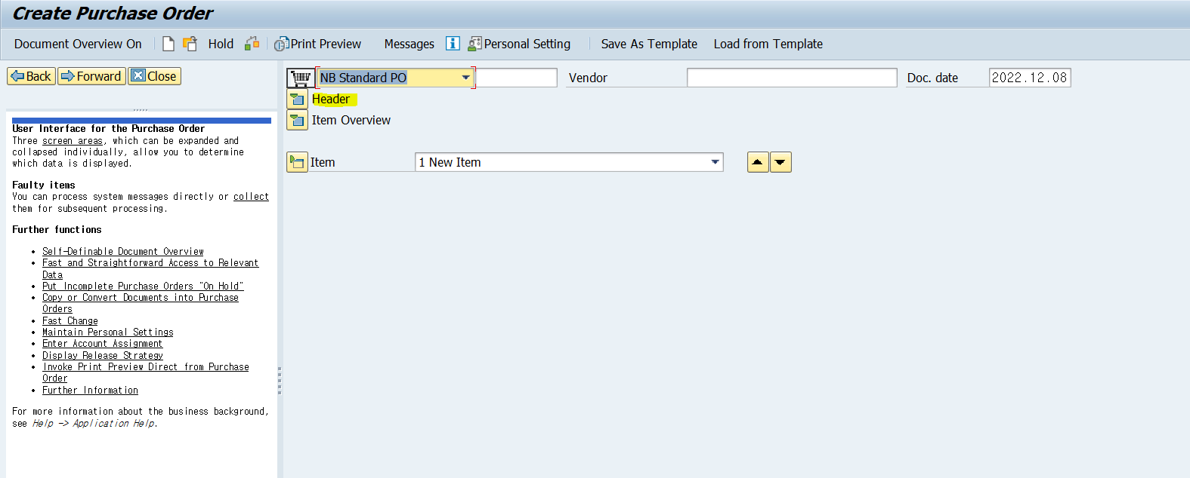
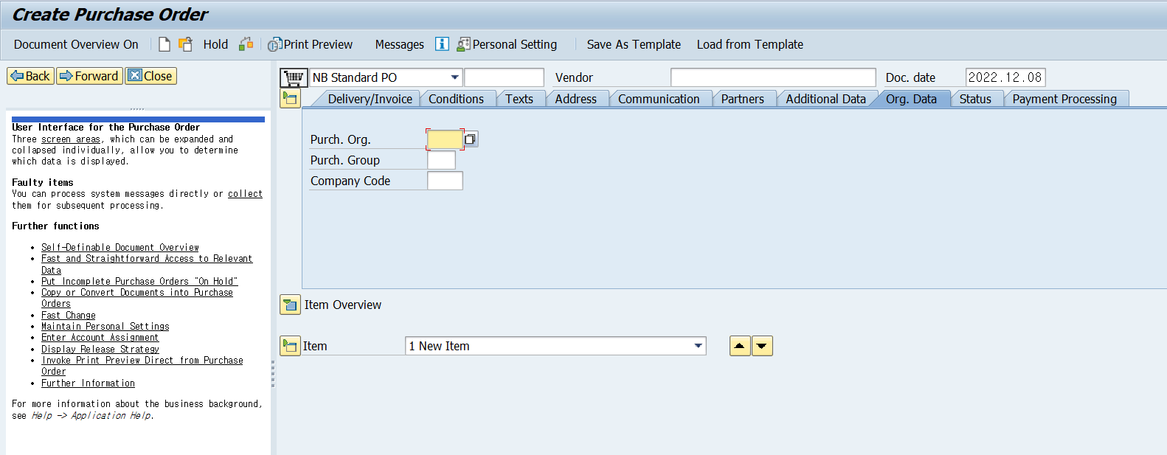

증빙일 : 문서의 날짜
공급업체 :
구매조직
회사코드
통화

2.품목
EKPO-구매문서 라인아이템
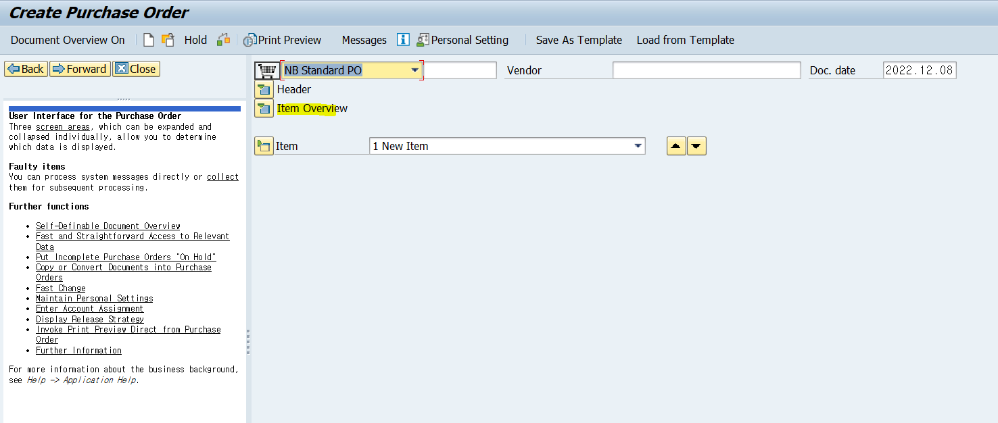
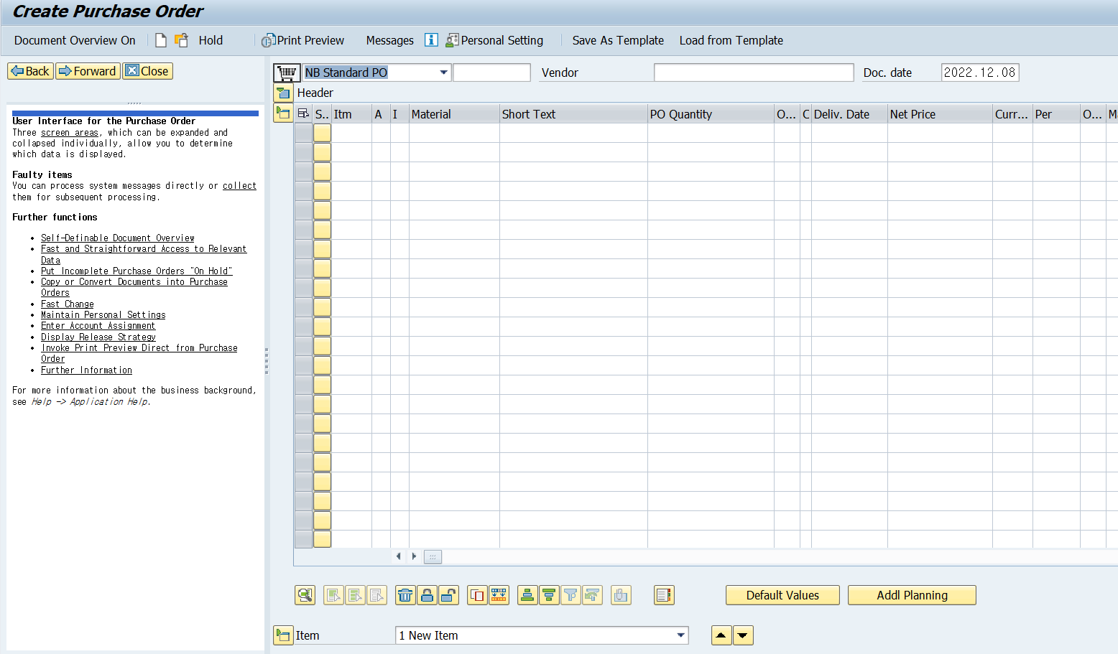

품목
자재번호
자재내역 - 자재마스터 등록되있는 내역
PO수량
단위
납품일
단가
통화
플랜트 : 재고를 관리하는 단위 (창고)
저장위치 : 재고를 관리하는 단위 (물건의 특성에 따른 세분화)
총금액

3.CBO_구매오더_MAIN
