2. Summary
Cypress - End to End Javascript framework

 | Main competitors (Selenium-based):
Nightwatch, Protractor, Phantomjs, Casper, Webdriverio

Pros:
1) reliability of tests results (unlike flaky Selenium-based ones)
2) speed
3) no initial configuration (if no proxy)
4) all tests are in JS
5) screenshot for every step or for failed step only
6) clear and familiar syntax (jQuery, chai, sinon)
7) very good docs
8) works with any framework including server rendered pages
9) smooth cooperation with Percy (visual regression tool)
10) platform for test grouping and paralellization (works with github)
Cons:
1) Chrome only (FF version under development)
2) Newer than most Selenium-based frameworks (however started in June 2014)
3) Smaller than for Selenium-based ones, but still decent size community

Github stars and last release dates:
cypress: 14,651 (werja 1.0 @ July '18, current 3.1.4 @ Jul 2019)
nightwatch: 9,667 (last release Sep 2019)
webDriverIO: 5,209 (last release Sep 2019)

protractor: 8,340 (last release Mar 2019)
casperjs: 7,307 (discontinued, last release Nov 2017)
phantomjs: 27,023 (discontinued, last release Jan 2016)
 |  | 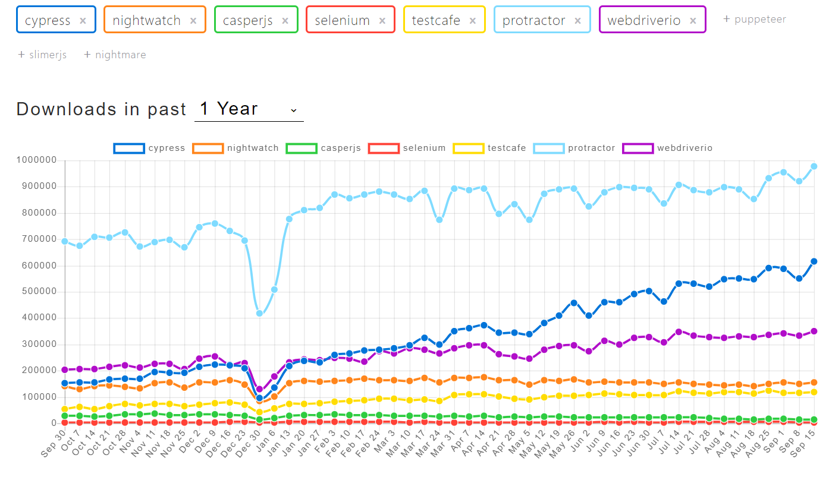

 |  |  | 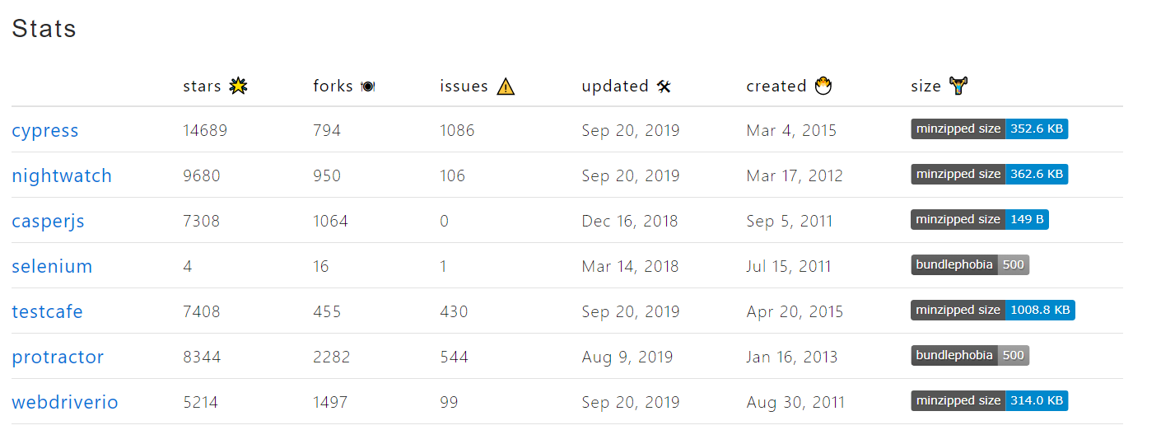
https://www.npmtrends.com/cypress-vs-nightwatch-vs-casperjs-vs-selenium-vs-testcafe-vs-protractor-vs-webdriverio

Cypress.io platform
a) allows for much faster test execution thanks to parallelization
b) run grouping
c) github integration
d) $99 monthly for 5 users
e) free for 3 users for non-commercial projects

Corporate users
NASA, Autodesk, Netflix, DHL, Shopify, GitHub, Slack, SendGrid, SaltStack and GoDaddy

Links
Cypress vs. Selenium, is this the end of an era ? 06.06.2018
https://automationrhapsody.com/cypress-vs-selenium-end-era/

Cypress.io - the selenium killer
https://blog.logrocket.com/cypress-io-the-selenium-killer/

