Architecture
return to Title Page

 | Architecture

 | Architecture
 |  |  | This section provides a high level overview of the Jenkins architecture.

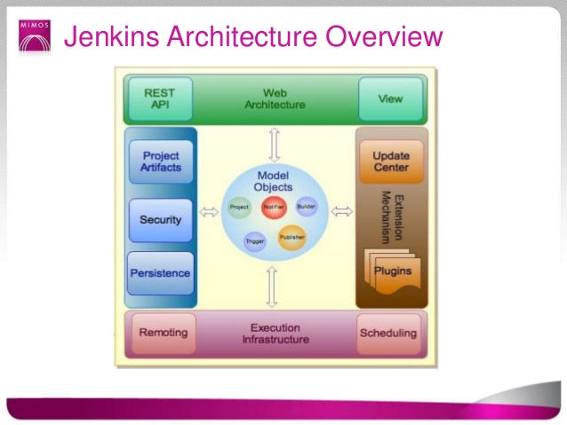

 |  |  |  |  |  | Figure 1. Jenkins framework for automation.

 |  |  | Jenkins is an self-contained open source automation server which can be used to automate all sorts of tasks related to building, testing and deploying software. It is generally used in projects to address certain areas that require automation as part of their continuous integration and delivery needs. Jenkins is a fork of the original Hudson project under Sun Microsystems (then acquired by Oracle). Its creator is Kohsuke Kawaguchi. Since Jenkins is usually deployed in a WAR format, it can deploy it as a standalone server or via a container server such as Apache Tomcat, IBM Websphere among others.

 |  |  | Figure 1 shows a general architecture overview of Jenkins. Let’s now have a brief overview of some of the key Jenkins components.

 |  |  | 1- Web Architecture (green section)

 |  |  |  | The web architecture provides the framework for access to the Jenkins instance. This is the main portal for configuring and viewing the jobs defined on Jenkins as well as the REST API for remotely triggering builds.

 |  |  | 2- Extension Mechanism (brown section)

 |  |  |  | The extension mechanism allows for Jenkins to add more capabilities to its core functionality through the use of plugins. Plugins can be installed direct from the Jenkins instance itself via its web interface. Of course, if the functionality desire is not there, the possible alternative it to write the plugin. The update center checks for any new versions of any installed plugin on Jenkins.

 |  |  | 3- Execution Infrastructure (purple section)

 |  |  |  | The execution infrastructure is responsible for managing the executor and nodes of Jenkins. It handles everything related to executing as well as scheduling and queueing of running jobs.

 |  |  | 4- Persistence & Security (blue section)

 |  |  |  | Jenkins uses the file system to store its data. Directories are stored inside $JENKINS_HOME in a way that models the object model structure.

 |  |  |  | Jenkins has a security mechanism in place so that the administrator of Jenkins can control who gets access to what part of Jenkins. The key components of this mechanism are the following:

 |  |  |  | ■ | Permission, which represents an activity that requires a security privilege. This is usually a verb, like "configure", "administer", "tag", etc. Authentication, which represents the current user and roles (AKA groups) he/she has. When a thread runs in Jenkins, it always carry an Authentication object implicitly, which represents the user that the thread is serving. (If a thread is a part of Jenkins and not serving any user request, like Executor{}s, then it carries an almighty "system" Authentication object.) ACL, which decides whether the Authentication object carried by the current thread has the given permission or not. AccessControlled, which is implemented by an object who owns ACL.
 |  |  |  | ■
 |  |  |  | ■

 |  |  |  | ■

 | Sources:

 |  | https://jenkins.io/doc/developer/book/
 |  | https://jenkins.io/doc/book/

return to Title Page

Download, Installation, Setup
return to Title Page

 | Download, Installation and Setup

 |  | This sheet provides instructions in setting up the environment for Jenkins such as the prerequisites and installation guide before using Jenkins

 | 1) Pre-requisites for Jenkins:

 |  | a) Check if java is installed
$ java -version
java version "1.8.0_144"
Java(TM) SE Runtime Environment (build 1.8.0_144-b01)
Java HotSpot(TM)64-Bit Server VM (build 25.144-b01, mixed mode)

 |  |  | if not, install Java
sudo yum install java-1.8.0-openjdk.x86_64

 |  | b) Update your CentOS system

 |  |  | Before proceeding, the user must have:
 |  |  |  | • Deployed a Vultr CentOS 7 server instance from scratch.
 |  |  |  | • Logged into your machine as a non-root user with sudo privileges.

 |  |  | One of the Linux system administrator's best practices is keeping a system up to date. Install the latest stable packages, then reboot.
sudo yum install epel-release
sudo yum update
sudo reboot

 |  |  | setting two environments variable JAVA_HOME and JRE_HOME
sudo cp /etc/profile /etc/profile_backup
echo 'export JAVA_HOME=/usr/lib/jvm/jre-1.8.0-openjdk'
sudo tee -a /etc/profile
echo 'export JRE_HOME=/usr/lib/jvm/jre'
sudo tee -a /etc/profile
source /etc/profile

 |  |  | Finally, you can print them for review:
echo $JAVA_HOME
echo $JRE_HOME

 |  | c) Install Jenkins
cd ~
sudo wget -O /etc/yum.repos.d/jenkins.repo http://pkg.jenkins-ci.org/redhat-stable/jenkins.repo
sudo rpm --import http://pkg.jenkins-ci.org/redhat-stable/jenkins-ci.org.key
sudo yum install jenkins

 |  |  | Check Jenkins installation
systemctl start jenkins
systemctl status jenkins

 |  |  | Enable Jenkins
systemct1 enalble.service

 |  | d) Install Nginx using YUM:
sudo yum install nginx

 |  |  | Modify the configuration of Nginx:
sudo vi /etc/nginx/nginx.conf

 |  |  | Find the two lines below:

 |  |  |  | location / {
 |  |  |  | }
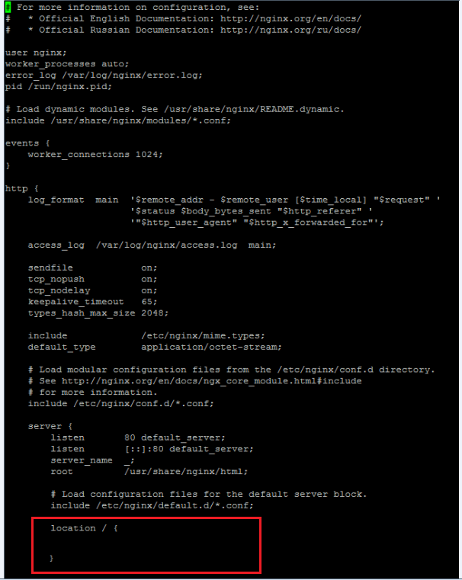

 |  |  | Insert the six lines below into the { } segment:

 |  |  |  | proxy_pass http://127.0.0.1:8080;
 |  |  |  | proxy_redirect off;
 |  |  |  | proxy_set_header Host $host;
 |  |  |  | proxy_set_header X-Real-IP $remote_addr;
 |  |  |  | proxy_set_header X-Forwarded-For $proxy_add_x_forwarded_for;
 |  |  |  | proxy_set_header X-Forwarded-Proto $scheme;

 |  |  | The final result should be:
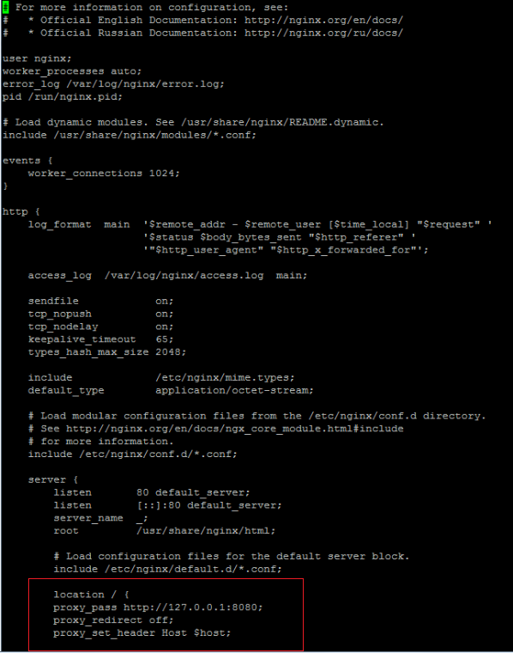

 |  |  | Save and quit:
:wq

 |  |  | Run Jenkins
 |  |  |  | https://the_server_IP:8080

 |  |  | go to configure global security : check enable security
 |  |  | TCP port for JNLP Agents: select Random
 |  |  | Access control: Jenkins own user db

 |  |  | to install plugins configure proxy server on jenkins
 |  |  | web UI under manage plugins "advance tab"
 |  |  | fill in necessary informations such as server and port

 |  |  | once complete get back to Available tab and select desired plugins to be installed.
 |  |  | click install and restart button and wait progress installation to be completed.
 |  |  | Plugins can already be immediately if the installation is complete.

 |  | c) Internet Connectivity
 |  |  | Ensure that Internet connectivity is present from the machine on which Jenkins is installed

 |  | d) Plugins
 |  |  | Before creating jobs on plugins, make sure that the functionality needed is installed. If not, please visit Manage Jenkins->Manage Plugins.

 |  | e) Security
 |  |  | On accessing any SCM (Git, SVN, etc) remotely via SSH, make sure to setup the credentials before (preferable using SSH public/private keys). This will be discussed in the succeeding sections.

 | 2) Getting Started with Jenkins

 |  | a) Unlock Jenkins
 |  |  | When Jenkins is used for the first time, it is needed to unlock first by entering the initial admin password which can be found at the given location below.

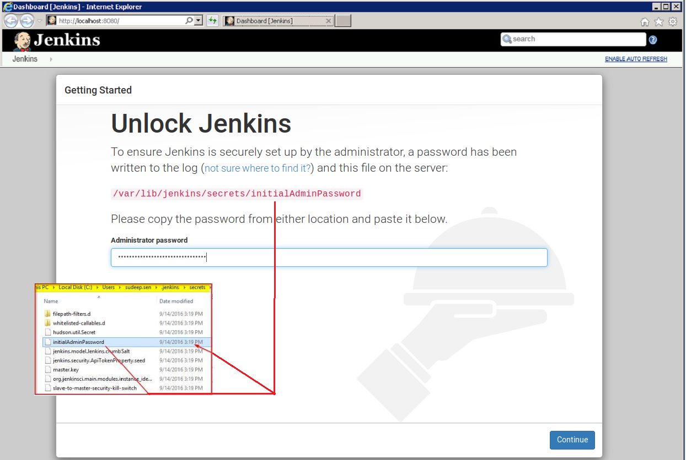

sudo cat /var/lib/jenkins/secrets/initialAdminPassword

 |  |  |  |  |  | Figure 2. Unlock Jenkins

 |  |  | As seen in the above image, it's needed to create the administrative password. The password can be obtained using the following command.
sudo cat /var/lib/jenkins/secrets/initialAdminPassword

 |  | b) Customize Plugins
 |  |  | - This will install all the required plugins for building the projects. It will take few minutes to install the plugins.

 |  |  | After Jenkins is unlocked, it will attempt to connect to the Jenkins plugin repository and if it is behind a firewall, the window will look something like this.

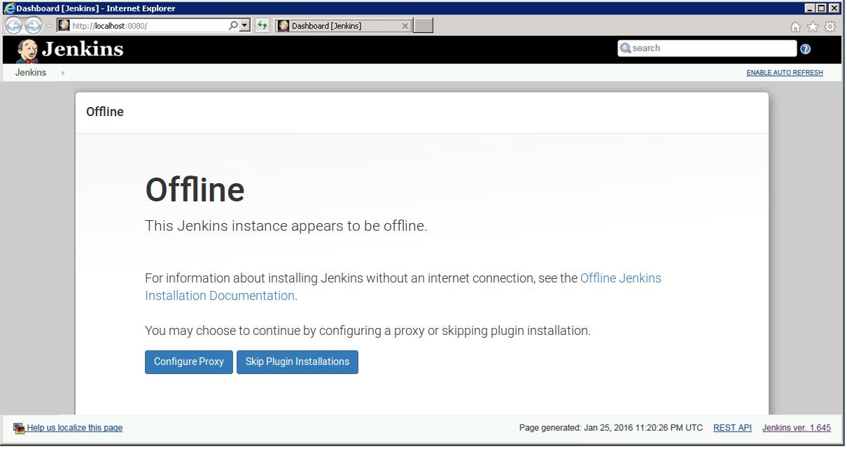

 |  |  |  |  |  | Figure 3. Offline page

 |  |  | It is recommended to configure the proxy if the user have access to it and if plan to install more plugins in the future.

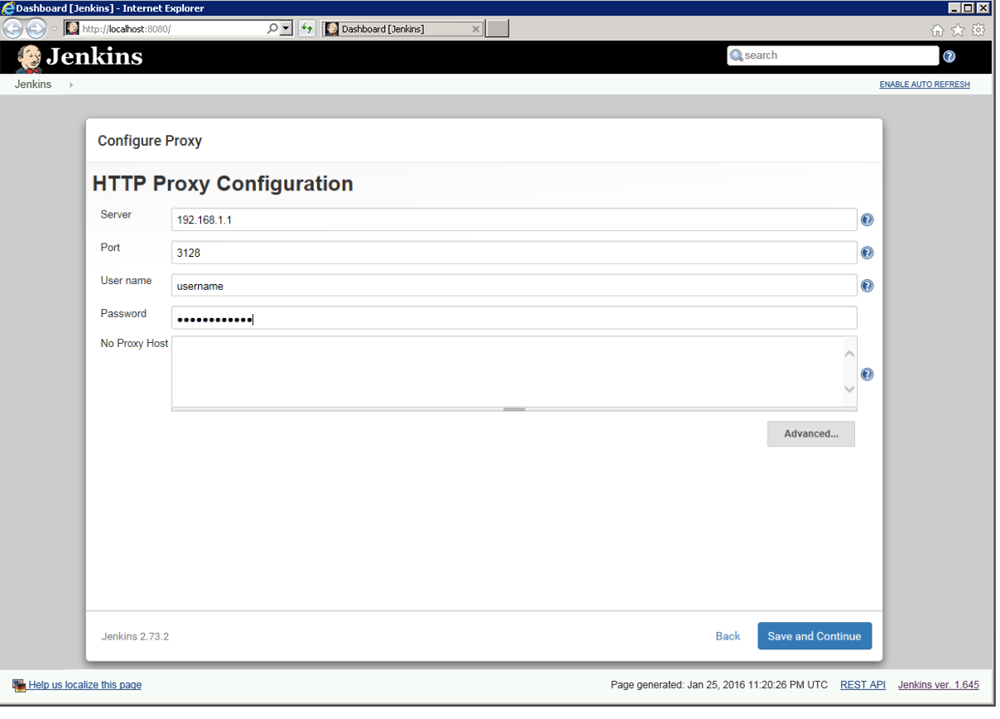

 |  |  |  |  | Figure 4. HHTP Proxy Configuration

 |  |  | If the user have already direct access to the internet or already configured the HTTP proxy configuration settings, it will be taken to this screen. The user will have the choice of picking the plugins manually or let Setup Wizard pick the commonly useful ones.

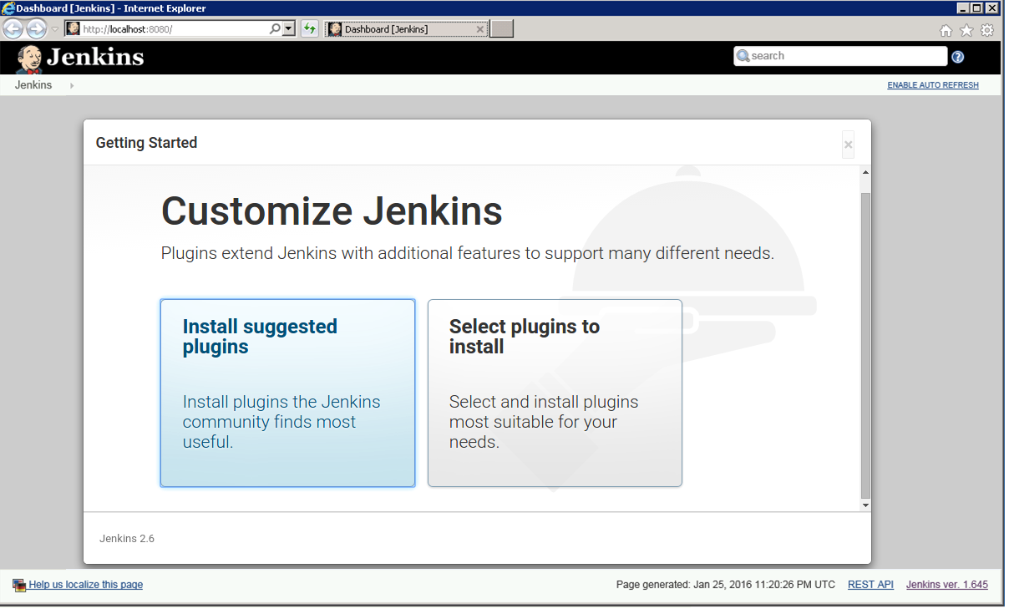

 |  |  |  |  | Figure 5. Setup Wizard on choosing plugins

 |  |  | After clicking Install suggested plugins, the Setup Wizard will start installing the plugins to the Jenkins instance.

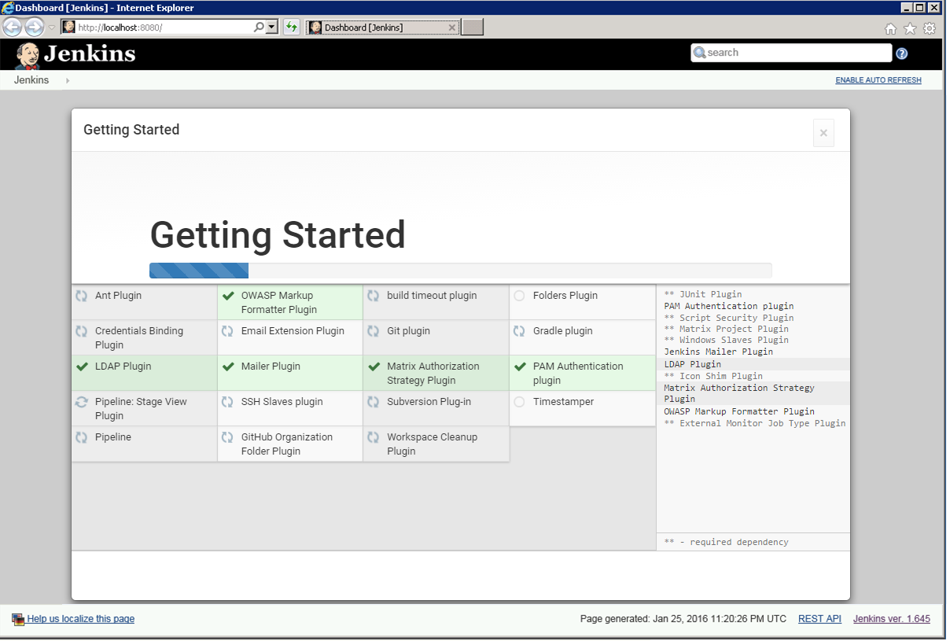

 |  |  |  |  |  | Figure 5.1 Install suggested plugins

 |  | c) Create Admin User
 |  |  | After the plugins have been installed , setup the Admin user.

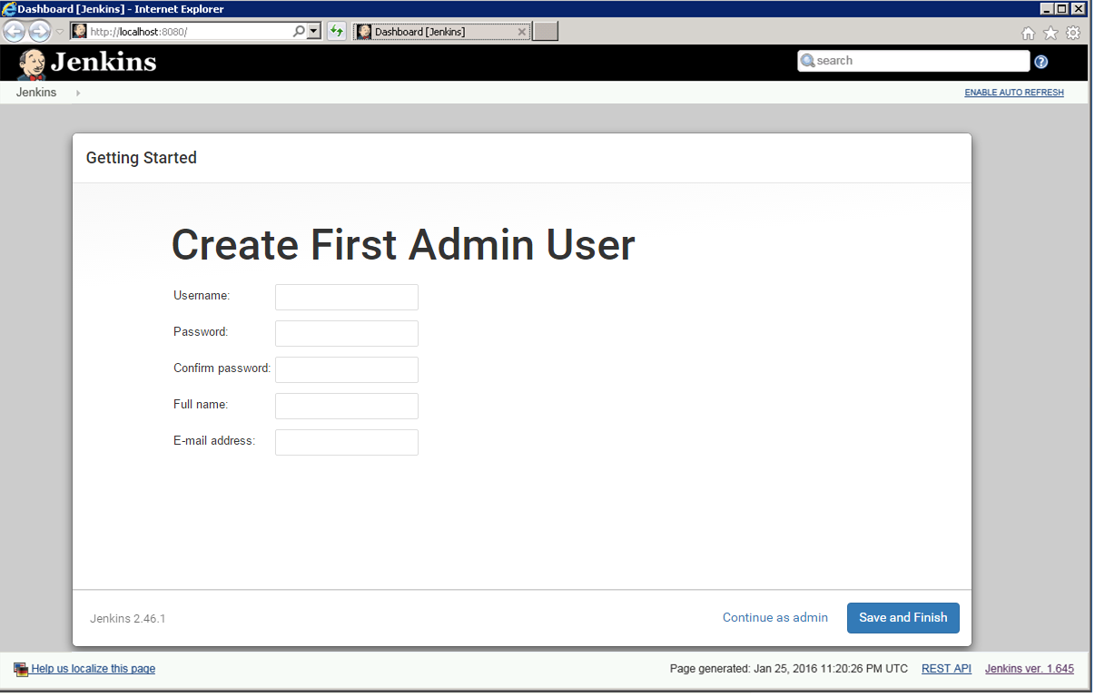

 |  |  |  |  |  | Figure 6. Create First Admin User

 |  |  | After clicking the "Save and Finish" button, the user can start using Jenkins.
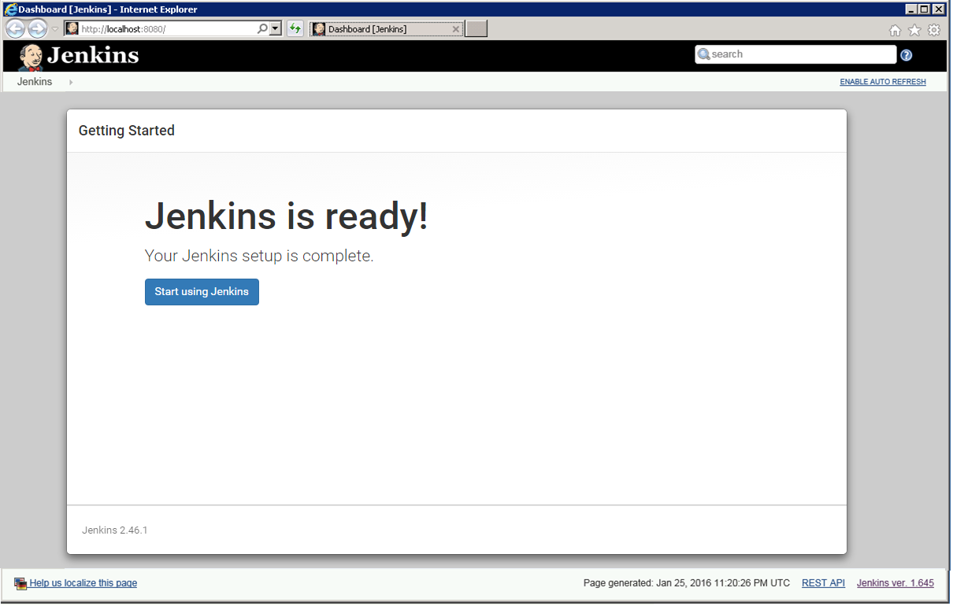

 |  |  |  |  |  | Figure 7. Setup Complete

 |  | d) Start using Jenkins
 |  |  | When it is done, the user can now use Jenkins to create own jobs, projects and pipelines.

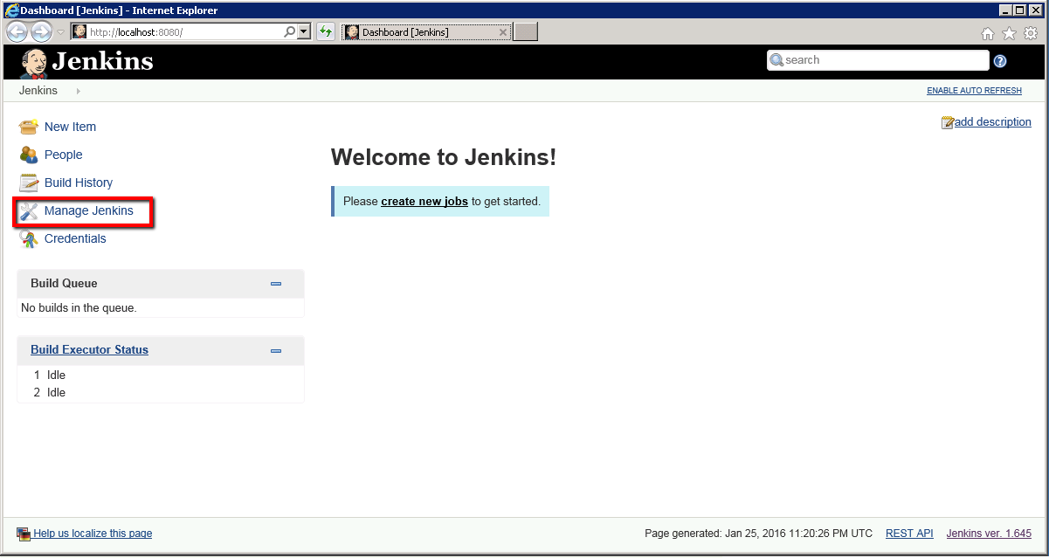

 |  |  |  |  | Figure 8. Start Using Jenkins

 | Sources:

 |  | https://jenkins.io/doc/book/getting-started/installing/

return to Title Page

Functionality
return to Title Page

 | Functionality of Jenkins

 |  | This section covers the basic functionality of Jenkins such as navigating on the dashboard and the key areas on using Jenkins.

 |  | Jenkins Dashboard
 |  |  | The dashboard is accessible using any available web browser. The operating port by default is port 8080 but for this example, port 28080 is used via a port forwarding rule. This section aims to explain the key areas for using Jenkins.

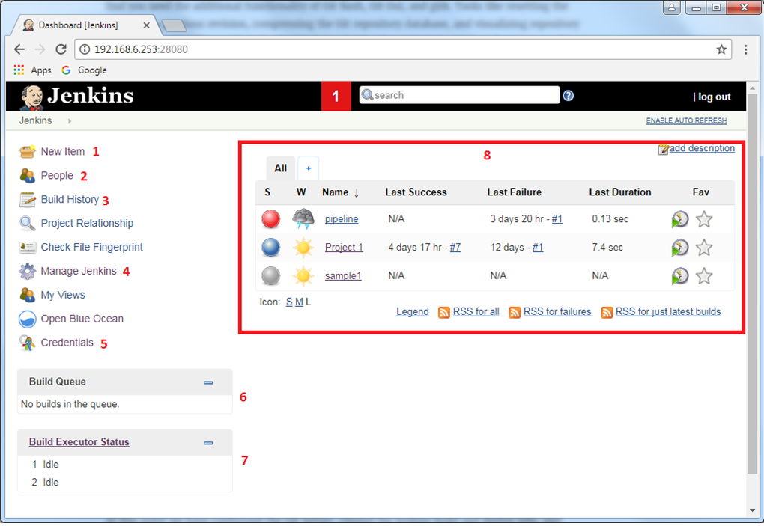

 |  |  |  |  | Figure 9. Jenkins dashboard

 |  |  | 1 | New Item
 |  |  |  | Allows users to create new jobs for Jenkins. The type of projects/jobs that can selected from here would depend on what plugins have been installed (e.g. Maven project would appear if the Maven plugin is installed).

 |  |  | 2 | People
 |  |  |  | Provides a list of all users in the Jenkins system including their last activity.

 |  |  | 3 | Build History
 |  |  |  | A visual timeline representation for all jobs and projects that ran on Jenkins.

 |  |  | 4 | Manage Jenkins
 |  |  |  | Configures the different components of Jenkins. Since this covers a large area, details will be discussed in the next section.

 |  |  | 5 | Credentials
 |  |  |  | Allows the user to see the available credentials for Jenkins to be used for different services (e.g. access to SCM and others)

 |  |  | 6 | Build Queue
 |  |  |  | Real-time status for all running and queued builds on Jenkins. Status details can be viewed upon clicking on the status bar of the running job.

 |  |  | 7 | Build Executor Status
 |  |  |  | Real-time status for all master and slave nodes running. By default, Jenkins is installed in master mode but can be updated to run as child nodes if you want to enable distributed builds.

 |  |  | 8 | Projects/Jobs section
 |  |  |  | Displays the available jobs/projects defined in Jenkins including recent data on last build status, aggregated status of recent builds and when last failure and success was achieved.

 |  | Managing Jenkins
 |  |  | This section manage the different components of Jenkins. Similar to New Item, some items here might appear depending on the plugins install. While there are lot of components here, we will only discuss the most commonly used items for Jenkins.

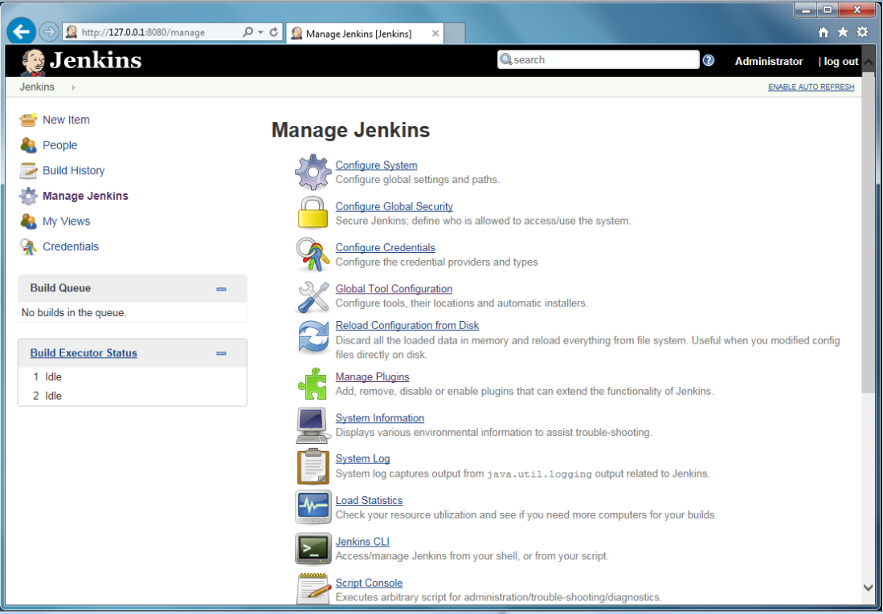

 |  |  |  |  | Figure 10. Manage Jenkins page

 |  |  | Configure System
 |  |  | This configures the global settings and paths for Jenkins. Typically some of the information here would be the same information when the Jenkins is first installed and set up.

 |  |  | Configure Global Security
 |  |  | Manages the security configuration for the Jenkins system like access control and access level for users and groups.

 |  |  | Global Tool Configuration
 |  |  | Manages the instances of the global tools that are being used with Jenkins (e.g. Java SDK, Maven, Git, SVN and etc).

 |  |  | Manage Plugins
 |  |  | Add, remove, disable or enable plugins on Jenkins. It allows to see what plugin updates are available. The HTTP proxy settings can also be configured here (Advanced Tab).

 |  |  | System Information
 |  |  | Displays the system properties, environment variables and plugins installed.

 |  |  | Jenkins CLI
 |  |  | List the commands that can be use if the user prefer to access Jenkins via remote CLI.

 |  |  | Manage Users
 |  |  | Manages user accounts for the Jenkins system. By default there are no groupings for the type of users but permissions can be set to each user in Configure Global Security. Alternatively, the user can install the Role Strategy Plugin so that it can define roles for the sets of users.

 |  |  | Prepare for Shutdown
 |  |  | Prevents the execution of new builds. Any running builds will still continue to execute until they are completed. The user will still need to manually restart Jenkins either by shell/command prompt or the using the RESTLESS API url (http://<host>:port/restart).

 | Sources:

 |  | Jenkins IO |  | https://jenkins.io/doc/book/managing/

return to Title Page

