Sheet1
2025 MBW@TVG
Event |  | One |  | Two |  | Three |  | Four
 |  | 10&U 50/100 Free | 6&U Free, 100/200 Medley Relay | 25/50 Free | 25/50 Breast | 6&U Back, 100 IM | 25/50 Back | 25/50 Fly | 100/200 Free Relay
NUMBER |  | 1 - 6 | 7 - 18 | 19 - 30 | 31 - 40 | 41 - 50 | 51 - 60 | 61 - 70 | 71 - 80

Deck Referee | Start End | Andrew | Matt | JOHN | Mac | Andrew | Matt | JOHN | Mac
Starter | Start End | Robbie | JOHN | Jeremy | JOHN | Robbie | JOHN | Jeremy | JOHN
Finish Judge | Finish End | Sam | Andrew | Matt | Robbie | Mac | Andrew | Matt | Oscar
verifying | Airconditioning |  |  |  | Andrew | JOHN | Mac | Mac | Matt
Quad Start 1-3 | Lane 2, Start End | (Referee) | Mac | Brian | Matt | Brian | Harry | Robert
Quad Start 4-6 | Lane 5, Start End | (Referee) | Harry | Korrie | Robert | Oscar | Robert | Harry
Quad Bulk 1-3 | Lane 2 Bulk End | Jeremy | Oscar | Robbie | Brian | Harry | Korrie | Andrew
Quad Bulk 4-6 | Lane 5 Bulk End | Brian | Sam | Harry | Korrie | Jeremy | Oscar | Brian
DQ Writer 1-3 | Lane 2, Finish End | Korrie | Jeremy | Mac | Harry | Robert | Jeremy | Oscar | Robert
DQ Writer 4-6 | Lane 5, Finish End | (Korrie) | (Harry) | (Mac) | Oscar | Matt | (Jeremy) | Korrie | (Robert)
RTO Start 1-6 | Lane 1, Start End |  | Robert |  |  |  |  |  | Jeremy
RTO Start 1-6 | Lane 6, Start End |  | Brian |  |  |  |  |  | Robbie
RTO Bulk 1-6 | Lane 1, Bulk End |  | Korrie |  |  |  |  |  | Korrie
RTO Bulk 1-6 | Lane 6, Bulk End |  | Robbie |  |  |  |  |  | Brian

* denotes provisional official

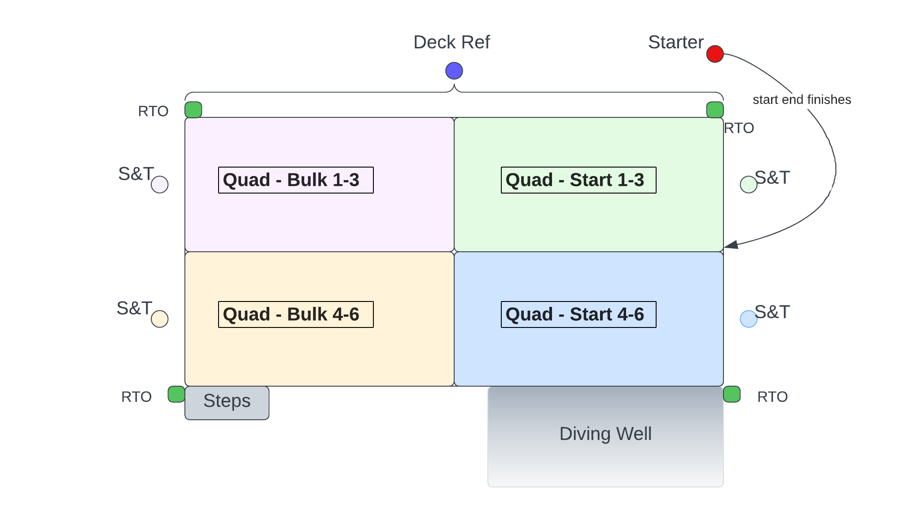
Jurisdiction
Deck Referee | Entire pool with discretion
Starter | Start end finishes
Turn/Finish | Nearest quadrant stroke + turn + finish
RTO | All six lanes

* Coverage is Quadrants, no walking the sides today
* Deck Ref is also serves as the Finish Judge
* Any names in parenthesis are covering two positions concurrently

