Sheet1
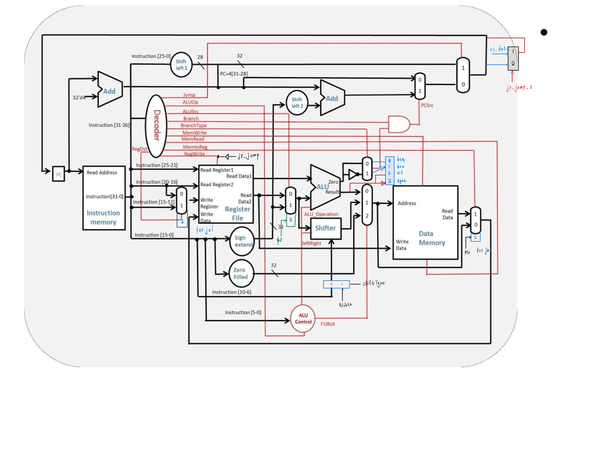
Table 1. Decoder |  |  |  |  |  |  |  |  |  |  |  | Table 2. ALU Ctrl
 |  |  |  |  |  |  |  |  |  |  |  |  |  | ALUoperation | shiftType | jr_jump | leftwrite | FURslt
Instruction |  | Jump | ALUop | ALUSrc | Branch | BranchType | MemWrite | MemRead | MemtoReg | RegWrite | RegDst | ALUop
R-type | 6'b000000 | 0 | 2'b10 | 0 | 0 | x | 0 | x | 0 | 1 | 1 | lw | 2'b00 | 4'b0010 | x | 0 | x | 0
Jr | 6'b000000 | 0 | 2'b10 | 0 | 0 | x | 0 | x | 0 | 1 | 1 | beq | 2'b01 | 4'b0110 | x | 0 | x | x
 |  |  |  |  |  |  |  |  |  |  |  | blt | 2'b11 | 4'b0111 | x | 0 | x | x
lw | 6'b011000 | 0 | 2'b00 | 1 | 0 | x | 0 | 1 | 1 | 1 | 0
sw | 6'b101000 | 0 | 2'b00 | 1 | 0 | x | 1 | x | x | 0 | x | func
beq | 6'b011001 | 0 | 2'b01 | 0 | 1 | 0 | 0 | x | x | 0 | x | add | 6'b100011 | 4'b0010 | x | 0 | x | 0
bne | 6'b011010 | 0 | 2'b01 | 0 | 1 | 1 | 0 | x | x | 0 | x | sub | 6'b010011 | 4'b0110 | x | 0 | x | 0
addi | 6'b010011 | 0 | 2'b00 | 1 | 0 | x | 0 | x | 0 | 1 | 0 | and | 6'b011111 | 4'b0000 | x | 0 | x | 0
 |  |  |  |  |  |  |  |  |  |  |  | or | 6'b101111 | 4'b0001 | x | 0 | x | 0
jump | 6'b001100 | 1 | x | x | 0 | x | 0 | x | x | 0 | x | nor | 6'b010000 | 4'b1100 | x | 0 | x | 0
jal | 6'b001111 | 1 | x | x | 0 | x | 0 | x | 2 | 1 | 2 | slt | 6'b010100 | 4'b0111 | x | 0 | x | 0
 |  |  |  |  |  |  |  |  |  |  |  | sll | 6'b010010 | x | 0 | 0 | 1 | 1
blt | 6'b011100 | 0 | 2'b11 | 0 | 1 | 2 | 0 | x | x | 0 | x | srl | 6'b100010 | x | 0 | 0 | 0 | 1
bnez | 6'b011101 | 0 | 2'b01 | 2 | 1 | 1 | 0 | x | x | 0 | x | sllv | 6'b011000 | x | 1 | 0 | 1 | 1
bgez | 6'b011110 | 0 | 2'b11 | 2 | 1 | 3 | 0 | x | x | 0 | x | slrv | 6'b101000 | x | 1 | 0 | 0 | 1

 |  |  |  |  |  |  |  |  |  |  |  | jr | 6'b000001 | x | x | 1 | x | x
Note
1 | branchType | blt = 2 | bgez = 3
2 | bnez and bgez | ALUSrc = 2
3 | jal | RegDst = 2 |  |  |  |  |  |  |  |  |  | Note
4 | addi | ALUop = 0 | has the same ALU operation as lw |  |  |  |  |  |  |  |  | 1 | Read Register to jr
5 | ALUSrc=2 | always $zero

