PARAM
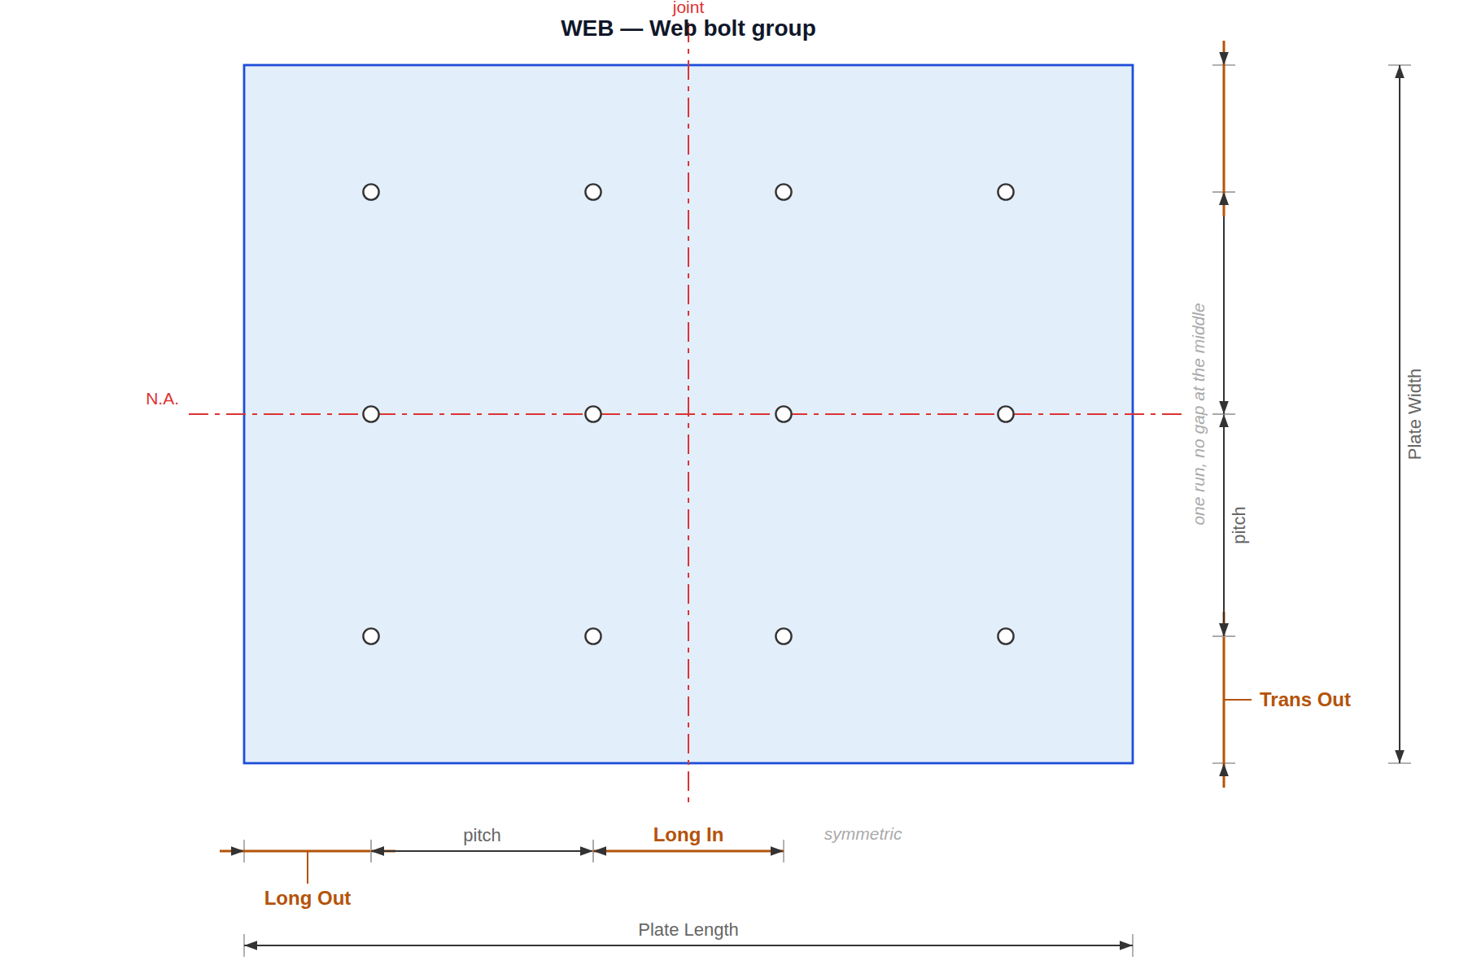
BOLTED SPLICE
Fill in the blue cells. Everything else follows — the input tab is written from this one, and nothing on it needs touching.

1. MEMBER AND JOINT | pick a section and the sizes fill themselves in
 | Section | H | B | t1 web | t2 flange | r | kg/m | Length
Member | H-900x300x16x28 r18 | 900 | 300 | 16 | 28 | 18 | 240 | 1800
Joint gap | 20
One section, spliced to itself — both sides of the joint are the same member, so there is one row to fill in and Length is the reach of each side. Each side is drawn as three plates — top flange, bottom flange, web — because a rolled section cannot be drilled: a CUT on a SECT cuts its whole length. Root fillets are modelled as eight fillet strips.

checked for you | clear web depth | 844 | member centre at ± | 910

2. SPLICE PLATES | width across, length along the beam
 | Width | Length | Thick | Qty | Material
Top plate | 280 | 300 | 12 | 1 | SM355
Top inner plate | 110 | 300 | 10 | 2 | SM355
Web plate | 220 | 280 | 10 | 2 | SM355
Bottom inner plate | 110 | 300 | 10 | 2 | SM355
Bottom plate | 280 | 300 | 12 | 1 | SM355

checked for you | plate steel, kg | 35.9

3. BOLTS | the shank and the hole are different sizes
 | Bolt dia | Hole dia | Grade | Flange bolt L | Web bolt L
Bolt | 22 | 24 | F10T | 80 | 66

bolt group | Long N | In | Out | Trans N | In | Out
Top flange | 4 | 70 | 40 | 4 | 100 | 35
Web | 4 | 60 | 40 | 3 | 0 | 40
Bottom flange | 4 | 70 | 40 | 4 | 100 | 35
Long = along the beam, Trans = across the flange or through the web depth. In is the gap left in the middle, Out the edge distance. The web opens with Trans In = 0: its bolts run right through the depth with no gap at the neutral axis.
checked for you | flange pitch | 75 / 55 | web pitch | 70 / 70 | bolts | 44

4. WHAT THE NUMBERS MEAN | the same drawings, to the sizes above

The joint in plan — one section either side, and the gap between
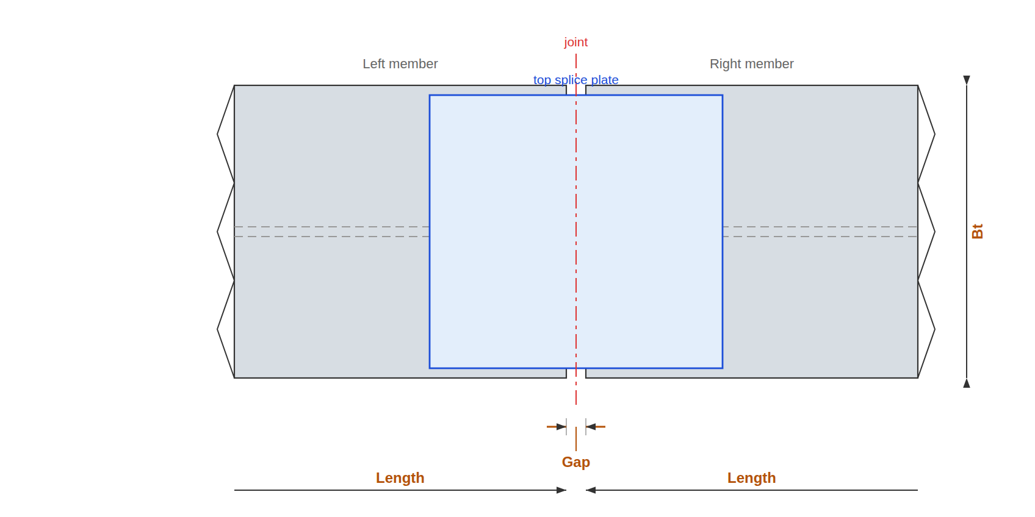

The section at the joint — which plate goes where
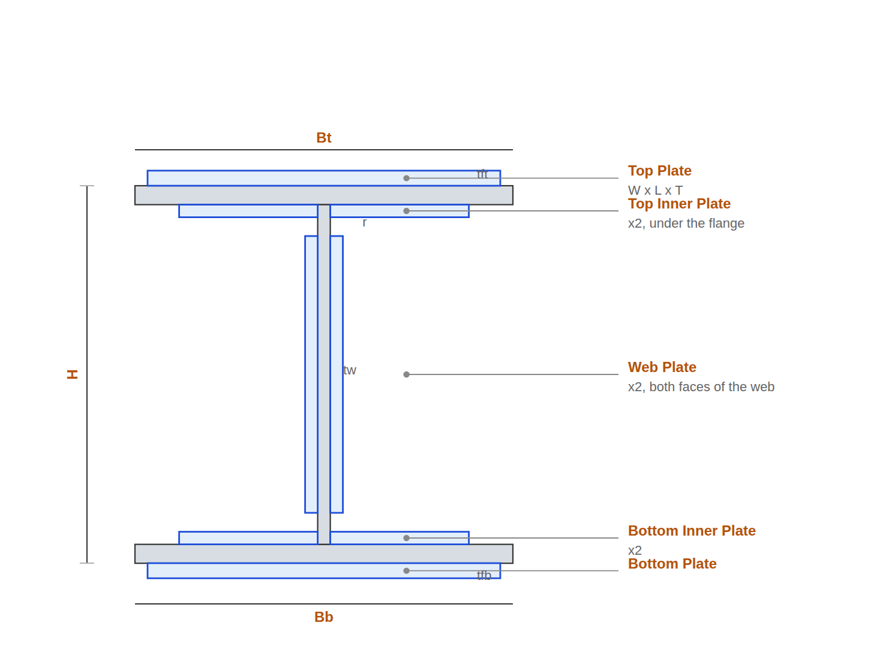

Top flange and Bottom flange bolt groups
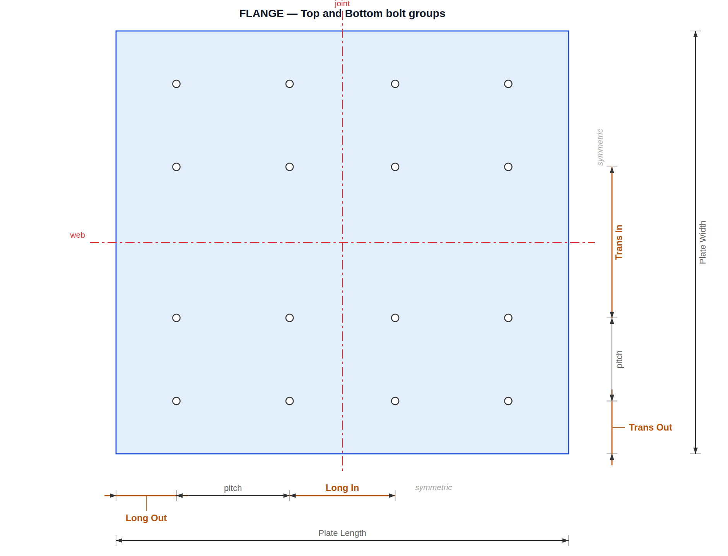

Web bolt group — Trans In is 0, so the depth is one run

