PARAM
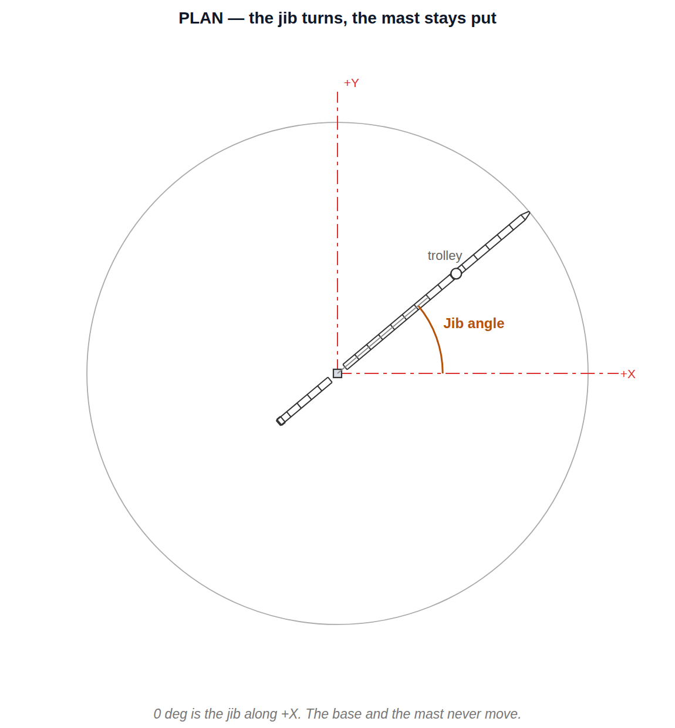
TOWER CRANE
Fill in the blue cells. Everything else follows — the input tab is written from this one, and nothing on it needs touching.

1. MAST | how tall the tower stands — panel count is the height
 | Panel ht | Panels | Foot lvl | A-frame ht | Mast top | Apex | Overall
Mast | 2400 | 15 | 1000 | 9630 | 37000 | 47000 | 47860
Panels is the only cell that changes the height — the slewing deck, the tower head, the jib, the counter-jib and the hoist all ride on Mast top. Head ht is measured from the deck to the apex, so the A-frame keeps its shape at any tower height.
checked for you | panels | ok 15 | overall | 47.9 m

2. JIB AND TAIL | how far it reaches — bay count is the radius
 | Bay | Bays | Root | Tip | End | Radius | Bottom chord
Jib | 3000 | 15 | 1900 | 1600 | 46900 | 48500 | 38140
Counter-jib | 2600 | 5 | 1900 | — | -14900 | 14900
Bays is the only cell that changes the reach. The jib tip module, the pendant hang points and the trolley limit are all worked out from End — nothing on the input tab is written to a fixed radius.
checked for you | pendant at | 21400 / 45400 | radius | 48.5 m

3. HOIST | where the trolley parks and how far the hook hangs
 | Trolley R | Hook drop |  |  | Trolley lvl | Hook lvl | Ground clr
Hoist | 10000 | 5000 |  |  | 40020 | 35020 | 33110
Hook drop is the rope, measured down from the trolley — so the hook keeps the same drop when the tower grows, which is what you want when the two are animated together. Both the hook module and the four falls of rope read this one cell.
checked for you | trolley | ok | hook | ok

4. JIB SLEW | which way the jib points — the mast stays put
 | Jib angle ° |  |  |  | cos | sin | Jib points
Jib slew | 0 |  |  |  | 1.000000 | 0.000000 | 0° from +X
The jib turns, and everything that rides with it: counter-jib, counterweight, tower head, cab, machinery deck, pendants, trolley and hook — the slewing deck and all of it above the bearing. The base and the mast do not move. The axis is the mast centre line, so 0 deg is the jib along +X.

5. WHAT THE NUMBERS MEAN | the same cells, drawn where they act

Elevation — every blue cell, dimensioned where it acts
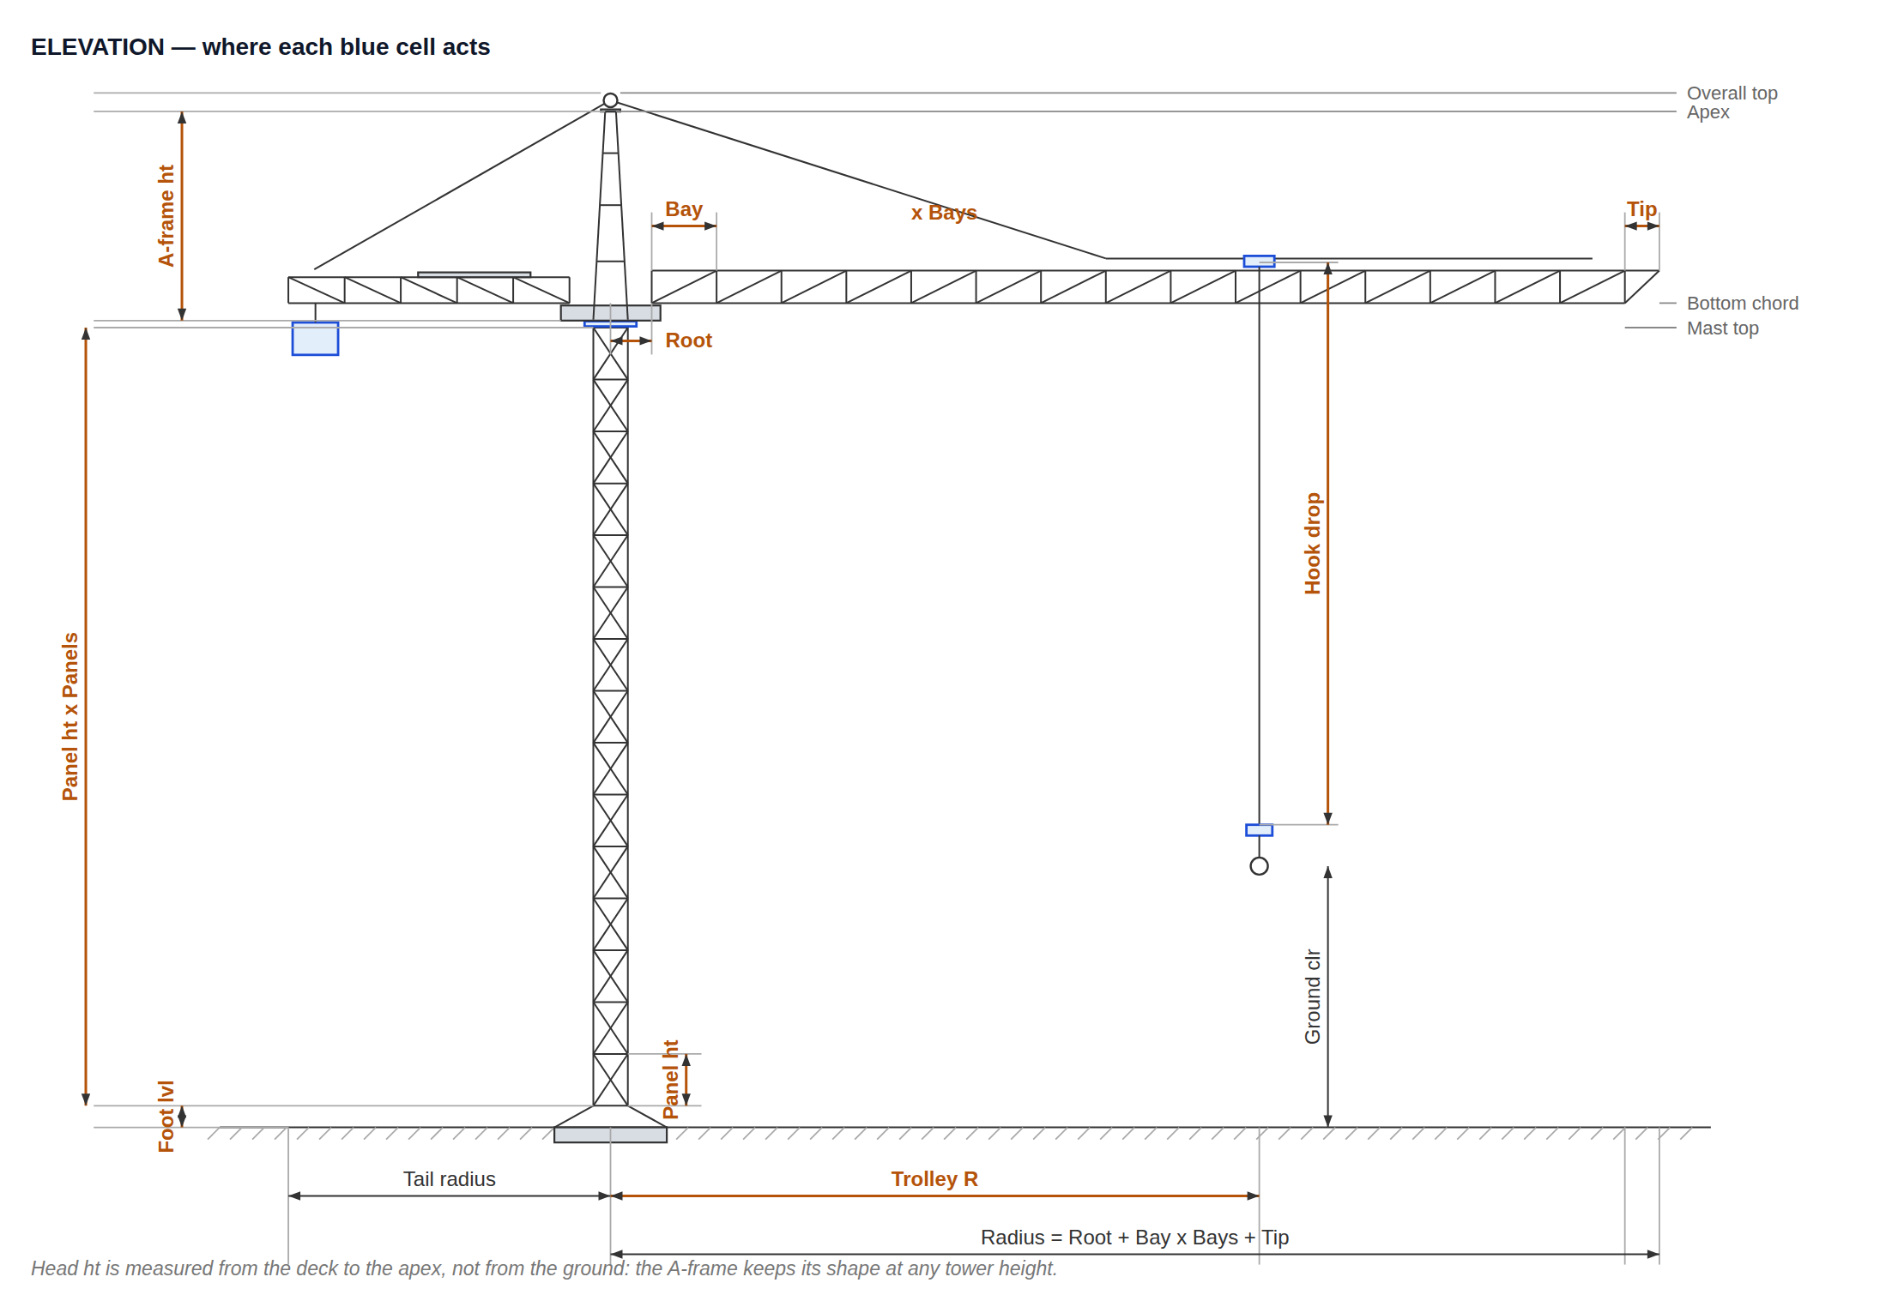

Plan — the jib angle, drawn here at 40°

