Info
cap_shape (Purhonen et al., 2019) | cap_shape (Abrego et a., 2017) | Guild | Sap guild | Height units | Cap units | Spore units | Basidia units | Spore orn | Spore pig | Spore shape (Calhim et al., 2018)
discomycetoid | agaricoid (inc. pleurotoid (oyster-like)) | EM | wood | mm | mm | μm | μm | y | hyaline | fusiform = broader in the middle
agaricoid | res = resupinate_corticoid | SAP | soil |  |  |  |  | n |  | globose = round - roundish
pileate | discomycetoid | PATH | litter |  |  |  |  |  |  | cylindrical = broadly eliptical
pyrenomycetoid | pilcort = pileate_corticoid | DUAL = SAP/PATH (*Change name at the end*) |  |  |  |  |  |  |  | allantoid = sausage shaped
ramarioid | pilpoly = pileate polyporoid |  |  |  |  |  |  |  |  | elongated = includes vermiform, filiform, sinuous, cucumber, boomerang and stocking-shaped
resupinate | respoly = resupinate_polyporoid |  |  |  |  |  |  |  |  | irregular = includes stellate, triangular, polygonal…
stromatoid | ramarioid
none | stromatoid
 | tremelloid
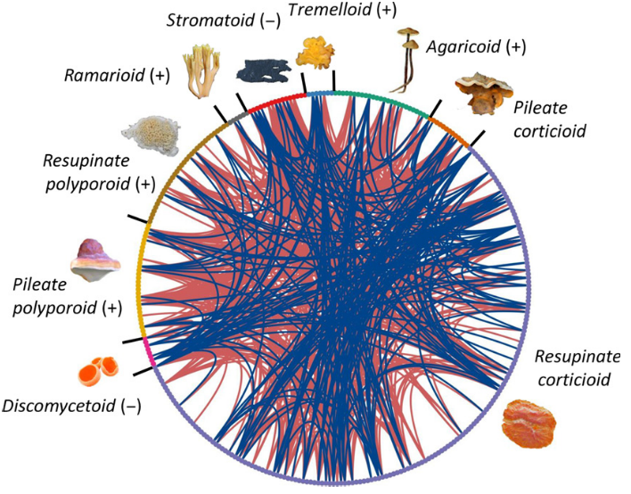

Search=
bp>600
multiple rRNA genes
some complete seqs
voucher specimen

