Sheet3
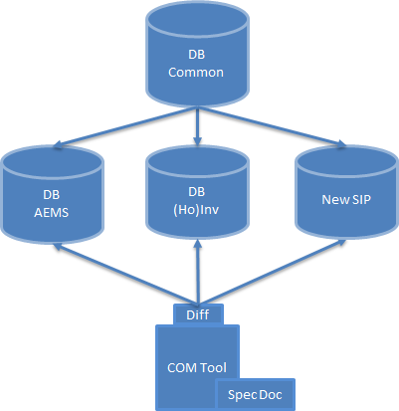
"I. All the parameters of each module that are included in the configuration file stored in the installated folder of each SIP: - Example for Can module of A-EMS of SIP CBD1700338_D01: + File configuration is: Can_Sh2RscanAsr_bswmd.arxml + Stored in the folder "C:\Vector\CBD1700338_D01_Rh850\BSWMD\Can". II. This tool will get all the paremeters of each module in corresponding configuration file in its folder to analysis.

parameter_file_creation tool
parameter_diff tool

SIP1: Msn_bswmd.arxml
Read information container/ sub-container /parameter from Msn_bswmd.arxml

List container/sub-container/parameter of SIP1
SIP1: Msn_bswmd.xlsx

SIP2: Msn_bswmd.arxml
Read information container/ sub-container /parameter from Msn_bswmd.arxml
Read List container/sub-container/parameter of SIP1

List container/sub-container/parameter of SIP2
SIP2: Msn_bswmd.xlsx

SIPn: Msn_bswmd.arxml
Read information container/ sub-container /parameter from Msn_bswmd.arxml
Read List container/sub-container/parameter of SIP2

List container/sub-container/parameter of SIPn
SIPn: Msn_bswmd.xlsx

Read List container/sub-container/parameter of SIPn
List common container/sub-container/parameter
Database Common

List individual container/sub-container/parameter of SIP1
Database individual SIP1

List individual container/sub-container/parameter of SIP2
Database individual SIP2

List individual container/sub-container/parameter of SIP2
Database individual SIPn

