F02.CFG-Paths
do not print this form | VVSS, Info Romana, 2018-2019

F02. cautarea filmelor care au un anumit regizor (sau parti din numele regizorului).

F02. Covered source code |  | F02. Control Flow Graph (CFG) | F02. Cyclomatic Complexity (CC)
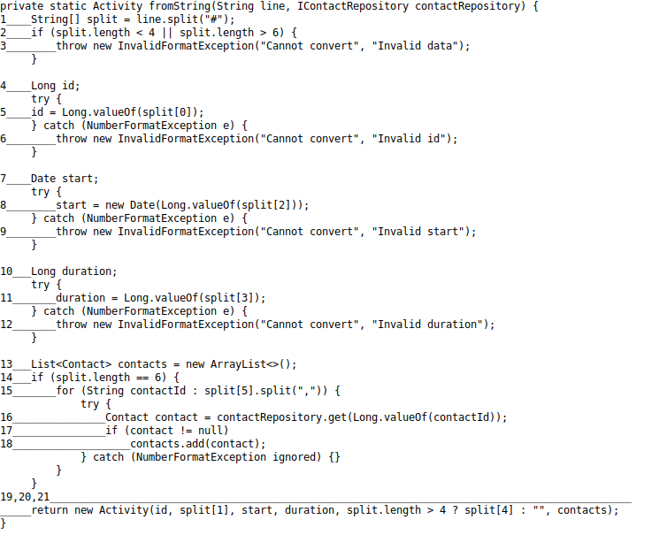
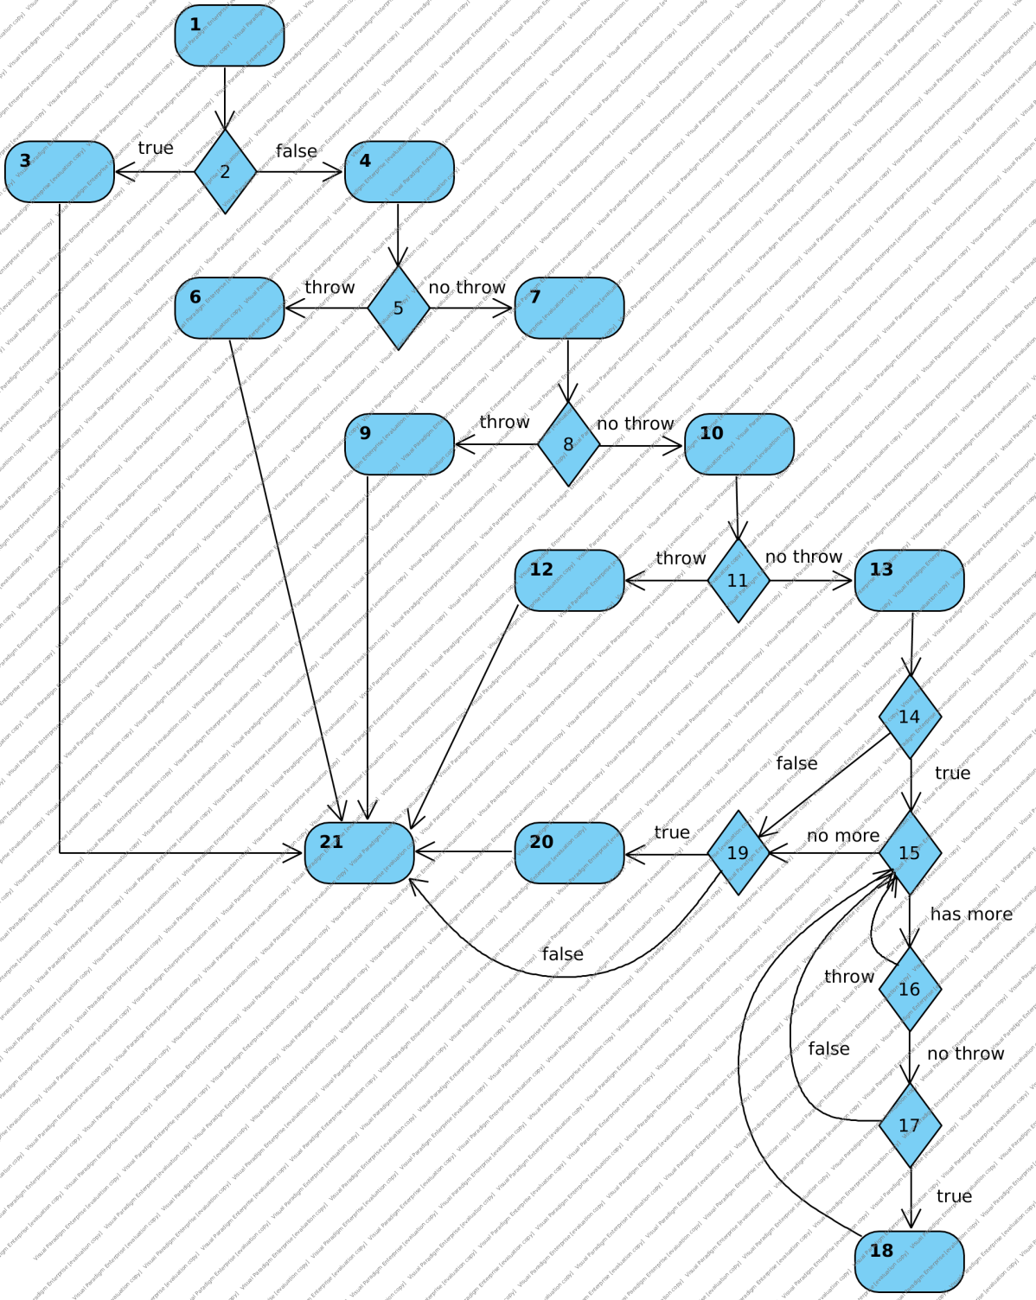
 |  |  | CC1 = No. of regions = |  | 10
 |  |  | CC2 = Edges - Nodes + 2 = |  | 29-21+2=10
 |  |  | CC3 = No. of Conditions + 1 = |  | 9+1

 |  |  | F02. Individual Paths

 |  |  | Path No. | Path
 |  |  | F02_P01 | 1 - 2(T) - 3 - 21
 |  |  | F02_P02 | 1 - 2(F) - 4 - 5(T) - 6 - 21
 |  |  | F02_P03 | 1 - 2(F) - 4 - 5(N) - 7 - 8(T) - 9 - 21
 |  |  | F02_P04 | 1 - 2(F) - 4 - 5(N) - 7 - 8(N) - 10 - 11(T) - 12 - 21
 |  |  | F02_P05 | 1 - 2(F) - 4 - 5(N) - 7 - 8(N) - 10 - 11(N) - 13 - 14(T) - 15(H) - 16(N) - 17(T) - 18 - 15(N) - 19(T) - 20 - 21

