baseline_allowance_original
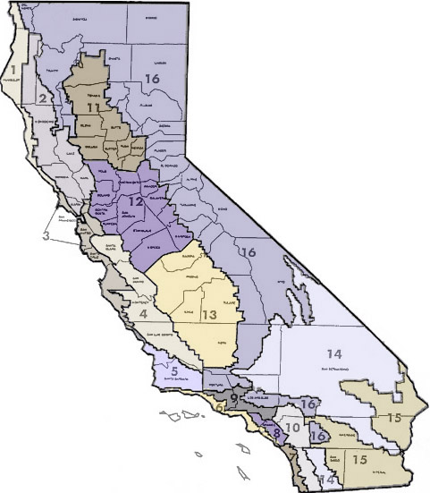
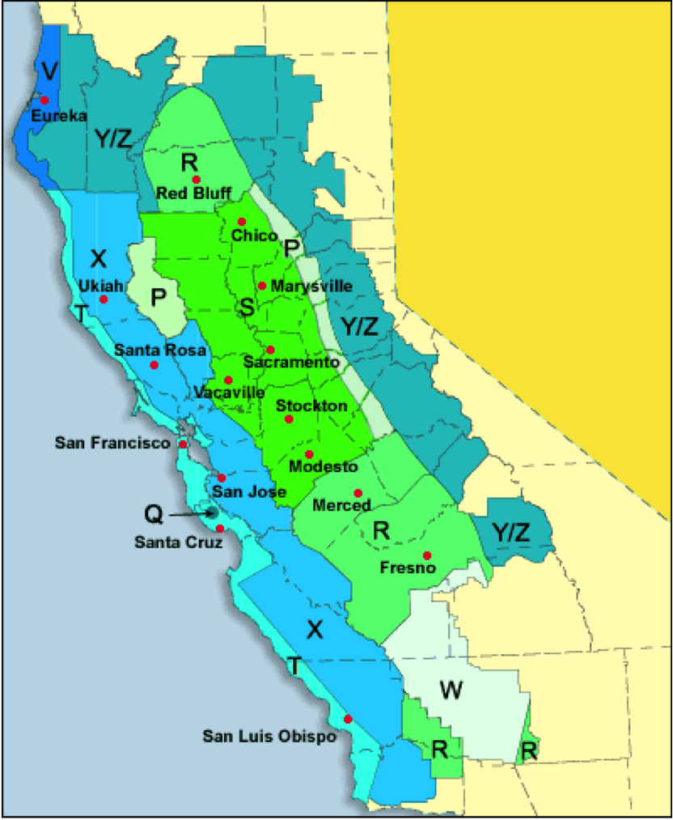
utility | utility_baseline_territory | climate_zone | summer_baseline_allowance | winter_baseline_allowance
PGE | P | 2,16 | 13.5 | 11
 | Q | 3 | 9.8 | 11 | 3
 | R | 12,13 | 17.7 | 10.4 | 13
 | S | 11,12 | 15 | 10.2 | 11
 | T | 3 | 6.5 | 7.5 | 3
 | V | 1 | 7.1 | 8.1 | 1
 | W | 13 | 19.2 | 9.8 | 13
 | X | 2,4,12 | 9.8 | 9.7 | 4
 | Y | 16 | 10.5 | 11.1
 | Z | 16 | 5.9 | 7.8
SCE | 5 | 5 | 17 | 18.4
 | 6 | 6 | 11.4 | 11
 | 8 | 8 | 12.8 | 10.3
 | 9 | 9 | 16.9 | 12
 | 10 | 10 | 19.3 | 12.1
 | 13 | 13 | 22.2 | 12.2
 | 14 | 14 | 19.2 | 11.9
 | 15 | 15 | 45 | 9.7
 | 16 | 16 | 14.7 | 12.4
SDGE | Coastal | 7 | 11.7 | 11.966666667
 | Inland | 10 | 13.533333333 | 12.466666667
 | Mountain | 14 | 17.666666667 | 16.766666667
 | Desert | 15 | 20.666666667 | 14.166666667

