UTS COMPARISON
Ultimate Tensile Strength Comparison
AISI 1018 | 440
AISI 1020 | 420
AISI 1045 | 620
AISI 4140 | 950
AISI 4340 | 1080
EN8 | 620
EN24 | 850
D2 Tool Steel | 860
H13 Tool Steel | 930
SS304 | 515
SS316 | 515
SS410 | 480
Aluminium 6061 | 310
Aluminium 7075 | 570
Titanium Grade 5 | 950
Copper | 220
Brass | 380
Bronze | 450
Inconel 718 | 1240
Cast Iron | 240

HARDNESS COMPARISON
Brinell Hardness Comparison
AISI 1018 | 126
AISI 1020 | 120
AISI 1045 | 170
AISI 4140 | 285
AISI 4340 | 320
EN8 | 180
EN24 | 248
D2 Tool Steel | 620
H13 Tool Steel | 510
SS304 | 201
SS316 | 217
SS410 | 190
Aluminium 6061 | 95
Aluminium 7075 | 150
Titanium Grade 5 | 349
Copper | 45
Brass | 100
Bronze | 120
Inconel 718 | 363
Cast Iron | 210

DENSITY COMPARISON
Density Comparison
AISI 1018 | 7.87
AISI 1020 | 7.87
AISI 1045 | 7.85
AISI 4140 | 7.85
AISI 4340 | 7.83
EN8 | 7.85
EN24 | 7.83
D2 Tool Steel | 7.7
H13 Tool Steel | 7.8
SS304 | 8
SS316 | 8
SS410 | 7.75
Aluminium 6061 | 2.7
Aluminium 7075 | 2.81
Titanium Grade 5 | 4.43
Copper | 8.96
Brass | 8.5
Bronze | 8.8
Inconel 718 | 8.19
Cast Iron | 7.2

YOUNG'S MODULUS COMPARISON
Young's Modulus Comparison
AISI 1018 | 205
AISI 1020 | 205
AISI 1045 | 210
AISI 4140 | 210
AISI 4340 | 210
EN8 | 210
EN24 | 210
D2 Tool Steel | 210
H13 Tool Steel | 210
SS304 | 193
SS316 | 193
SS410 | 200
Aluminium 6061 | 69
Aluminium 7075 | 72
Titanium Grade 5 | 114
Copper | 117
Brass | 100
Bronze | 110
Inconel 718 | 200
Cast Iron | 170

DENSITY vs UTS
Density vs Ultimate Tensile Strength
7.87 | 440
7.87 | 420
7.85 | 620
7.85 | 950
7.83 | 1080
7.85 | 620
7.83 | 850
7.7 | 860
7.8 | 930
8 | 515
8 | 515
7.75 | 480
2.7 | 310
2.81 | 570
4.43 | 950
8.96 | 220
8.5 | 380
8.8 | 450
8.19 | 1240
7.2 | 240

DASHBOARD
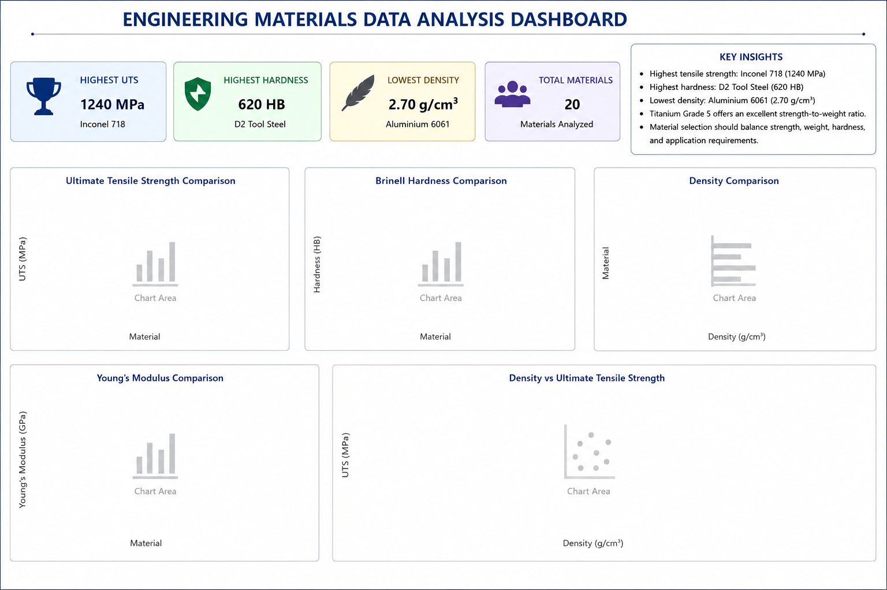

Ultimate Tensile Strength Comparison
AISI 1018 | 440
AISI 1020 | 420
AISI 1045 | 620
AISI 4140 | 950
AISI 4340 | 1080
EN8 | 620
EN24 | 850
D2 Tool Steel | 860
H13 Tool Steel | 930
SS304 | 515
SS316 | 515
SS410 | 480
Aluminium 6061 | 310
Aluminium 7075 | 570
Titanium Grade 5 | 950
Copper | 220
Brass | 380
Bronze | 450
Inconel 718 | 1240
Cast Iron | 240
Brinell Hardness Comparison
AISI 1018 | 126
AISI 1020 | 120
AISI 1045 | 170
AISI 4140 | 285
AISI 4340 | 320
EN8 | 180
EN24 | 248
D2 Tool Steel | 620
H13 Tool Steel | 510
SS304 | 201
SS316 | 217
SS410 | 190
Aluminium 6061 | 95
Aluminium 7075 | 150
Titanium Grade 5 | 349
Copper | 45
Brass | 100
Bronze | 120
Inconel 718 | 363
Cast Iron | 210
Density Comparison
AISI 1018 | 7.87
AISI 1020 | 7.87
AISI 1045 | 7.85
AISI 4140 | 7.85
AISI 4340 | 7.83
EN8 | 7.85
EN24 | 7.83
D2 Tool Steel | 7.7
H13 Tool Steel | 7.8
SS304 | 8
SS316 | 8
SS410 | 7.75
Aluminium 6061 | 2.7
Aluminium 7075 | 2.81
Titanium Grade 5 | 4.43
Copper | 8.96
Brass | 8.5
Bronze | 8.8
Inconel 718 | 8.19
Cast Iron | 7.2

Young's Modulus Comparison
AISI 1018 | 205
AISI 1020 | 205
AISI 1045 | 210
AISI 4140 | 210
AISI 4340 | 210
EN8 | 210
EN24 | 210
D2 Tool Steel | 210
H13 Tool Steel | 210
SS304 | 193
SS316 | 193
SS410 | 200
Aluminium 6061 | 69
Aluminium 7075 | 72
Titanium Grade 5 | 114
Copper | 117
Brass | 100
Bronze | 110
Inconel 718 | 200
Cast Iron | 170
Density vs Ultimate Tensile Strength
7.87 | 440
7.87 | 420
7.85 | 620
7.85 | 950
7.83 | 1080
7.85 | 620
7.83 | 850
7.7 | 860
7.8 | 930
8 | 515
8 | 515
7.75 | 480
2.7 | 310
2.81 | 570
4.43 | 950
8.96 | 220
8.5 | 380
8.8 | 450
8.19 | 1240
7.2 | 240

