PROCESSED
15 Ss | Correct Answer | A | B | C | D | E | F | G | H | I | J | K | L | M | N | O | # CORRECT | SUM | Subject | A | B | C | D | E | F | G | H | I | J | K | L | M | N | O
1 | 1 | 1 | 1 | 2 | 1 | 1 | 1 | 1 | 1 | 1 | 1 | 1 | 2 | 1 | 1 | 1 | 13 | 1 | Q3 | 1 | 1 | 0 | 1 | 1 | 1 | 1 | 1 | 1 | 1 | 1 | 0 | 1 | 1 | 1
2 | 2 | 2 | 2 | 2 | 2 | 2 | 2 | 2 | 2 | 2 | 2 | 2 | 1 | 2 | 2 | 2 | 14 | 1 | Q4 | 1 | 1 | 1 | 1 | 1 | 1 | 1 | 1 | 1 | 1 | 1 | 0 | 1 | 1 | 1
3 | 3 | 3 | 3 | 3 | 3 | 3 | 3 | 3 | 3 | 3 | 3 | 3 | 3 | 3 | 3 | 3 | 15 | 1 | Q6 | 1 | 1 | 1 | 1 | 1 | 1 | 1 | 1 | 1 | 1 | 1 | 1 | 1 | 1 | 1
4 | 2 | 2 | 2 | 1 | 2 | 2 | 2 | 2 | 2 | 2 | 2 | 1 | 1 | 2 | 2 | 2 | 12 | 1 | Q8 | 1 | 1 | 0 | 1 | 1 | 1 | 1 | 1 | 1 | 1 | 0 | 0 | 1 | 1 | 1
5 | 2 | 2 | 1 | 2 | 4 | 3 | 2 | 2 | 5 | 4 | 4 | 4 | 1 | 2 | 4 | 3 | 5 | 1 | Q9 | 1 | 0 | 1 | 0 | 0 | 1 | 1 | 0 | 0 | 0 | 0 | 0 | 1 | 0 | 0
6 | 3 | 2 | 1 | 2 | 1 | 2 | 2 | 1 | 2 | 1 | 1 | 1 | 2 | 2 | 1 | 2 | 0 | 1 | Q10 | 0 | 0 | 0 | 0 | 0 | 0 | 0 | 0 | 0 | 0 | 0 | 0 | 0 | 0 | 0
7 | 2 | 2 | 3 | 1 | 3 | 1 | 2 | 1 | 2 | 1 | 2 | 1 | 1 | 2 | 2 | 2 | 7 | 1 | Q11 | 1 | 0 | 0 | 0 | 0 | 1 | 0 | 1 | 0 | 1 | 0 | 0 | 1 | 1 | 1
8 | 1 | 1 | 1 | 1 | 1 | 1 | 1 | 1 | 1 | 1 | 2 | 1 | 2 | 1 | 1 | 1 | 13 | 1 | Q12 | 1 | 1 | 1 | 1 | 1 | 1 | 1 | 1 | 1 | 0 | 1 | 0 | 1 | 1 | 1
9 | 1 | 1 | 1 | 1 | 1 | 1 | 1 | 1 | 1 | 2 | 1 | 1 | 1 | 2 | 1 | 1 | 13 | 1 | Q13 | 1 | 1 | 1 | 1 | 1 | 1 | 1 | 1 | 0 | 1 | 1 | 1 | 0 | 1 | 1
10 | 2 | 2 | 2 | 2 | 2 | 2 | 2 | 2 | 2 | 2 | 2 | 1 | 1 | 1 | 2 | 2 | 12 | 1 | Q14 | 1 | 1 | 1 | 1 | 1 | 1 | 1 | 1 | 1 | 1 | 0 | 0 | 0 | 1 | 1
11 | 3 | 3 | 1 | 1 | 3 | 1 | 1 | 3 | 1 | 1 | 3 | 4 | 4 | 3 | 3 | 3 | 7 | 1 | Q15 | 1 | 0 | 0 | 1 | 0 | 0 | 1 | 0 | 0 | 1 | 0 | 0 | 1 | 1 | 1
12 | 2 | 2 | 2 | 1 | 2 | 2 | 2 | 2 | 2 | 2 | 2 | 2 | 1 | 1 | 2 | 2 | 12 | 1 | Q16 | 1 | 1 | 0 | 1 | 1 | 1 | 1 | 1 | 1 | 1 | 1 | 0 | 0 | 1 | 1
13 | 1 | 1 | 1 | 1 | 1 | 1 | 1 | 1 | 1 | 1 | 1 | 1 | 1 | 2 | 1 | 1 | 14 | 1 | Q17 | 1 | 1 | 1 | 1 | 1 | 1 | 1 | 1 | 1 | 1 | 1 | 1 | 0 | 1 | 1
14 | 2 | 2 | 1 | 1 | 2 | 2 | 1 | 2 | 2 | 1 | 2 | 1 | 2 | 2 | 2 | 1 | 9 | 1 | Q18 | 1 | 0 | 0 | 1 | 1 | 0 | 1 | 1 | 0 | 1 | 0 | 1 | 1 | 1 | 0
15 | 1 | 1 | 1 | 1 | 1 | 2 | 1 | 1 | 1 | 1 | 1 | 1 | 1 | 2 | 1 | 1 | 13 | 1 | Q19 | 1 | 1 | 1 | 1 | 0 | 1 | 1 | 1 | 1 | 1 | 1 | 1 | 0 | 1 | 1
16 | 1 | 1 | 1 | 1 | 2 | 1 | 1 | 2 | 2 | 1 | 2 | 1 | 1 | 1 | 1 | 1 | 11 | 1 | Q20 | 1 | 1 | 1 | 0 | 1 | 1 | 0 | 0 | 1 | 0 | 1 | 1 | 1 | 1 | 1
17 | 1 | 1 | 5 | 3 | 1 | 1 | 1 | 1 | 1 | 1 | 5 | 1 | 4 | 1 | 1 | 1 | 11 | 1 | Q21 | 1 | 0 | 0 | 1 | 1 | 1 | 1 | 1 | 1 | 0 | 1 | 0 | 1 | 1 | 1
18 | 2 | 2 | 2 | 1 | 2 | 2 | 2 | 2 | 2 | 2 | 2 | 2 | 2 | 1 | 2 | 2 | 13 | 1 | Q22 | 1 | 1 | 0 | 1 | 1 | 1 | 1 | 1 | 1 | 1 | 1 | 1 | 0 | 1 | 1
19 | 4 | 4 | 4 | 1 | 4 | 4 | 2 | 2 | 4 | 2 | 1 | 1 | 2 | 1 | 2 | 2 | 5 | 1 | Q23 | 1 | 1 | 0 | 1 | 1 | 0 | 0 | 1 | 0 | 0 | 0 | 0 | 0 | 0 | 0
20 | 2 | 2 | 1 | 1 | 2 | 2 | 2 | 2 | 2 | 1 | 1 | 2 | 1 | 1 | 1 | 2 | 8 | 1 | Q25 | 1 | 0 | 0 | 1 | 1 | 1 | 1 | 1 | 0 | 0 | 1 | 0 | 0 | 0 | 1
21 | 1 | 1 | 1 | 2 | 2 | 2 | 1 | 2 | 1 | 1 | 1 | 2 | 1 | 1 | 1 | 1 | 10 | 1 | Q26 | 1 | 1 | 0 | 0 | 0 | 1 | 0 | 1 | 1 | 1 | 0 | 1 | 1 | 1 | 1
22 | 1 | 1 | 1 | 1 | 1 | 1 | 1 | 1 | 1 | 1 | 1 | 1 | 1 | 1 | 2 | 1 | 14 | 1 | Q27 | 1 | 1 | 1 | 1 | 1 | 1 | 1 | 1 | 1 | 1 | 1 | 1 | 1 | 0 | 1
23 | 2 | 2 | 3 | 2 | 1 | 2 | 2 | 2 | 3 | 2 | 2 | 3 | 3 | 2 | 2 | 3 | 9 | 1 | Q28 | 1 | 0 | 1 | 0 | 1 | 1 | 1 | 0 | 1 | 1 | 0 | 0 | 1 | 1 | 0
24 | 2 | 2 | 4 | 1 | 2 | 2 | 2 | 2 | 2 | 2 | 2 | 2 | 1 | 2 | 2 | 2 | 12 | 1 | Q29 | 1 | 0 | 0 | 1 | 1 | 1 | 1 | 1 | 1 | 1 | 1 | 0 | 1 | 1 | 1
25 | 2 | 2 | 2 | 2 | 2 | 2 | 2 | 2 | 2 | 2 | 2 | 2 | 2 | 2 | 2 | 2 | 15 | 1 | Q30 | 1 | 1 | 1 | 1 | 1 | 1 | 1 | 1 | 1 | 1 | 1 | 1 | 1 | 1 | 1
26 | 1 | 1 | 1 | 1 | 3 | 1 | 1 | 1 | 1 | 1 | 1 | 1 | 1 | 1 | 2 | 1 | 13 | 1 | Q31 | 1 | 1 | 1 | 0 | 1 | 1 | 1 | 1 | 1 | 1 | 1 | 1 | 1 | 0 | 1
27 | 1 | 1 | 1 | 1 | 1 | 1 | 1 | 1 | 2 | 1 | 1 | 1 | 1 | 1 | 1 | 1 | 14 | 1 | Q32 | 1 | 1 | 1 | 1 | 1 | 1 | 1 | 0 | 1 | 1 | 1 | 1 | 1 | 1 | 1
28 | 4 | 4 | 5 | 3 | 5 | 5 | 5 | 5 | 3 | 1 | 4 | 5 | 3 | 2 | 5 | 4 | 3 | 1 | Q33 | 1 | 0 | 0 | 0 | 0 | 0 | 0 | 0 | 0 | 1 | 0 | 0 | 0 | 0 | 1
29 | 2 | 2 | 2 | 1 | 3 | 2 | 2 | 2 | 1 | 2 | 2 | 2 | 1 | 1 | 2 | 2 | 10 | 1 | Q34 | 1 | 1 | 0 | 0 | 1 | 1 | 1 | 0 | 1 | 1 | 1 | 0 | 0 | 1 | 1
30 | 1 | 1 | 1 | 1 | 1 | 1 | 1 | 4 | 1 | 4 | 4 | 1 | 2 | 1 | 2 | 1 | 10 | 1 | Q36 | 1 | 1 | 1 | 1 | 1 | 1 | 0 | 1 | 0 | 0 | 1 | 0 | 1 | 0 | 1
31 | 2 | 2 | 2 | 2 | 2 | 2 | 1 | 2 | 2 | 2 | 2 | 2 | 2 | 2 | 2 | 2 | 14 | 1 | Q38 | 1 | 1 | 1 | 1 | 1 | 0 | 1 | 1 | 1 | 1 | 1 | 1 | 1 | 1 | 1
32 | 3 | 3 | 2 | 3 | 4 | 2 | 2 | 4 | 3 | 4 | 4 | 4 | 1 | 2 | 3 | 2 | 4 | 1 | Q39 | 1 | 0 | 1 | 0 | 0 | 0 | 0 | 1 | 0 | 0 | 0 | 0 | 0 | 1 | 0
33 | 5 | 5 | 3 | 3 | 5 | 5 | 5 | 5 | 5 | 5 | 5 | 5 | 1 | 1 | 5 | 2 | 10 | 1 | Q40 | 1 | 0 | 0 | 1 | 1 | 1 | 1 | 1 | 1 | 1 | 1 | 0 | 0 | 1 | 0
34 | 3 | 3 | 4 | 3 | 5 | 2 | 3 | 5 | 3 | 3 | 4 | 4 | 4 | 3 | 3 | 4 | 7 | 1 | Q41 | 1 | 0 | 1 | 0 | 0 | 1 | 0 | 1 | 1 | 0 | 0 | 0 | 1 | 1 | 0
35 | 2 | 2 | 1 | 2 | 5 | 1 | 1 | 2 | 2 | 2 | 1 | 5 | 3 | 1 | 2 | 2 | 7 | 1 | Q42 | 1 | 0 | 1 | 0 | 0 | 0 | 1 | 1 | 1 | 0 | 0 | 0 | 0 | 1 | 1
36 | 1 | 1 | 1 | 2 | 2 | 2 | 2 | 1 | 1 | 1 | 2 | 1 | 1 | 2 | 1 | 1 | 9 | 1 | Q43 | 1 | 1 | 0 | 0 | 0 | 0 | 1 | 1 | 1 | 0 | 1 | 1 | 0 | 1 | 1
37 | 2 | 2 | 1 | 2 | 2 | 2 | 1 | 2 | 2 | 2 | 1 | 1 | 2 | 2 | 2 | 2 | 11 | 1 | Q44 | 1 | 0 | 1 | 1 | 1 | 0 | 1 | 1 | 1 | 0 | 0 | 1 | 1 | 1 | 1
38 | 3 | 3 | 4 | 4 | 4 | 4 | 3 | 4 | 4 | 4 | 4 | 3 | 1 | 4 | 3 | 3 | 5 | 1 | Q45 | 1 | 0 | 0 | 0 | 0 | 1 | 0 | 0 | 0 | 0 | 1 | 0 | 0 | 1 | 1
39 | 3 | 3 | 1 | 1 | 1 | 2 | 1 | 1 | 1 | 1 | 3 | 1 | 1 | 1 | 1 | 1 | 2 | 1 | Q46 | 1 | 0 | 0 | 0 | 0 | 0 | 0 | 0 | 0 | 1 | 0 | 0 | 0 | 0 | 0
# CORRECT |  | 38 | 22 | 20 | 24 | 26 | 28 | 28 | 29 | 26 | 25 | 23 | 15 | 22 | 30 | 30 |  |  |  | 38 | 22 | 20 | 24 | 26 | 28 | 28 | 29 | 26 | 25 | 23 | 15 | 22 | 30 | 30
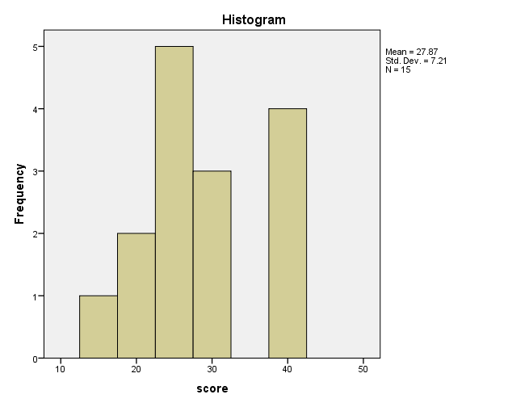

Ss |  | A | B | C | D | E | F | G | H | I | J | K | L | M | N | O
 |  | 38 | 22 | 20 | 24 | 26 | 28 | 28 | 29 | 26 | 25 | 23 | 15 | 22 | 30 | 30

 |  | L | 15
 |  | C | 20
 |  | B | 22
 |  | M | 22
 |  | K | 23
 |  | D | 24
 |  | J | 25
 |  | E | 26
 |  | I | 26
 |  | F | 28
 |  | G | 28
 |  | H | 29
 |  | N | 30
 |  | O | 30
 |  | A | 38

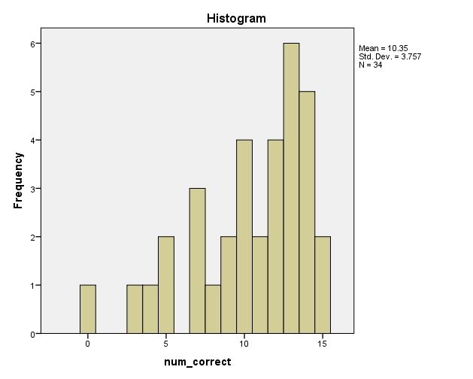
 |  |  | # CORRECT
 |  | 6 | 0
 |  | 39 | 2
 |  | 28 | 3
 |  | 32 | 4
 |  | 5 | 5
 |  | 19 | 5
 |  | 38 | 5
 |  | 7 | 7
 |  | 11 | 7
 |  | 34 | 7
 |  | 35 | 7
 |  | 20 | 8
 |  | 14 | 9
 |  | 23 | 9
 |  | 36 | 9
 |  | 21 | 10
 |  | 29 | 10
 |  | 30 | 10
 |  | 33 | 10
 |  | 16 | 11
 |  | 17 | 11
 |  | 37 | 11
 |  | 4 | 12
 |  | 10 | 12
 |  | 12 | 12
 |  | 24 | 12
 |  | 1 | 13
 |  | 8 | 13
 |  | 9 | 13
 |  | 15 | 13
 |  | 18 | 13
 |  | 26 | 13
 |  | 2 | 14
 |  | 13 | 14
 |  | 22 | 14
 |  | 27 | 14
 |  | 31 | 14
 |  | 3 | 15
 |  | 25 | 15

