FTE_UG_UNI_1Y_FIG
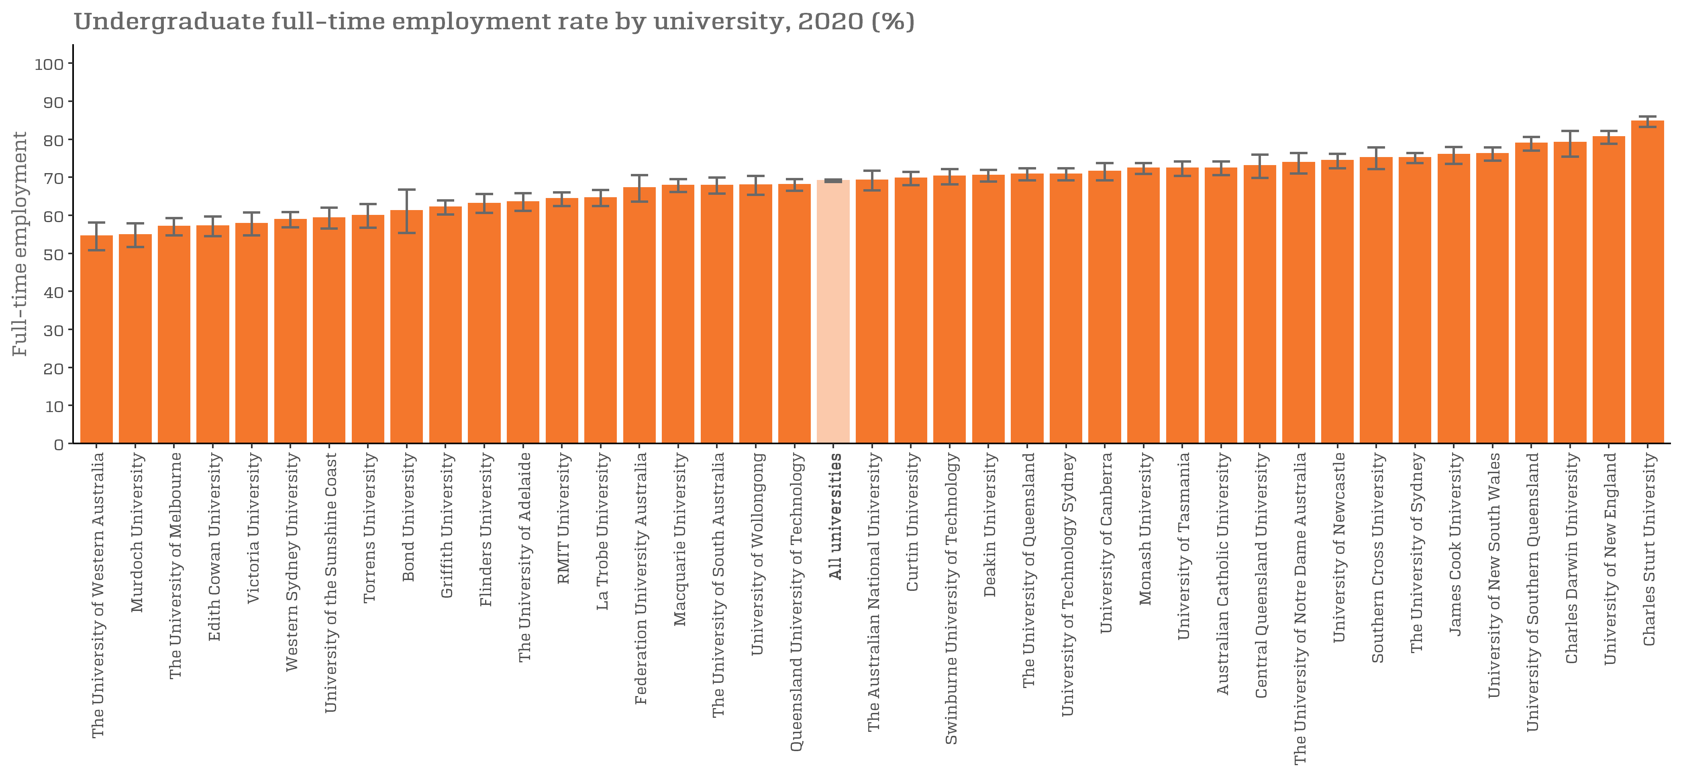
Undergraduate full-time employment rate by university, 2020 (%) |  | Back to INDEX
 | Full-time employment rate
The University of Western Australia | 54.5 (50.8, 58.1)
Murdoch University | 54.8 (51.7, 57.9)
The University of Melbourne | 57.0 (54.7, 59.3)
Edith Cowan University | 57.1 (54.5, 59.7)
Victoria University | 57.8 (54.7, 60.7)
Western Sydney University | 58.8 (56.8, 60.8)
University of the Sunshine Coast | 59.3 (56.5, 62.0)
Torrens University | 59.9 (56.7, 62.9)
Bond University | 61.2 (55.3, 66.8)
Griffith University | 62.1 (60.2, 63.9)
Flinders University | 63.1 (60.6, 65.6)
The University of Adelaide | 63.5 (61.2, 65.8)
RMIT University | 64.3 (62.4, 66.0)
La Trobe University | 64.5 (62.4, 66.6)
Federation University Australia | 67.2 (63.6, 70.6)
Macquarie University | 67.8 (66.1, 69.5)
The University of South Australia | 67.8 (65.7, 69.9)
University of Wollongong | 67.9 (65.4, 70.3)
Queensland University of Technology | 68.0 (66.4, 69.5)
All universities | 69.1 (68.8, 69.4)
The Australian National University | 69.2 (66.5, 71.7)
Curtin University | 69.7 (67.9, 71.4)
Swinburne University of Technology | 70.2 (68.1, 72.1)
Deakin University | 70.4 (68.9, 71.9)
The University of Queensland | 70.8 (69.2, 72.4)
University of Technology Sydney | 70.8 (69.2, 72.3)
University of Canberra | 71.5 (69.2, 73.7)
Monash University | 72.3 (70.9, 73.7)
University of Tasmania | 72.3 (70.3, 74.2)
Australian Catholic University | 72.4 (70.6, 74.1)
Central Queensland University | 73.0 (69.8, 75.9)
The University of Notre Dame Australia | 73.8 (71.0, 76.4)
University of Newcastle | 74.4 (72.4, 76.2)
Southern Cross University | 75.1 (72.1, 77.8)
The University of Sydney | 75.1 (73.7, 76.4)
James Cook University | 75.9 (73.5, 78.0)
University of New South Wales | 76.2 (74.4, 77.8)
University of Southern Queensland | 78.9 (77.0, 80.6)
Charles Darwin University | 79.1 (75.4, 82.2)
University of New England | 80.6 (78.8, 82.2)
University of Divinity | n/a
Charles Sturt University | 84.7 (83.2, 86.0)

FTE_UG_UNI_3Y_FIG
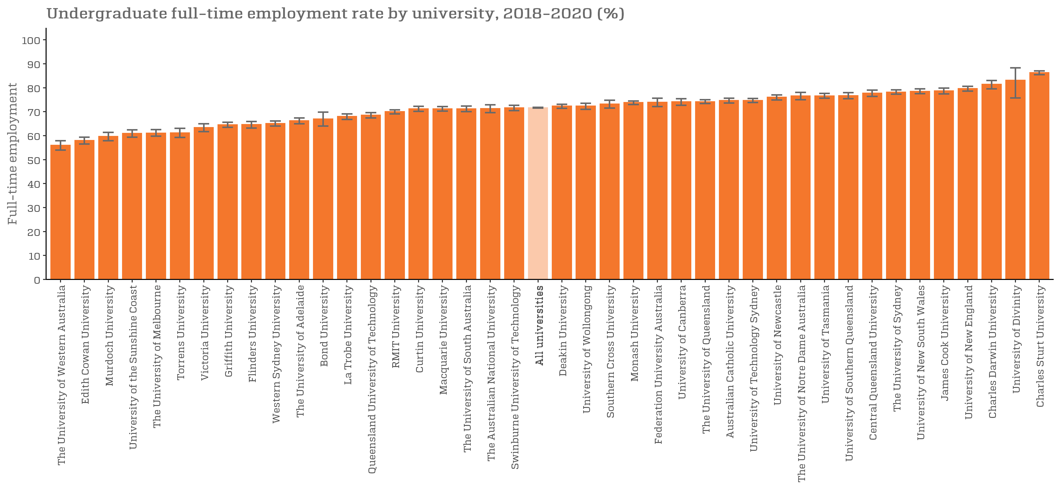
Undergraduate full-time employment rate by university, 2018-2020 (%) |  | Back to INDEX
 | Full-time employment rate
The University of Western Australia | 56.0 (54.0, 57.9)
Edith Cowan University | 58.0 (56.5, 59.4)
Murdoch University | 59.7 (57.9, 61.4)
University of the Sunshine Coast | 60.9 (59.4, 62.4)
The University of Melbourne | 61.1 (59.8, 62.5)
Torrens University | 61.2 (59.3, 63.1)
Victoria University | 63.4 (61.7, 65.0)
Griffith University | 64.5 (63.5, 65.6)
Flinders University | 64.6 (63.2, 65.9)
Western Sydney University | 65.1 (64.0, 66.1)
The University of Adelaide | 66.2 (65.0, 67.4)
Bond University | 67.0 (64.0, 69.8)
La Trobe University | 68.0 (66.8, 69.1)
Queensland University of Technology | 68.5 (67.4, 69.6)
RMIT University | 70.0 (69.1, 70.8)
Curtin University | 71.2 (70.1, 72.2)
Macquarie University | 71.2 (70.2, 72.1)
The University of South Australia | 71.2 (70.0, 72.3)
The Australian National University | 71.3 (69.6, 72.9)
Swinburne University of Technology | 71.6 (70.4, 72.7)
All universities | 71.6 (71.5, 71.8)
Deakin University | 72.3 (71.4, 73.1)
University of Wollongong | 72.3 (71.0, 73.5)
Southern Cross University | 73.2 (71.5, 74.8)
Monash University | 73.8 (73.0, 74.5)
Federation University Australia | 73.9 (72.1, 75.6)
University of Canberra | 74.1 (72.7, 75.4)
The University of Queensland | 74.2 (73.4, 75.0)
Australian Catholic University | 74.7 (73.6, 75.6)
University of Technology Sydney | 74.7 (73.8, 75.5)
University of Newcastle | 76.0 (74.9, 77.0)
The University of Notre Dame Australia | 76.6 (75.0, 78.1)
University of Tasmania | 76.6 (75.6, 77.6)
University of Southern Queensland | 76.7 (75.4, 77.9)
Central Queensland University | 77.7 (76.4, 79.0)
The University of Sydney | 78.2 (77.3, 79.1)
University of New South Wales | 78.5 (77.5, 79.5)
James Cook University | 78.7 (77.4, 79.9)
University of New England | 79.6 (78.6, 80.6)
Charles Darwin University | 81.4 (79.5, 83.0)
University of Divinity | 83.1 (75.7, 88.3)
Charles Sturt University | 86.3 (85.5, 87.0)

SAL_UG_UNI_1Y_FIG
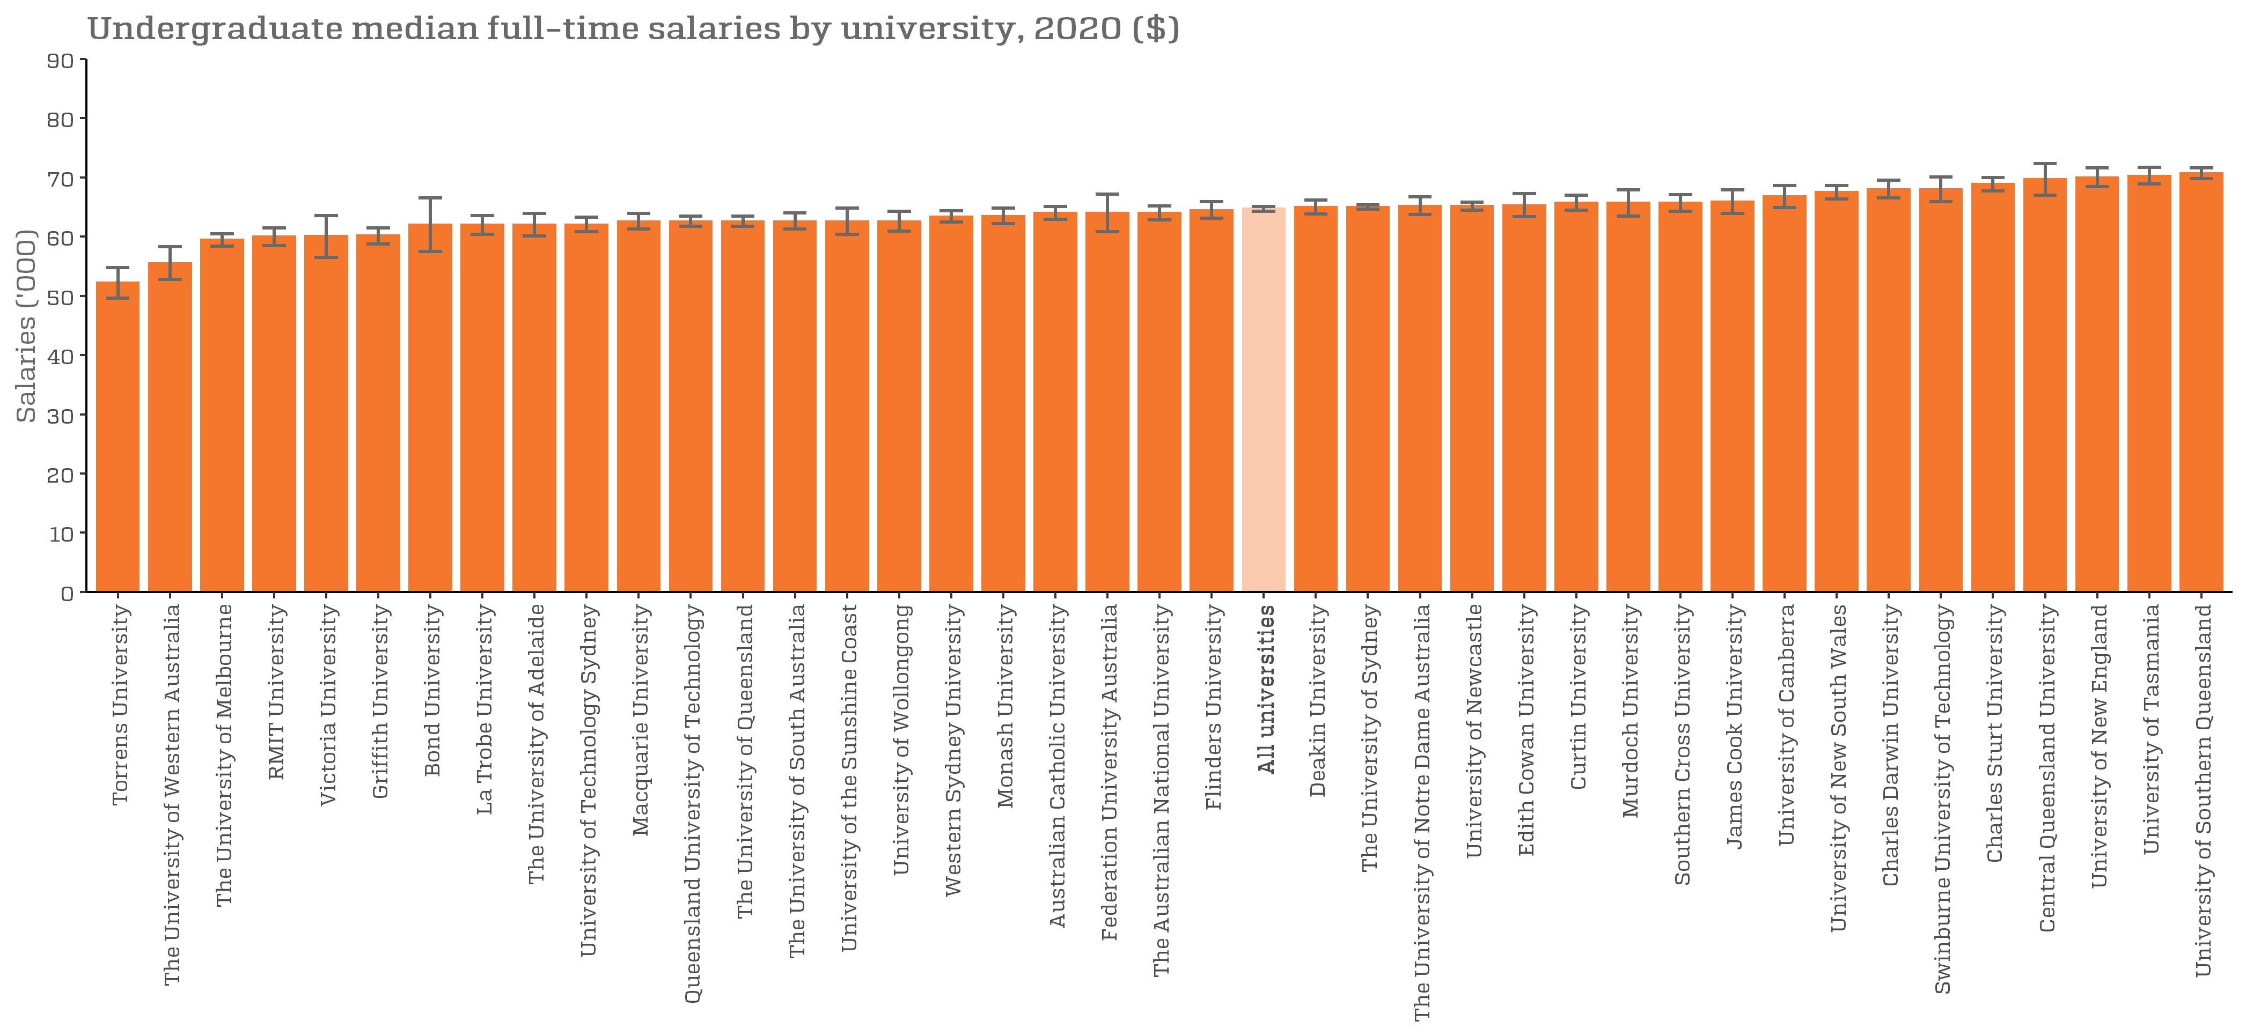
Undergraduate median full-time salaries by university, 2020 ($) |  | Back to INDEX
 | Full-time employment rate
Torrens University | 52,200 (49,600, 54,800)
The University of Western Australia | 55,500 (52,800, 58,300)
University of Divinity | n/a
The University of Melbourne | 59,500 (58,400, 60,500)
RMIT University | 60,000 (58,500, 61,500)
Victoria University | 60,100 (56,500, 63,600)
Griffith University | 60,200 (58,800, 61,500)
Bond University | 62,000 (57,500, 66,500)
La Trobe University | 62,000 (60,400, 63,600)
The University of Adelaide | 62,000 (60,100, 63,900)
University of Technology Sydney | 62,000 (60,800, 63,300)
Macquarie University | 62,600 (61,300, 63,900)
Queensland University of Technology | 62,600 (61,700, 63,500)
The University of Queensland | 62,600 (61,700, 63,500)
The University of South Australia | 62,600 (61,300, 64,000)
University of the Sunshine Coast | 62,600 (60,400, 64,800)
University of Wollongong | 62,600 (60,900, 64,300)
Western Sydney University | 63,400 (62,500, 64,400)
Monash University | 63,500 (62,200, 64,800)
Australian Catholic University | 64,000 (62,900, 65,100)
Federation University Australia | 64,000 (60,800, 67,200)
The Australian National University | 64,000 (62,800, 65,200)
Flinders University | 64,500 (63,100, 65,900)
All universities | 64,700 (64,300, 65,100)
Deakin University | 65,000 (63,800, 66,200)
The University of Sydney | 65,000 (64,600, 65,400)
The University of Notre Dame Australia | 65,200 (63,700, 66,700)
University of Newcastle | 65,200 (64,500, 65,800)
Edith Cowan University | 65,300 (63,400, 67,300)
Curtin University | 65,700 (64,500, 67,000)
Murdoch University | 65,700 (63,500, 67,900)
Southern Cross University | 65,700 (64,300, 67,100)
James Cook University | 65,900 (63,900, 67,900)
University of Canberra | 66,800 (64,900, 68,600)
University of New South Wales | 67,500 (66,400, 68,600)
Charles Darwin University | 68,000 (66,500, 69,500)
Swinburne University of Technology | 68,000 (65,900, 70,100)
Charles Sturt University | 68,900 (67,700, 70,000)
Central Queensland University | 69,700 (67,000, 72,300)
University of New England | 70,000 (68,400, 71,600)
University of Tasmania | 70,300 (68,900, 71,700)
University of Southern Queensland | 70,700 (69,800, 71,600)

SAL_UG_UNI_3Y_FIG
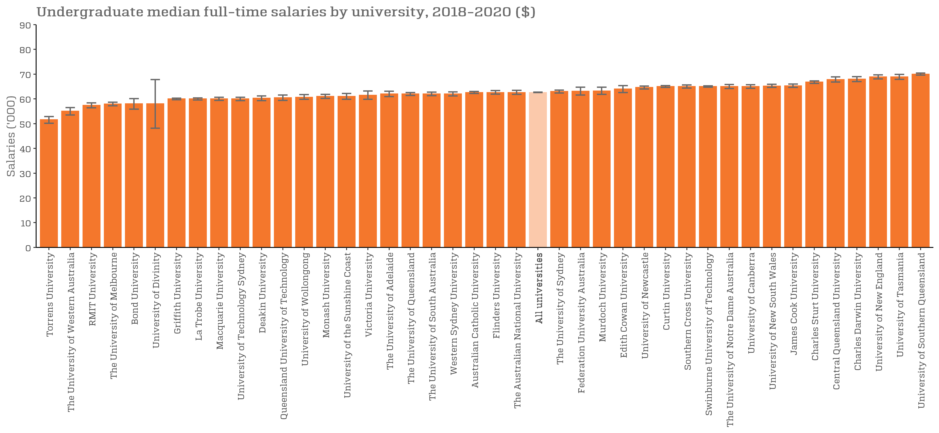
Undergraduate median full-time salaries by university, 2018-2020 ($) |  | Back to INDEX
 | Full-time employment rate
Torrens University | 51,600 (50,200, 52,900)
The University of Western Australia | 55,000 (53,500, 56,500)
RMIT University | 57,400 (56,400, 58,400)
The University of Melbourne | 57,900 (57,200, 58,700)
Bond University | 58,000 (55,900, 60,100)
University of Divinity | 58,000 (48,200, 67,800)
Griffith University | 60,000 (59,700, 60,300)
La Trobe University | 60,000 (59,600, 60,400)
Macquarie University | 60,000 (59,400, 60,700)
University of Technology Sydney | 60,000 (59,300, 60,700)
Deakin University | 60,300 (59,300, 61,200)
Queensland University of Technology | 60,500 (59,400, 61,600)
University of Wollongong | 60,700 (59,800, 61,700)
Monash University | 61,000 (60,200, 61,800)
University of the Sunshine Coast | 61,000 (59,800, 62,200)
Victoria University | 61,500 (59,800, 63,200)
The University of Adelaide | 62,000 (60,900, 63,100)
The University of Queensland | 62,000 (61,400, 62,600)
The University of South Australia | 62,000 (61,300, 62,700)
Western Sydney University | 62,000 (61,200, 62,800)
Australian Catholic University | 62,600 (62,200, 63,000)
Flinders University | 62,600 (61,900, 63,400)
The Australian National University | 62,600 (61,800, 63,500)
All universities | 62,600 (62,600, 62,700)
The University of Sydney | 63,000 (62,400, 63,600)
Federation University Australia | 63,100 (61,600, 64,700)
Murdoch University | 63,200 (61,800, 64,700)
Edith Cowan University | 64,000 (62,600, 65,400)
University of Newcastle | 64,600 (64,000, 65,200)
Curtin University | 65,000 (64,600, 65,400)
Southern Cross University | 65,000 (64,400, 65,600)
Swinburne University of Technology | 65,000 (64,700, 65,300)
The University of Notre Dame Australia | 65,000 (64,200, 65,800)
University of Canberra | 65,000 (64,300, 65,700)
University of New South Wales | 65,200 (64,600, 65,900)
James Cook University | 65,300 (64,600, 66,000)
Charles Sturt University | 66,800 (66,300, 67,300)
Central Queensland University | 67,800 (66,800, 68,900)
Charles Darwin University | 68,000 (67,000, 69,000)
University of New England | 68,900 (68,100, 69,700)
University of Tasmania | 68,900 (67,900, 69,900)
University of Southern Queensland | 70,000 (69,600, 70,400)

FTE_UG_NUHEI_3Y_FIG
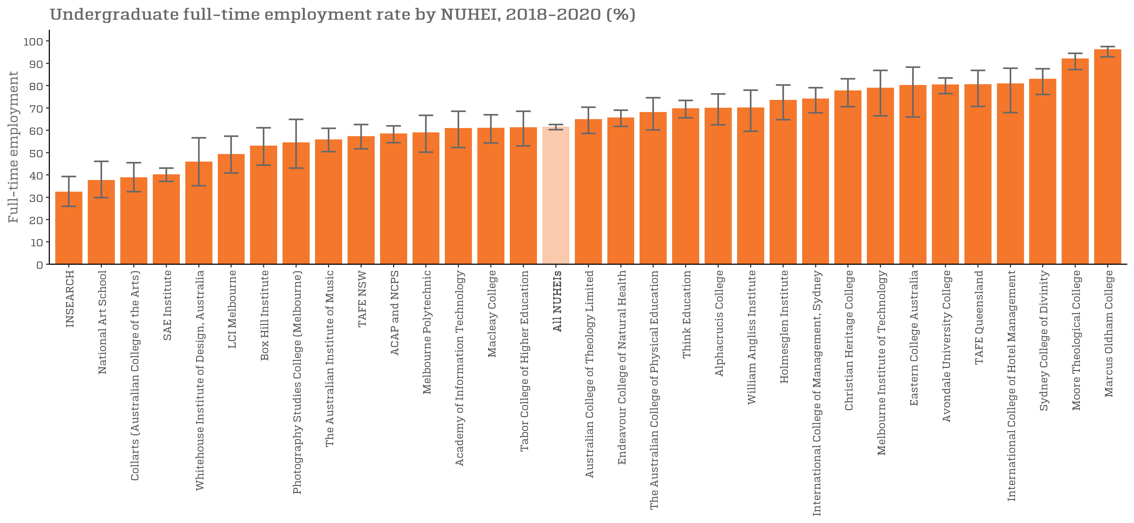
Undergraduate full-time employment rate by NUHEI, 2018-2020 (%) |  | Back to INDEX
 | Full-time employment rate
Excelsia College | n/a
INSEARCH | 32.2 (25.9, 39.3)
South Metropolitan TAFE | n/a
National Art School | 37.5 (29.8, 46.1)
Collarts (Australian College of the Arts) | 38.7 (32.5, 45.5)
SAE Institute | 40.0 (37.1, 43.0)
ISN Psychology Pty Ltd | n/a
Whitehouse Institute of Design, Australia | 45.7 (35.1, 56.6)
North Metropolitan TAFE | n/a
Campion College Australia | n/a
LCI Melbourne | 49.1 (40.8, 57.4)
Adelaide Central School of Art | n/a
Holmes Institute | n/a
Kaplan Higher Education Pty Ltd | n/a
UOW College | n/a
Box Hill Institute | 52.9 (44.4, 61.1)
Australian Institute of Professional Counsellors | n/a
Jazz Music Institute | n/a
Photography Studies College (Melbourne) | 54.3 (43.0, 64.9)
Canberra Institute of Technology | n/a
The Australian Institute of Music | 55.7 (50.4, 60.8)
Australian Academy of Music and Performing Arts | n/a
TAFE NSW | 57.1 (51.6, 62.5)
ACAP and NCPS | 58.3 (54.4, 62.0)
Adelaide College of Divinity | n/a
Melbourne Polytechnic | 58.8 (50.2, 66.7)
Academy of Information Technology | 60.7 (52.3, 68.5)
Kaplan Business School | n/a
Macleay College | 60.9 (54.3, 66.9)
Tabor College of Higher Education | 61.1 (53.0, 68.5)
All NUHEIs | 61.4 (60.3, 62.5)
Chisholm Institute | n/a
Australian College of Theology Limited | 64.7 (58.6, 70.3)
Endeavour College of Natural Health | 65.5 (61.7, 69.0)
The Australian College of Physical Education | 67.9 (60.1, 74.5)
Think Education | 69.6 (65.6, 73.3)
Alphacrucis College | 69.8 (62.4, 76.2)
William Angliss Institute | 70.0 (59.5, 78.0)
Holmesglen Institute | 73.4 (64.7, 80.2)
International College of Management, Sydney | 73.9 (67.8, 79.0)
Le Cordon Bleu Australia | n/a
Christian Heritage College | 77.6 (70.5, 83.1)
Study Group Australia Pty Limited | n/a
Melbourne Institute of Technology | 78.8 (66.4, 86.8)
Eastern College Australia | 80.0 (66.0, 88.2)
TAFE South Australia | n/a
Avondale University College | 80.3 (76.4, 83.4)
TAFE Queensland | 80.4 (70.7, 86.8)
International College of Hotel Management | 80.8 (67.9, 87.8)
Sydney College of Divinity | 82.8 (76.0, 87.5)
Perth Bible College | n/a
Moore Theological College | 91.9 (87.2, 94.4)
Marcus Oldham College | 96.0 (92.9, 97.5)
Australian College of Christian Studies | n/a
Australian Institute of Business Pty Ltd | n/a
King's Own Institute | n/a
Australian College of Nursing
Australian Institute of Management Education & Training
BBI - The Australian Institute of Theological Education
Engineering Institute of Technology
Health Education & Training Institute
Kent Institute Australia
Leo Cussen Centre for Law
Morling College
Nan Tien Institute
SP Jain School of Management
Stott's Colleges
The Cairnmillar Institute
The College of Law Limited
The MIECAT Institute
VIT (Victorian Institute of Technology)
Wentworth Institute of Higher Education

SAL_UG_NUHEI_3Y_FIG
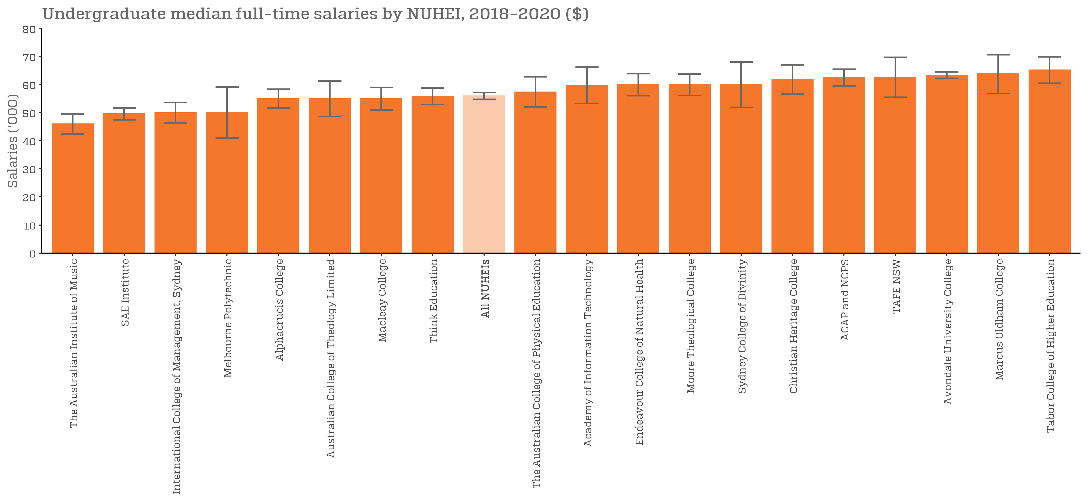
Undergraduate median full-time salaries by NUHEI, 2018-2020 ($) |  | Back to INDEX
 | Full-time employment rate
Jazz Music Institute | n/a
Australian Academy of Music and Performing Arts | n/a
Campion College Australia | n/a
Whitehouse Institute of Design, Australia | n/a
The Australian Institute of Music | 46,000 (42,400, 49,600)
Australian College of Christian Studies | n/a
LCI Melbourne | n/a
North Metropolitan TAFE | n/a
International College of Hotel Management | n/a
William Angliss Institute | n/a
Adelaide College of Divinity | n/a
Excelsia College | n/a
SAE Institute | 49,600 (47,500, 51,600)
Holmes Institute | n/a
International College of Management, Sydney | 50,000 (46,300, 53,700)
Melbourne Polytechnic | 50,100 (41,000, 59,200)
Adelaide Central School of Art | n/a
Box Hill Institute | n/a
INSEARCH | n/a
National Art School | n/a
UOW College | n/a
South Metropolitan TAFE | n/a
Kaplan Business School | n/a
Chisholm Institute | n/a
Collarts (Australian College of the Arts) | n/a
Alphacrucis College | 55,000 (51,600, 58,400)
Australian College of Theology Limited | 55,000 (48,700, 61,300)
Macleay College | 55,000 (51,000, 59,000)
Photography Studies College (Melbourne) | n/a
Melbourne Institute of Technology | n/a
Think Education | 55,800 (52,900, 58,800)
All NUHEIs | 56,000 (54,800, 57,200)
The Australian College of Physical Education | 57,400 (52,000, 62,800)
TAFE Queensland | n/a
Academy of Information Technology | 59,700 (53,300, 66,200)
Endeavour College of Natural Health | 60,000 (56,100, 63,900)
Kaplan Higher Education Pty Ltd | n/a
Moore Theological College | 60,000 (56,200, 63,800)
Sydney College of Divinity | 60,000 (51,900, 68,100)
Christian Heritage College | 61,900 (56,700, 67,100)
ACAP and NCPS | 62,500 (59,600, 65,500)
Eastern College Australia | n/a
TAFE NSW | 62,600 (55,500, 69,700)
Avondale University College | 63,400 (62,300, 64,600)
Marcus Oldham College | 63,800 (56,800, 70,700)
Australian Institute of Business Pty Ltd | n/a
Canberra Institute of Technology | n/a
Perth Bible College | n/a
Tabor College of Higher Education | 65,200 (60,500, 69,900)
Holmesglen Institute | n/a
TAFE South Australia | n/a
Australian Institute of Professional Counsellors | n/a
ISN Psychology Pty Ltd | n/a
Study Group Australia Pty Limited | n/a
Le Cordon Bleu Australia | n/a
Australian College of Nursing
Australian Institute of Management Education & Training
BBI - The Australian Institute of Theological Education
Engineering Institute of Technology
Health Education & Training Institute
Kent Institute Australia
King's Own Institute
Leo Cussen Centre for Law
Morling College
Nan Tien Institute
SP Jain School of Management
Stott's Colleges
The Cairnmillar Institute
The College of Law Limited
The MIECAT Institute
VIT (Victorian Institute of Technology)
Wentworth Institute of Higher Education

FTE_PGC_UNI_1Y_FIG
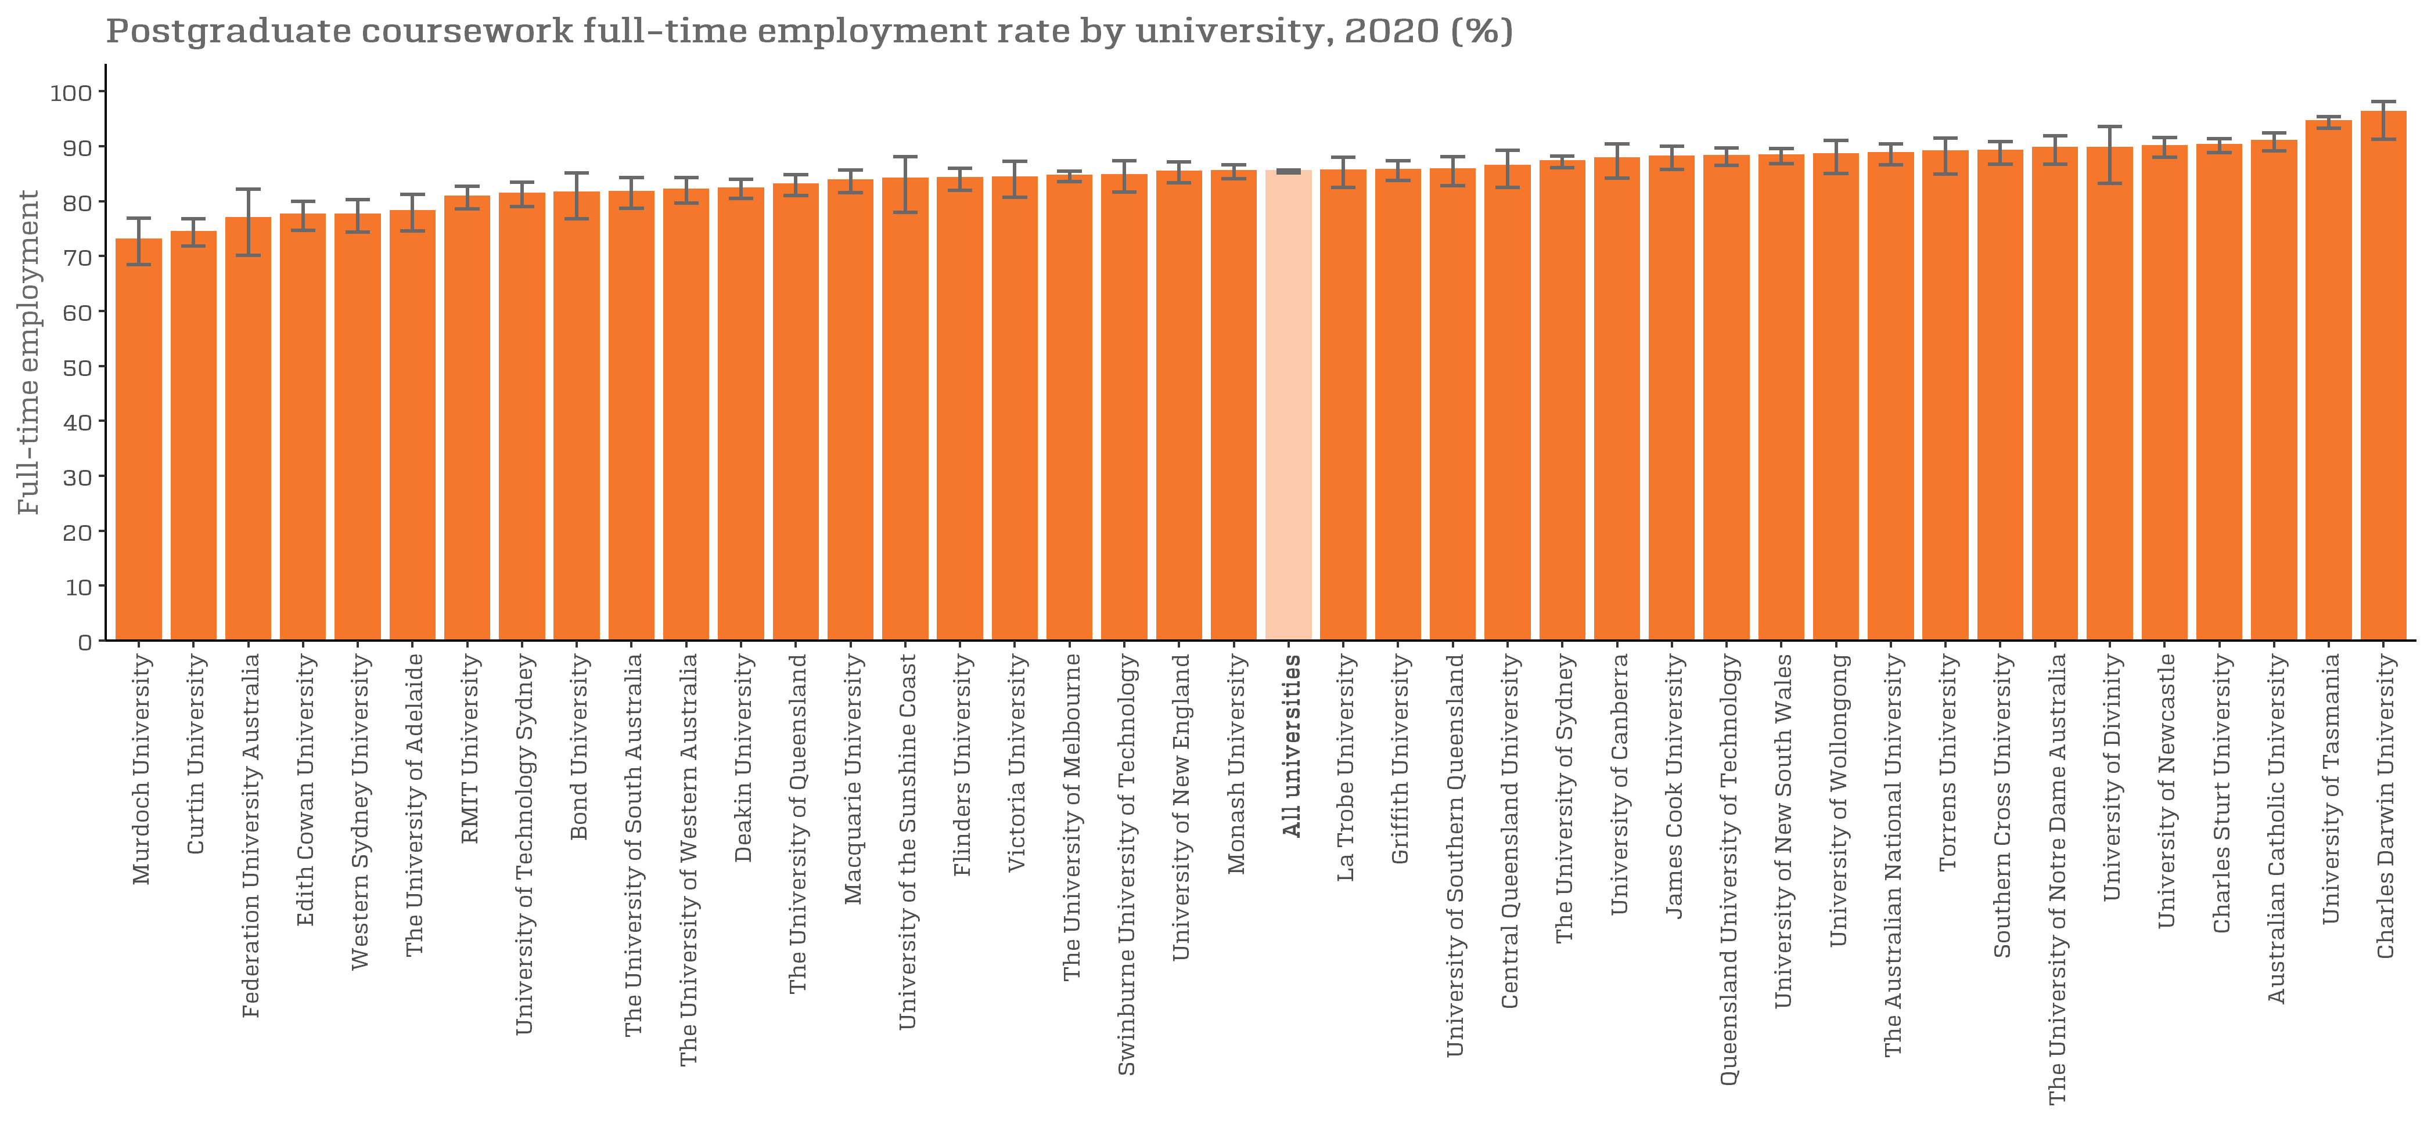
Postgraduate coursework full-time employment rate by university, 2020 (%) |  | Back to INDEX
 | Full-time employment rate
Murdoch University | 73.0 (68.4, 76.9)
Curtin University | 74.4 (71.8, 76.8)
Federation University Australia | 76.9 (70.1, 82.2)
Edith Cowan University | 77.5 (74.7, 80.0)
Western Sydney University | 77.5 (74.4, 80.3)
The University of Adelaide | 78.2 (74.6, 81.2)
RMIT University | 80.8 (78.6, 82.7)
University of Technology Sydney | 81.3 (79.0, 83.4)
Bond University | 81.5 (76.8, 85.1)
The University of South Australia | 81.7 (78.7, 84.3)
The University of Western Australia | 82.1 (79.6, 84.3)
Deakin University | 82.3 (80.5, 84.0)
The University of Queensland | 83.0 (81.0, 84.8)
Macquarie University | 83.8 (81.5, 85.7)
University of the Sunshine Coast | 84.1 (78.0, 88.1)
Flinders University | 84.2 (82.0, 86.0)
Victoria University | 84.3 (80.7, 87.2)
The University of Melbourne | 84.6 (83.5, 85.5)
Swinburne University of Technology | 84.7 (81.6, 87.3)
University of New England | 85.3 (83.3, 87.1)
Monash University | 85.4 (84.1, 86.6)
All universities | 85.4 (85.1, 85.7)
La Trobe University | 85.6 (82.5, 88.0)
Griffith University | 85.7 (83.8, 87.3)
University of Southern Queensland | 85.8 (82.8, 88.1)
Central Queensland University | 86.4 (82.5, 89.3)
The University of Sydney | 87.2 (86.1, 88.2)
University of Canberra | 87.8 (84.2, 90.4)
James Cook University | 88.1 (85.8, 90.0)
Queensland University of Technology | 88.2 (86.5, 89.7)
University of New South Wales | 88.3 (86.8, 89.6)
University of Wollongong | 88.5 (85.0, 91.0)
The Australian National University | 88.7 (86.6, 90.4)
Torrens University | 89.0 (84.9, 91.5)
Southern Cross University | 89.1 (86.7, 90.8)
The University of Notre Dame Australia | 89.7 (86.7, 91.9)
University of Divinity | 89.7 (83.2, 93.6)
University of Newcastle | 90.0 (88.0, 91.6)
Charles Sturt University | 90.2 (88.8, 91.4)
Australian Catholic University | 90.9 (89.1, 92.4)
University of Tasmania | 94.5 (93.3, 95.4)
Charles Darwin University | 96.2 (91.3, 98.1)

FTE_PGC_UNI_3Y_FIG
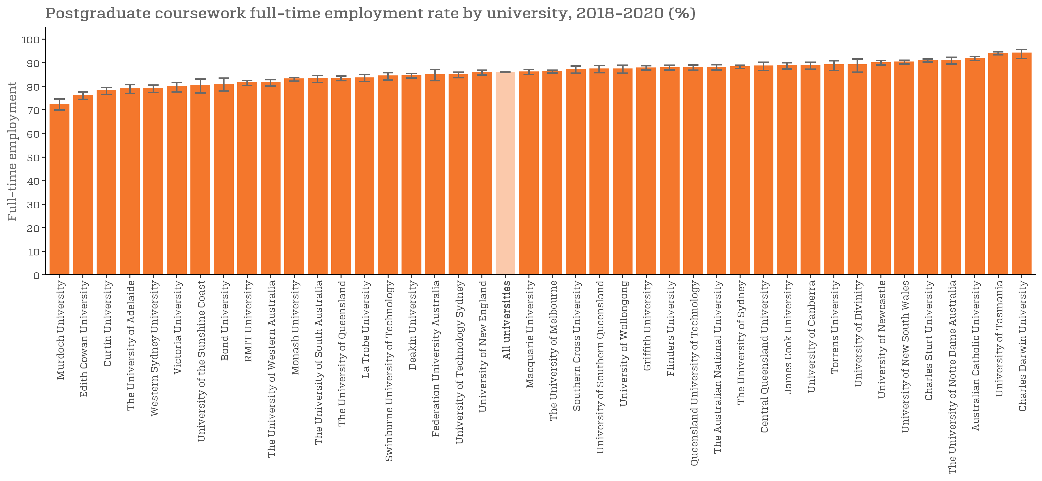
Postgraduate coursework full-time employment rate by university, 2018-2020 (%) |  | Back to INDEX
 | Full-time employment rate
Murdoch University | 72.4 (69.9, 74.6)
Edith Cowan University | 76.0 (74.5, 77.5)
Curtin University | 78.1 (76.6, 79.5)
The University of Adelaide | 78.9 (77.0, 80.7)
Western Sydney University | 79.0 (77.3, 80.5)
Victoria University | 79.8 (77.6, 81.7)
University of the Sunshine Coast | 80.4 (77.2, 83.1)
Bond University | 80.9 (78.0, 83.4)
RMIT University | 81.5 (80.4, 82.5)
The University of Western Australia | 81.6 (80.2, 82.8)
Monash University | 83.1 (82.2, 83.8)
The University of South Australia | 83.2 (81.6, 84.6)
The University of Queensland | 83.4 (82.4, 84.4)
La Trobe University | 83.6 (82.1, 85.0)
Swinburne University of Technology | 84.4 (82.7, 85.8)
Deakin University | 84.5 (83.6, 85.4)
Federation University Australia | 84.9 (82.4, 87.1)
University of Technology Sydney | 84.9 (83.7, 86.0)
University of New England | 85.9 (84.8, 86.8)
All universities | 86.0 (85.9, 86.2)
Macquarie University | 86.1 (85.0, 87.1)
The University of Melbourne | 86.3 (85.7, 86.8)
Southern Cross University | 87.2 (85.6, 88.6)
University of Southern Queensland | 87.4 (85.8, 88.8)
University of Wollongong | 87.4 (85.6, 88.9)
Griffith University | 87.8 (86.9, 88.7)
Flinders University | 87.9 (86.9, 88.9)
Queensland University of Technology | 88.0 (86.8, 89.0)
The Australian National University | 88.1 (86.9, 89.1)
The University of Sydney | 88.3 (87.6, 88.9)
Central Queensland University | 88.6 (86.7, 90.2)
James Cook University | 88.8 (87.3, 90.0)
University of Canberra | 88.9 (87.2, 90.2)
Torrens University | 89.1 (86.7, 90.8)
University of Divinity | 89.2 (86.0, 91.6)
University of Newcastle | 90.0 (89.0, 90.9)
University of New South Wales | 90.3 (89.5, 91.0)
Charles Sturt University | 91.0 (90.3, 91.6)
The University of Notre Dame Australia | 91.0 (89.5, 92.3)
Australian Catholic University | 91.8 (90.9, 92.6)
University of Tasmania | 94.0 (93.4, 94.6)
Charles Darwin University | 94.1 (91.8, 95.6)

FTE_PGC_NUHEI_3Y_FIG
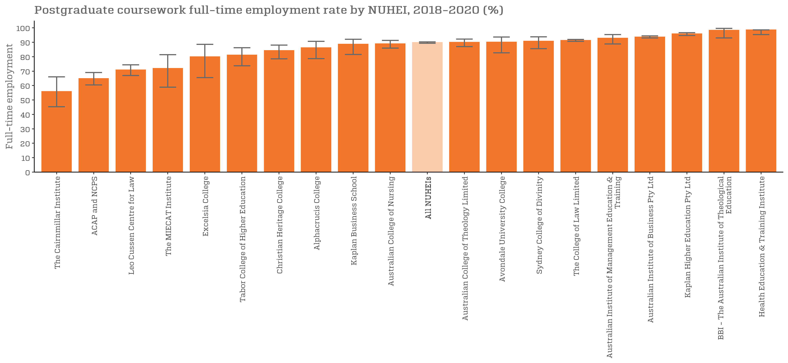
Postgraduate coursework full-time employment rate by NUHEI, 2018-2020 (%) |  | Back to INDEX
 | Full-time employment rate
Australian Academy of Music and Performing Arts | n/a
Holmes Institute | n/a
ISN Psychology Pty Ltd | n/a
Melbourne Institute of Technology | n/a
Melbourne Polytechnic | n/a
The Cairnmillar Institute | 55.9 (45.3, 66.1)
Whitehouse Institute of Design, Australia | n/a
Nan Tien Institute | n/a
International College of Management, Sydney | n/a
ACAP and NCPS | 64.9 (60.5, 69.1)
Chisholm Institute | n/a
Leo Cussen Centre for Law | 70.9 (66.9, 74.4)
The MIECAT Institute | 71.9 (58.9, 81.4)
The Australian Institute of Music | n/a
The Australian College of Physical Education | n/a
Excelsia College | 80.0 (65.5, 88.6)
Tabor College of Higher Education | 81.2 (73.7, 86.2)
Holmesglen Institute | n/a
Christian Heritage College | 84.3 (78.5, 88.0)
Alphacrucis College | 86.2 (78.7, 90.7)
Adelaide College of Divinity | n/a
Kaplan Business School | 88.7 (81.5, 92.1)
Australian Institute of Professional Counsellors | n/a
Australian College of Nursing | 89.0 (86.0, 91.3)
All NUHEIs | 89.9 (89.4, 90.3)
Australian College of Theology Limited | 90.0 (87.0, 92.2)
Box Hill Institute | n/a
Morling College | n/a
Think Education | n/a
Avondale University College | 90.2 (82.7, 93.7)
Sydney College of Divinity | 90.8 (85.6, 93.8)
The College of Law Limited | 91.3 (90.6, 92.0)
Australian Institute of Management Education & Training | 92.9 (88.8, 95.3)
Australian Institute of Business Pty Ltd | 93.7 (93.0, 94.4)
Kaplan Higher Education Pty Ltd | 95.9 (94.7, 96.7)
BBI - The Australian Institute of Theological Education | 98.4 (93.0, 99.6)
Health Education & Training Institute | 98.6 (95.3, 98.6)
Eastern College Australia | n/a
Engineering Institute of Technology | n/a
King's Own Institute | n/a
Marcus Oldham College | n/a
Moore Theological College | n/a
Perth Bible College | n/a
Wentworth Institute of Higher Education | n/a
Academy of Information Technology
Adelaide Central School of Art
Australian College of Christian Studies
Campion College Australia
Canberra Institute of Technology
Collarts (Australian College of the Arts)
Endeavour College of Natural Health
INSEARCH
International College of Hotel Management
Jazz Music Institute
Kent Institute Australia
LCI Melbourne
Le Cordon Bleu Australia
Macleay College
National Art School
North Metropolitan TAFE
Photography Studies College (Melbourne)
SAE Institute
South Metropolitan TAFE
SP Jain School of Management
Stott's Colleges
Study Group Australia Pty Limited
TAFE NSW
TAFE Queensland
TAFE South Australia
UOW College
VIT (Victorian Institute of Technology)
William Angliss Institute

SAL_PGC_UNI_1Y_FIG
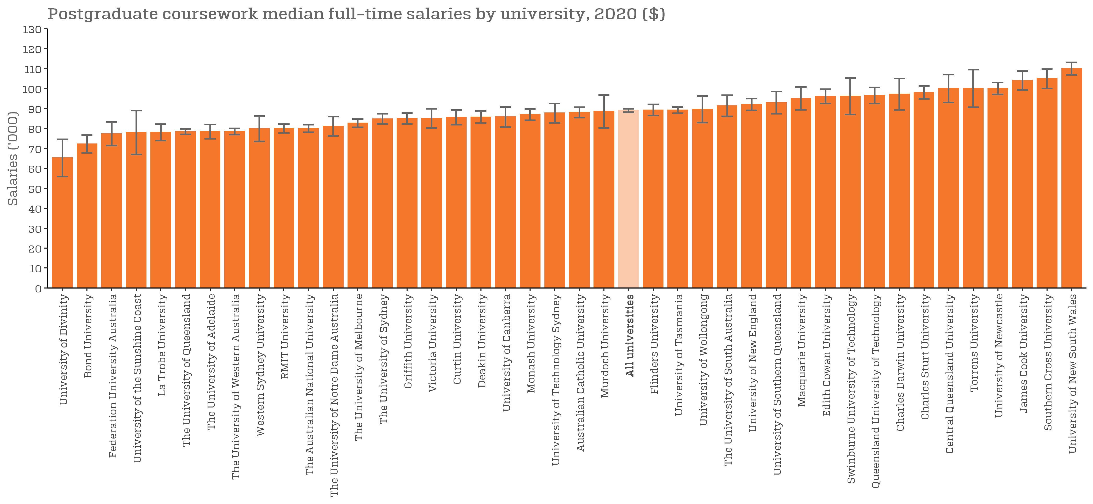
Postgraduate coursework median full-time salaries by university, 2020 ($) |  | Back to INDEX
 | Full-time employment rate
University of Divinity | 65,200 (55,900, 74,500)
Bond University | 72,200 (67,700, 76,700)
Federation University Australia | 77,300 (71,400, 83,200)
University of the Sunshine Coast | 77,900 (66,900, 88,900)
La Trobe University | 78,100 (73,900, 82,300)
The University of Queensland | 78,300 (77,000, 79,600)
The University of Adelaide | 78,400 (74,800, 82,000)
The University of Western Australia | 78,500 (76,900, 80,000)
Western Sydney University | 79,800 (73,500, 86,200)
RMIT University | 80,000 (77,700, 82,300)
The Australian National University | 80,000 (78,100, 81,900)
The University of Notre Dame Australia | 81,100 (76,200, 85,900)
The University of Melbourne | 82,700 (80,500, 84,800)
The University of Sydney | 84,800 (82,200, 87,400)
Griffith University | 85,000 (82,200, 87,800)
Victoria University | 85,000 (80,100, 89,900)
Curtin University | 85,500 (81,900, 89,200)
Deakin University | 85,700 (82,700, 88,600)
University of Canberra | 85,800 (80,700, 90,800)
Monash University | 86,900 (84,100, 89,700)
University of Technology Sydney | 87,700 (82,800, 92,500)
Australian Catholic University | 88,000 (85,400, 90,600)
Murdoch University | 88,500 (80,200, 96,800)
All universities | 89,000 (88,200, 89,900)
Flinders University | 89,200 (86,400, 92,100)
University of Tasmania | 89,200 (87,600, 90,800)
University of Wollongong | 89,600 (82,900, 96,300)
The University of South Australia | 91,300 (86,100, 96,600)
University of New England | 92,000 (89,000, 94,900)
University of Southern Queensland | 92,900 (87,400, 98,500)
Macquarie University | 95,000 (89,300, 100,700)
Edith Cowan University | 96,000 (92,400, 99,600)
Swinburne University of Technology | 96,100 (86,900, 105,300)
Queensland University of Technology | 96,500 (92,500, 100,600)
Charles Darwin University | 97,100 (89,200, 105,000)
Charles Sturt University | 98,000 (94,800, 101,200)
Central Queensland University | 100,000 (93,000, 107,000)
Torrens University | 100,000 (90,600, 109,400)
University of Newcastle | 100,000 (97,000, 103,000)
James Cook University | 104,000 (99,200, 108,800)
Southern Cross University | 105,000 (100,100, 109,900)
University of New South Wales | 110,000 (106,900, 113,100)

SAL_PGC_UNI_3Y_FIG
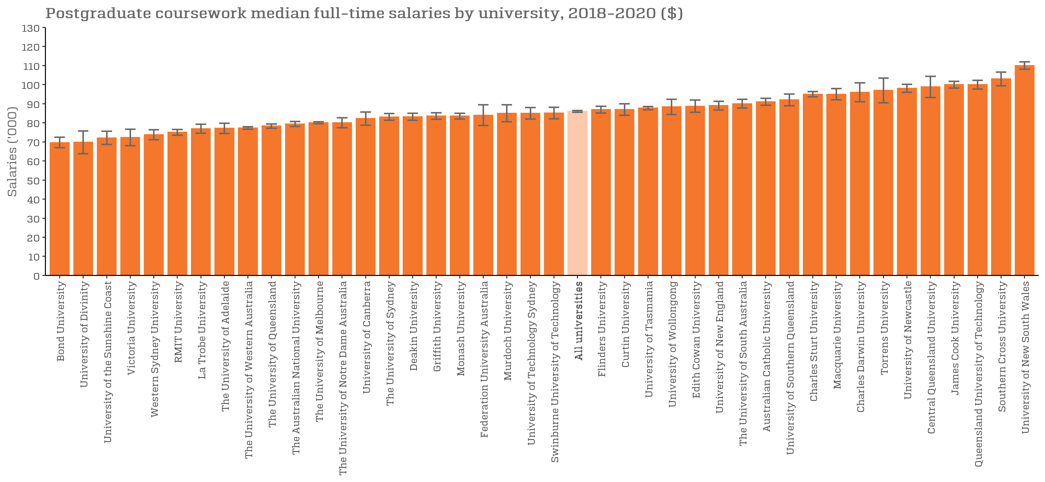
Postgraduate coursework median full-time salaries by university, 2018-2020 ($) |  | Back to INDEX
 | Full-time employment rate
Bond University | 69,600 (66,900, 72,400)
University of Divinity | 69,800 (63,800, 75,700)
University of the Sunshine Coast | 72,100 (68,600, 75,600)
Victoria University | 72,300 (68,000, 76,600)
Western Sydney University | 73,800 (71,200, 76,400)
RMIT University | 75,000 (73,500, 76,500)
La Trobe University | 76,900 (74,600, 79,200)
The University of Adelaide | 77,100 (74,400, 79,800)
The University of Western Australia | 77,300 (76,600, 78,000)
The University of Queensland | 78,300 (77,100, 79,400)
The Australian National University | 79,400 (78,100, 80,700)
The University of Melbourne | 80,000 (79,500, 80,500)
The University of Notre Dame Australia | 80,000 (77,400, 82,600)
University of Canberra | 82,200 (78,700, 85,600)
The University of Sydney | 83,100 (81,300, 84,900)
Deakin University | 83,200 (81,400, 85,000)
Griffith University | 83,500 (81,800, 85,200)
Monash University | 83,500 (82,000, 85,000)
Federation University Australia | 84,000 (78,600, 89,400)
Murdoch University | 85,000 (80,600, 89,400)
University of Technology Sydney | 85,000 (82,000, 88,000)
Swinburne University of Technology | 85,100 (82,100, 88,100)
All universities | 86,000 (85,500, 86,500)
Flinders University | 86,900 (85,100, 88,600)
Curtin University | 87,000 (84,000, 90,000)
University of Tasmania | 87,700 (86,800, 88,500)
University of Wollongong | 88,400 (84,400, 92,300)
Edith Cowan University | 88,700 (85,500, 91,900)
University of New England | 89,000 (86,700, 91,300)
The University of South Australia | 90,000 (87,700, 92,300)
Australian Catholic University | 91,000 (89,200, 92,800)
University of Southern Queensland | 92,000 (88,900, 95,100)
Charles Sturt University | 95,000 (93,600, 96,400)
Macquarie University | 95,000 (92,100, 97,900)
Charles Darwin University | 96,000 (91,000, 101,000)
Torrens University | 97,000 (90,500, 103,500)
University of Newcastle | 98,100 (96,000, 100,200)
Central Queensland University | 98,800 (93,200, 104,300)
James Cook University | 100,000 (98,200, 101,800)
Queensland University of Technology | 100,000 (97,700, 102,300)
Southern Cross University | 103,000 (99,400, 106,600)
University of New South Wales | 110,000 (108,100, 111,900)

SAL_PGC_NUHEI_1Y_FIG
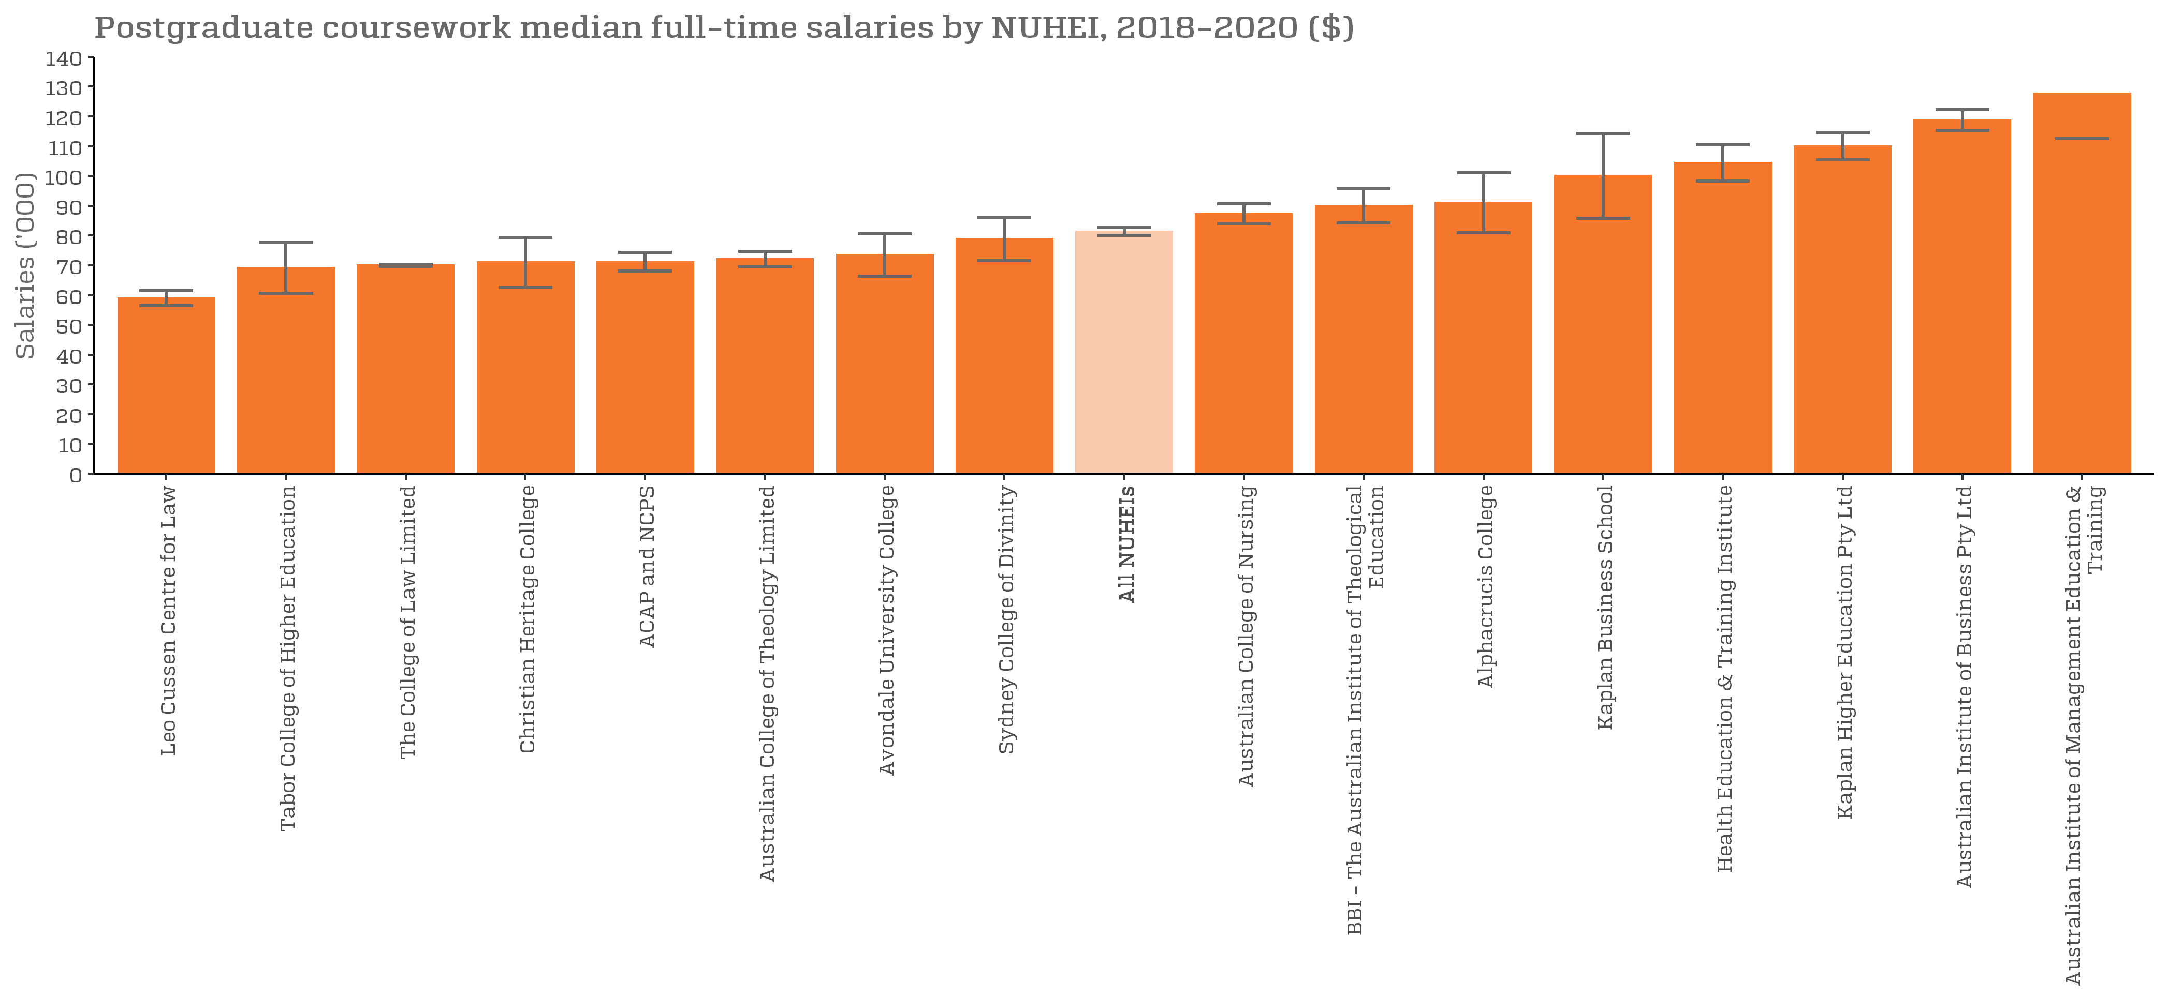
Postgraduate coursework median full-time salaries by NUHEI, 2018-2020 ($) |  | Back to INDEX
 | Full-time employment rate
Wentworth Institute of Higher Education | n/a
Box Hill Institute | n/a
Leo Cussen Centre for Law | 58,900 (56,400, 61,400)
Melbourne Institute of Technology | n/a
Moore Theological College | n/a
The Australian College of Physical Education | n/a
The Australian Institute of Music | n/a
Think Education | n/a
Tabor College of Higher Education | 69,200 (60,600, 77,700)
Eastern College Australia | n/a
The College of Law Limited | 70,000 (69,600, 70,400)
Christian Heritage College | 71,000 (62,600, 79,400)
ACAP and NCPS | 71,100 (68,000, 74,300)
Australian College of Theology Limited | 72,000 (69,400, 74,600)
Avondale University College | 73,500 (66,400, 80,600)
Nan Tien Institute | n/a
King's Own Institute | n/a
Sydney College of Divinity | 78,800 (71,500, 86,000)
The Cairnmillar Institute | n/a
Adelaide College of Divinity | n/a
The MIECAT Institute | n/a
All NUHEIs | 81,300 (80,000, 82,700)
Marcus Oldham College | n/a
Australian Institute of Professional Counsellors | n/a
Chisholm Institute | n/a
Australian College of Nursing | 87,200 (83,800, 90,700)
Excelsia College | n/a
BBI - The Australian Institute of Theological Education | 90,000 (84,300, 95,700)
Alphacrucis College | 91,000 (81,000, 101,000)
Morling College | n/a
Kaplan Business School | 100,000 (85,800, 114,200)
Health Education & Training Institute | 104,400 (98,300, 110,400)
ISN Psychology Pty Ltd | n/a
International College of Management, Sydney | n/a
Kaplan Higher Education Pty Ltd | 110,000 (105,400, 114,600)
Holmesglen Institute | n/a
Australian Institute of Business Pty Ltd | 118,700 (115,300, 122,200)
Australian Institute of Management Education & Training | 127,600 (112,500, 142,800)
Whitehouse Institute of Design, Australia | n/a
Academy of Information Technology
Adelaide Central School of Art
Australian Academy of Music and Performing Arts
Australian College of Christian Studies
Campion College Australia
Canberra Institute of Technology
Collarts (Australian College of the Arts)
Endeavour College of Natural Health
Engineering Institute of Technology
Holmes Institute
INSEARCH
International College of Hotel Management
Jazz Music Institute
Kent Institute Australia
LCI Melbourne
Le Cordon Bleu Australia
Macleay College
Melbourne Polytechnic
National Art School
North Metropolitan TAFE
Perth Bible College
Photography Studies College (Melbourne)
SAE Institute
South Metropolitan TAFE
SP Jain School of Management
Stott's Colleges
Study Group Australia Pty Limited
TAFE NSW
TAFE Queensland
TAFE South Australia
UOW College
VIT (Victorian Institute of Technology)
William Angliss Institute

FTE_PGR_UNI_3Y_FIG
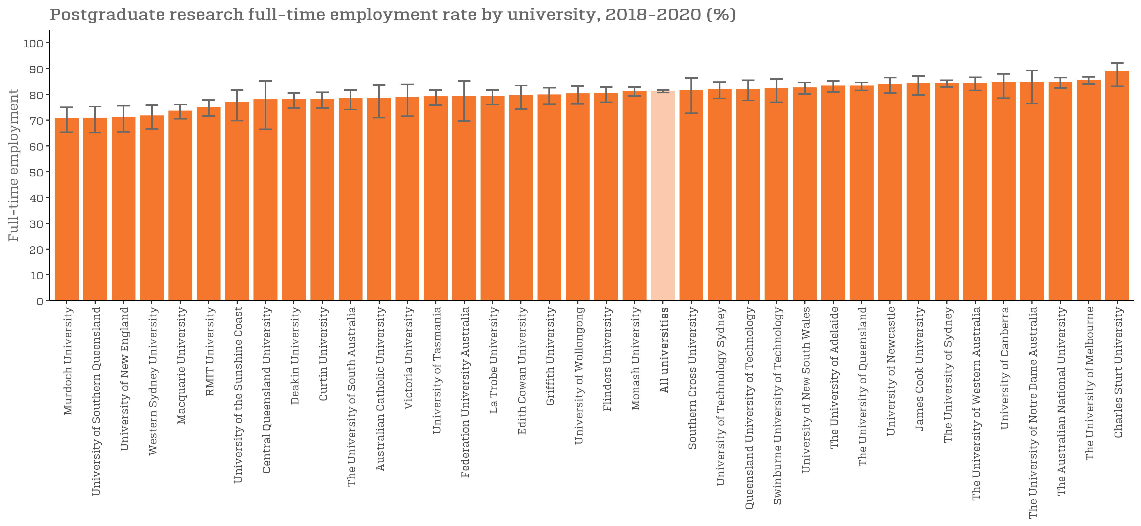
Postgraduate research full-time employment rate by university, 2018-2020 (%) |  | Back to INDEX
 | Full-time employment rate
Murdoch University | 70.6 (65.3, 75.0)
University of Southern Queensland | 70.8 (65.2, 75.3)
University of New England | 71.1 (65.5, 75.6)
Western Sydney University | 71.6 (66.6, 75.9)
Macquarie University | 73.5 (70.6, 76.1)
RMIT University | 74.9 (71.6, 77.7)
University of the Sunshine Coast | 76.8 (69.8, 81.8)
Central Queensland University | 77.8 (66.4, 85.2)
Deakin University | 78.0 (74.8, 80.6)
Curtin University | 78.1 (74.8, 80.8)
The University of South Australia | 78.3 (74.1, 81.6)
Australian Catholic University | 78.5 (71.0, 83.7)
Victoria University | 78.7 (71.5, 83.9)
University of Tasmania | 79.0 (75.9, 81.6)
Federation University Australia | 79.1 (69.6, 85.1)
Bond University | n/a
La Trobe University | 79.2 (76.0, 81.8)
Edith Cowan University | 79.5 (74.3, 83.4)
Griffith University | 79.7 (76.2, 82.6)
University of Wollongong | 80.2 (76.4, 83.2)
Flinders University | 80.3 (76.9, 82.9)
Monash University | 81.2 (79.3, 82.9)
All universities | 81.2 (80.7, 81.6)
Southern Cross University | 81.4 (72.7, 86.4)
University of Technology Sydney | 81.9 (78.4, 84.7)
Queensland University of Technology | 82.0 (77.6, 85.5)
Swinburne University of Technology | 82.2 (76.9, 86.0)
University of New South Wales | 82.5 (80.2, 84.6)
The University of Adelaide | 83.2 (80.9, 85.1)
The University of Queensland | 83.2 (81.5, 84.6)
University of Newcastle | 83.9 (80.6, 86.5)
James Cook University | 84.2 (79.7, 87.1)
The University of Sydney | 84.2 (82.8, 85.5)
The University of Western Australia | 84.3 (81.5, 86.6)
University of Canberra | 84.5 (78.5, 88.0)
The University of Notre Dame Australia | 84.6 (76.5, 89.3)
The Australian National University | 84.7 (82.5, 86.5)
The University of Melbourne | 85.5 (84.0, 86.8)
University of Divinity | n/a
Charles Sturt University | 88.9 (83.1, 92.1)
Charles Darwin University | n/a
Torrens University | n/a

SAL_PGR_UNI_3Y_FIG
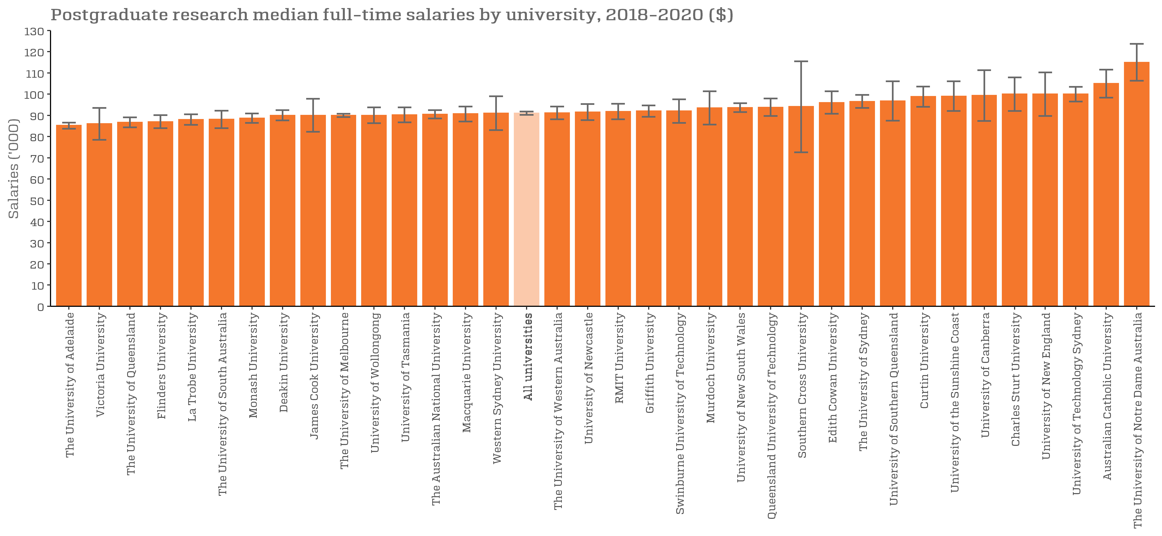
Postgraduate research median full-time salaries by university, 2018-2020 ($) |  | Back to INDEX
 | Full-time employment rate
University of Divinity | n/a
Torrens University | n/a
The University of Adelaide | 85,200 (83,700, 86,600)
Victoria University | 86,000 (78,500, 93,500)
The University of Queensland | 86,700 (84,300, 89,100)
Flinders University | 87,000 (83,900, 90,100)
La Trobe University | 88,000 (85,500, 90,500)
The University of South Australia | 88,100 (84,000, 92,200)
Monash University | 88,700 (86,500, 90,900)
Deakin University | 90,000 (87,600, 92,400)
James Cook University | 90,000 (82,200, 97,800)
The University of Melbourne | 90,000 (89,200, 90,800)
University of Wollongong | 90,000 (86,300, 93,700)
University of Tasmania | 90,200 (86,700, 93,800)
The Australian National University | 90,500 (88,500, 92,500)
Macquarie University | 90,700 (87,100, 94,200)
Western Sydney University | 91,000 (83,000, 99,000)
All universities | 91,000 (90,200, 91,800)
The University of Western Australia | 91,100 (88,100, 94,100)
Charles Darwin University | n/a
University of Newcastle | 91,500 (87,700, 95,300)
RMIT University | 91,800 (88,200, 95,500)
Griffith University | 92,000 (89,300, 94,700)
Swinburne University of Technology | 92,000 (86,500, 97,500)
Murdoch University | 93,500 (85,600, 101,400)
University of New South Wales | 93,600 (91,500, 95,700)
Queensland University of Technology | 93,800 (89,700, 97,900)
Southern Cross University | 94,100 (72,600, 115,500)
Edith Cowan University | 96,000 (90,700, 101,300)
The University of Sydney | 96,500 (93,500, 99,600)
University of Southern Queensland | 96,800 (87,500, 106,100)
Central Queensland University | n/a
Curtin University | 98,800 (94,000, 103,600)
University of the Sunshine Coast | 99,000 (92,000, 106,000)
University of Canberra | 99,400 (87,400, 111,300)
Bond University | n/a
Charles Sturt University | 100,000 (92,100, 107,900)
Federation University Australia | n/a
University of New England | 100,000 (89,700, 110,300)
University of Technology Sydney | 100,000 (96,500, 103,500)
Australian Catholic University | 105,000 (98,400, 111,600)
The University of Notre Dame Australia | 115,000 (106,300, 123,700)

