Paperwork Envelope
Logo
 |  |  | 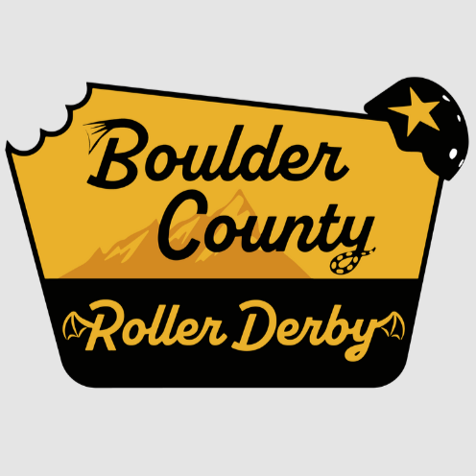
 |  | Game 1 Saturday, 09-20-25 @ 10:00 AM

 |  |  | Head NSO: LLoud LLama
 |  |  | Head Ref: Primeval
 |  | Boulder County Roller Derby / Boulder Bolters |  | Los Alamos Derby / Derby Dames

 |  | Score | Penalties | Score | Penalties
 | Period 1
 | Period 2
 | Total

 | Jersey Color | BLACK |  | WHITE
 | Helmet Cover
 | Captain | Feral Kat |  | Rissa Rampage
 | Designated Alt
 | # of Bench Staff
 | Starting Bench | Jammer Line | Pivot Line | Jammer Line | Pivot Line
 | Roster Notes

□ | Final game rosters submitted:
 | □ | Boulder County Roller Derby / Boulder Bolters
 | □ | Los Alamos Derby / Derby Dames
□ | IGRF signed
 | Y / N | Expulsion
 | Y / N | Official Score Adjustment
□ | Score and IGRF Submitted
 | □ | Official Review Form Submitted
 | □ | Expulsion Form Submitted
□ | StatsBook Data Entered
□ | StatsBook Submitted

