Sheet1
 |  |  |  |  | Key Tiles
Pond | Stage | Mechanisms Included | Name | Image | Score | Spring | Water | Bounce | Rating | Comments
1 | 1 | Score | AFish | 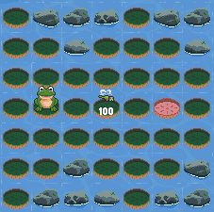 |  |  |  |  | H | Simplified version of Starting out. 20 hop limit so people can just jump around if they want.
 |  |  | Wandering | 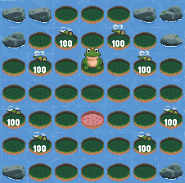 |  |  |  |  | M | Allows wandering with 20 hop limit and establishes the fact that you don't always need to get all the scores
 |  |  | SecondOfLy | 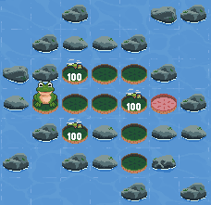 | Y |  |  |  | H | Simplified secondofly
 |  |  | SimpleThrough | 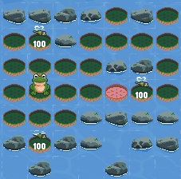 | Y |  |  |  | M
 |  |  | Up | 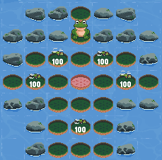 | Y |  |  |  | H | Neatened up
 |  |  | ArtAndSoul2 | 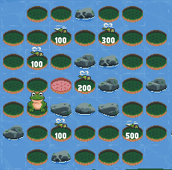 | Y |  |  |  | M | Remove the water

1 | 2 | Score, Spring | MovingOn | 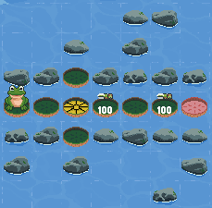 | Y | Y |  |  | M | Probably fine but could do something nice here potentially.
 |  |  | MovingOn2 | 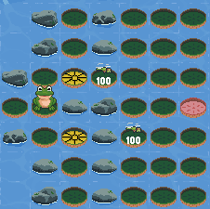 | Y | Y |  |  | M | Good enough I think
 |  |  | DoubleJump | 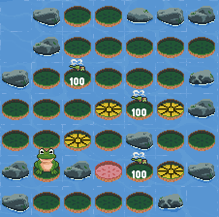 | Y | Y |  |  | H
 |  |  | WeirdMirror1 | 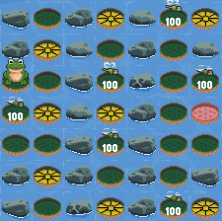 | Y | Y |  |  | H
 |  |  | Jumpington | 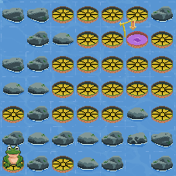 |  | Y |  |  | M | Might be minor improvements possible.

2 | 1 | Score, Water | Edgy | 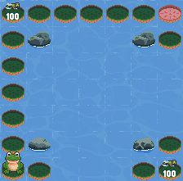 |  |  | Y |  | M/H | Worthwhile I think, as need a nicer intro to water
 |  |  | WideChannel_3 | 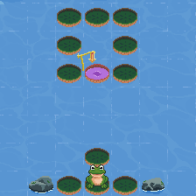 |  |  | Y |  | H | Probably good to go.
 |  |  | WideChannel_4 | 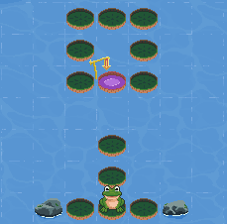 |  |  | Y |  | H | Probably good to go.
 |  |  | Arrowhead | 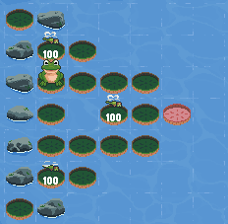 | Y |  | Y |  | H | Pretty good I think. Might be to early to introduce the turn?
 |  |  | BlueLine | 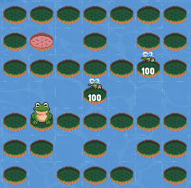 | Y |  | Y |  | H | Like it a lot but is quite tricky. Could potentially do more with score placement.

2 | 2 | Score, Water, Spring | Retrace | 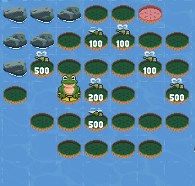 | Y | Y | Y |  | M | Probably good enough to go in but bit of a waste of the spring tile I think.
 |  |  | DivingIn1 | 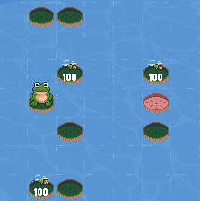 | Y |  | Y |  | M | These 4 are all together - probably don't want any more than 3 and really need to refine them.
 |  |  | DivingIn1a | 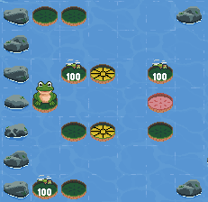 | Y | Y | Y |  | M | These 4 are all together - probably don't want any more than 3 and really need to refine them.
 |  |  | DivingIn6 | 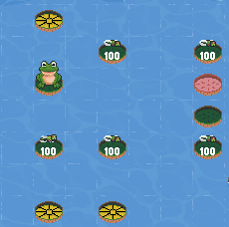 | Y | Y | Y |  | M | These 4 are all together - probably don't want any more than 3 and really need to refine them.
 |  |  | DivingInEfficiently1 | 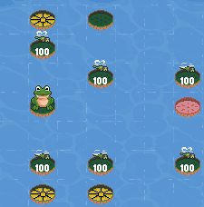 | Y | Y | Y |  | M | These 4 are all together - probably don't want any more than 3 and really need to refine them.
 |  |  | SideToSide | 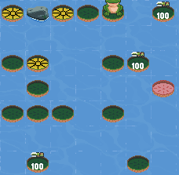 | Y | Y | Y |  | M | Decent one but a bit limited in terms of options for ways to go from the start.

2 | 3 | Score, Water, Spring | Mazemerize | 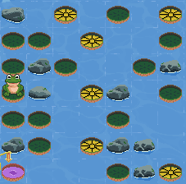 |  | Y | Y |  | M | Again, limited no. of route options but probably good enough.
 |  |  | TheSquare | 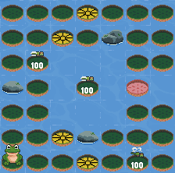 | Y | Y | Y |  | H | This one is good to go. Probably a good simpler one.
 |  |  | PondInPond | 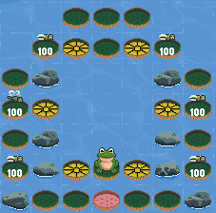 | Y | Y | Y |  | H | Good to go.
 |  |  | SideWind | 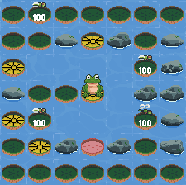 | Y | Y | Y |  | H | Good to go.
 |  |  | MiniMaze | 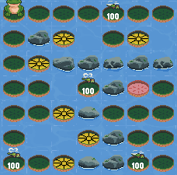 | Y | Y | Y |  | M | Kinda like this one but not a top level one.
 |  |  | GettingAbout9 | 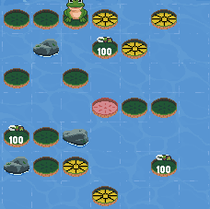 | Y | Y | Y |  | H | A bit telegraphed but good enough as it is. Maybe have a play and see if it can be improved.

2 | 4 | Score, Water, Spring | LongWayShortWay5 | 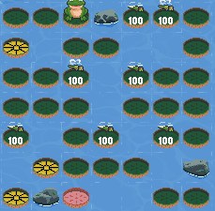 | Y | Y | Y |  | H | Yeah I like this one, just need to rule out alternate paths. Maybe add in some more jumps as red herrings?
 |  |  | StuckInJumpLoop | 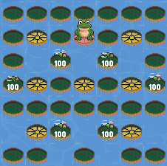 | Y | Y | Y |  | H | Good, just need to rule out options.
 |  |  | CrissCross | 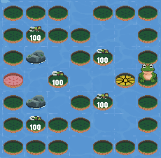 | Y | Y | Y |  | H | Good, just need to rule out options.

3 | 1 | Score, Bounce | BadStar | 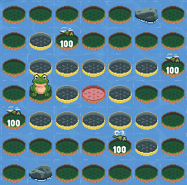 | Y |  |  | Y | H | Pretty decent easy one.
 |  |  | EQ | 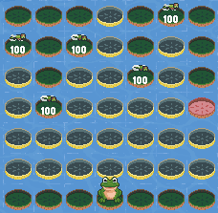 | Y |  |  | Y | M | Maybe. Quite easy I think.
 |  |  | BouncyHouse | 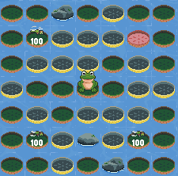 | Y |  |  | Y | H | Not too bad, could maybe be improved. Just quite limited routes again.
 |  |  | UpOrDown | 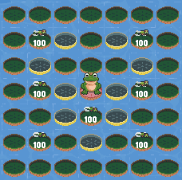 | Y |  |  | Y | H | I like it I think - a decent simple one.

3 | 2 | Score, Spring, Water, Bounce | 3-3-4 | 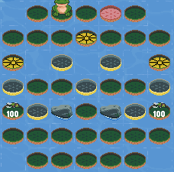 | Y | Y | Y | Y | M | Hopefully it can be a bit improved, as it's almost good.
 |  |  | Trickery | 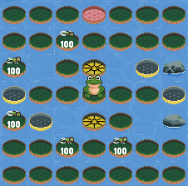 | Y | Y | Y | Y | H | Also like this one. Plenty of options I think.
 |  |  | FillipeFilloppe | 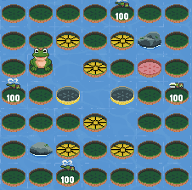 | Y | Y | Y | Y | H | OK I think, will see what the tests show!
 |  |  | Twins | 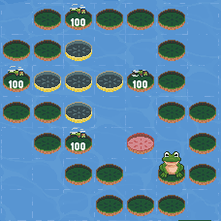 | Y |  | Y | Y | M/H | Decent I think.

3 | 3 | Score, Spring, Water, Bounce

