Data Dictionary
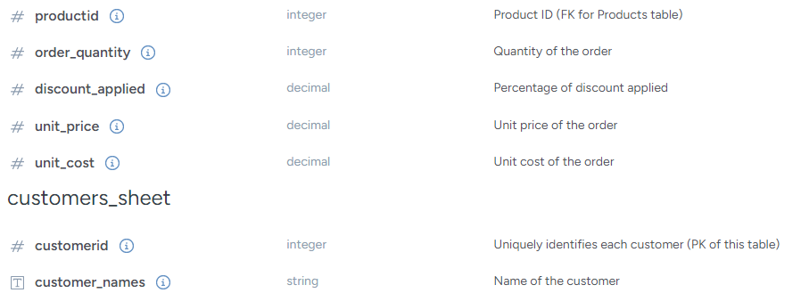
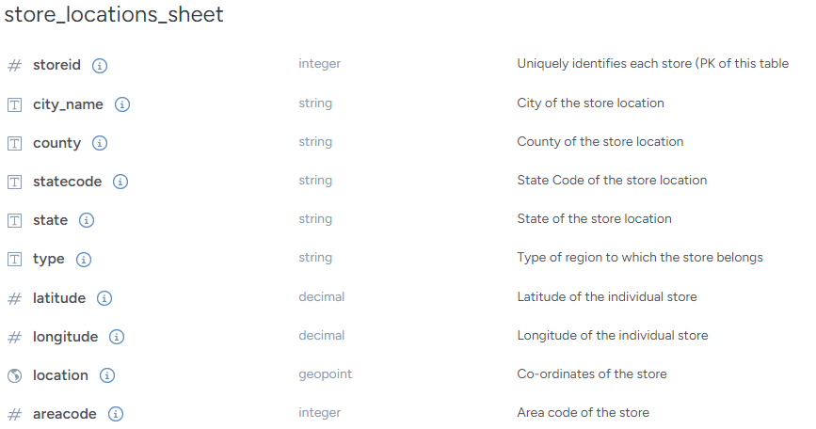
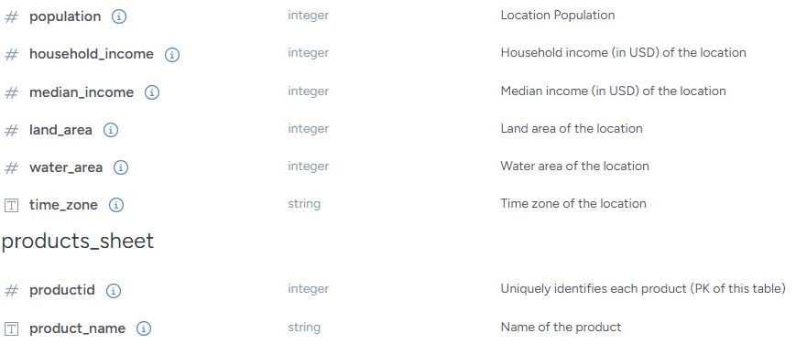
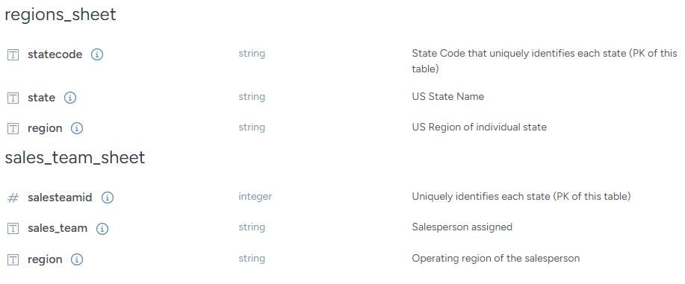
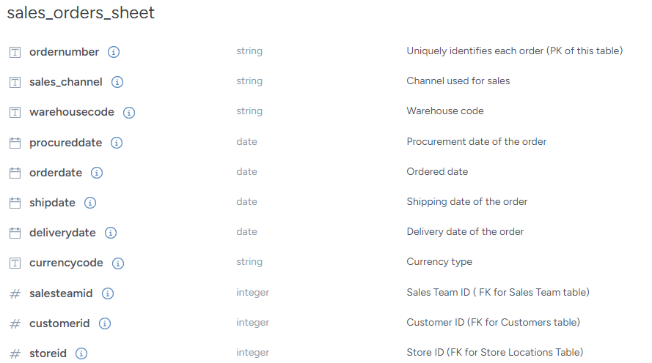
Column Name | Type | Description
sales_orders_sheet
ordernumber | string | Uniquely identifies each order (PK of this table)
sales_channel | string | Channel used for sales
warehousecode | string | Warehouse code

