0_Cover
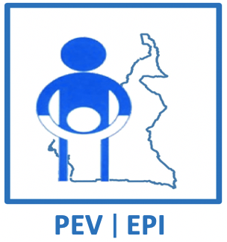
 | REPUBLIQUE DU CAMEROUN |  |  | REPUBLIC OF CAMEROON
 | Paix – Travail - Patrie |  |  | Peace – Work – Fatherland
 | --------------- |  |  | ---------------
 | MINISTERE DE LA SANTE PUBLIQUE |  |  | MINISTRY OF PUBLIC HEALTH
 | ------------------ |  |  | ------------------
 | PROGRAMME ELARGI DE VACCINATION |  |  | EXPANDED PROGRAMME ON IMMUNIZATION
 | ------------------ |  |  | ------------------

 | VACCINATION CAMPAIGN AGAINST MEASLES AND RUBELLA JUNE -JULY 2023

 | MICROPLAN

 | Date of update | 2023-05-09

 | REGION
 | DISTRICT DE SANTE
 | HEALTH AREA
LEAD HEALTH FACILITY
NAME OF THE CHIEF OF HEALTH AREA
CONTACT OF THE CHIEF OF HEALTH AREA

NUMBER OF HEALTH FACILITIES

NUMBER OF LOCALITIES IN THE HEALTH AREA

DISTANCE FROM THE LEAD HEALTH FACILITY TO THE DISTRICT |  |  | Km

