Sheet1
Row Labels | Sum of Matches | Sum of Runs
Aarav Sharma | 45 | 1620
Ben Carter | 52 | 1890
Carlos Mendes | 48 | 1340
Daniel Okoye | 60 | 210
Eshan Verma | 55 | 1750
Farhan Khan | 58 | 180
George Wilson | 50 | 1200
Hamza Sheikh | 47 | 1580
Ishaan Patel | 62 | 190
Jake Thompson | 53 | 1410
Kabir Singh | 44 | 1500
Liam O'Brien | 59 | 150
Mohit Rao | 51 | 1620
Nathan Reid | 57 | 200
Omar Farooq | 49 | 1280
Priya Nair | 46 | 1490
Quinton Davies | 54 | 1700
Rahul Mehta | 61 | 170
Sam Walker | 43 | 1380
Tariq Aziz | 56 | 160
Grand Total | 1050 | 21020

Sheet3
Row Labels | Sum of Matches | Sum of Balls Faced
Aarav Sharma | 45 | 201
Ben Carter | 52 | 210
Carlos Mendes | 48 | 180
Daniel Okoye | 60 | 400
Eshan Verma | 55 | 205
Farhan Khan | 58 | 355
George Wilson | 50 | 160
Hamza Sheikh | 47 | 190
Ishaan Patel | 62 | 420
Jake Thompson | 53 | 170
Kabir Singh | 44 | 198
Liam O'Brien | 59 | 380
Mohit Rao | 51 | 188
Nathan Reid | 57 | 410
Omar Farooq | 49 | 165
Priya Nair | 46 | 178
Quinton Davies | 54 | 195
Rahul Mehta | 61 | 395
Sam Walker | 43 | 182
Tariq Aziz | 56 | 365
Grand Total | 1050 | 5147

Sheet2
Row Labels | Sum of Matches | Sum of Balls Faced
Aarav Sharma | 45 | 201
Ben Carter | 52 | 210
Carlos Mendes | 48 | 180
Daniel Okoye | 60 | 400
Eshan Verma | 55 | 205
Farhan Khan | 58 | 355
George Wilson | 50 | 160
Hamza Sheikh | 47 | 190
Ishaan Patel | 62 | 420
Jake Thompson | 53 | 170
Kabir Singh | 44 | 198
Liam O'Brien | 59 | 380
Mohit Rao | 51 | 188
Nathan Reid | 57 | 410
Omar Farooq | 49 | 165
Priya Nair | 46 | 178
Quinton Davies | 54 | 195
Rahul Mehta | 61 | 395
Sam Walker | 43 | 182
Tariq Aziz | 56 | 365
Grand Total | 1050 | 5147

Sheet5
 | Sum of Matches | Sum of Runs
Aarav Sharma | 45 | 1620
Ben Carter | 52 | 1890
Carlos Mendes | 48 | 1340
Daniel Okoye | 60 | 210
Eshan Verma | 55 | 1750
Farhan Khan | 58 | 180
George Wilson | 50 | 1200
Hamza Sheikh | 47 | 1580
Ishaan Patel | 62 | 190
Jake Thompson | 53 | 1410
Kabir Singh | 44 | 1500
Liam O'Brien | 59 | 150
Mohit Rao | 51 | 1620
Nathan Reid | 57 | 200
Omar Farooq | 49 | 1280
Priya Nair | 46 | 1490
Quinton Davies | 54 | 1700
Rahul Mehta | 61 | 170
Sam Walker | 43 | 1380
Tariq Aziz | 56 | 160
 | Sum of Matches | Sum of Balls Faced
Aarav Sharma | 45 | 201
Ben Carter | 52 | 210
Carlos Mendes | 48 | 180
Daniel Okoye | 60 | 400
Eshan Verma | 55 | 205
Farhan Khan | 58 | 355
George Wilson | 50 | 160
Hamza Sheikh | 47 | 190
Ishaan Patel | 62 | 420
Jake Thompson | 53 | 170
Kabir Singh | 44 | 198
Liam O'Brien | 59 | 380
Mohit Rao | 51 | 188
Nathan Reid | 57 | 410
Omar Farooq | 49 | 165
Priya Nair | 46 | 178
Quinton Davies | 54 | 195
Rahul Mehta | 61 | 395
Sam Walker | 43 | 182
Tariq Aziz | 56 | 365

 | Sum of Matches | Sum of Runs
Aarav Sharma | 45 | 1620
Ben Carter | 52 | 1890
Carlos Mendes | 48 | 1340
Daniel Okoye | 60 | 210
Eshan Verma | 55 | 1750
Farhan Khan | 58 | 180
George Wilson | 50 | 1200
Hamza Sheikh | 47 | 1580
Ishaan Patel | 62 | 190
Jake Thompson | 53 | 1410
Kabir Singh | 44 | 1500
Liam O'Brien | 59 | 150
Mohit Rao | 51 | 1620
Nathan Reid | 57 | 200
Omar Farooq | 49 | 1280
Priya Nair | 46 | 1490
Quinton Davies | 54 | 1700
Rahul Mehta | 61 | 170
Sam Walker | 43 | 1380
Tariq Aziz | 56 | 160

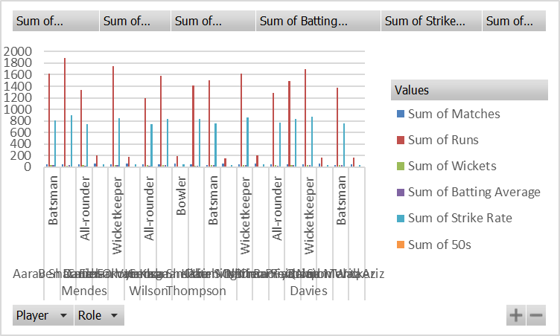
 | Sum of Matches | Sum of Balls Faced
Aarav Sharma | 45 | 201
Ben Carter | 52 | 210
Carlos Mendes | 48 | 180
Daniel Okoye | 60 | 400
Eshan Verma | 55 | 205
Farhan Khan | 58 | 355
George Wilson | 50 | 160
Hamza Sheikh | 47 | 190
Ishaan Patel | 62 | 420
Jake Thompson | 53 | 170
Kabir Singh | 44 | 198
Liam O'Brien | 59 | 380
Mohit Rao | 51 | 188
Nathan Reid | 57 | 410
Omar Farooq | 49 | 165
Priya Nair | 46 | 178
Quinton Davies | 54 | 195
Rahul Mehta | 61 | 395
Sam Walker | 43 | 182
Tariq Aziz | 56 | 365

Sheet4
Row Labels | Sum of Matches | Sum of Runs | Sum of Wickets | Sum of Batting Average | Sum of Strike Rate | Sum of 50s
Aarav Sharma | 45 | 1620 | 38 | 36 | 805.97 | 12
Batsman | 45 | 1620 | 38 | 36 | 805.97 | 12
Ben Carter | 52 | 1890 | 29 | 36.35 | 900 | 10
Batsman | 52 | 1890 | 29 | 36.35 | 900 | 10
Carlos Mendes | 48 | 1340 | 33 | 27.92 | 744.44 | 5
All-rounder | 48 | 1340 | 33 | 27.92 | 744.44 | 5
Daniel Okoye | 60 | 210 | 15 | 3.5 | 52.5 | 0
Bowler | 60 | 210 | 15 | 3.5 | 52.5 | 0
Eshan Verma | 55 | 1750 | 42 | 31.82 | 853.66 | 11
Wicketkeeper | 55 | 1750 | 42 | 31.82 | 853.66 | 11
Farhan Khan | 58 | 180 | 8 | 3.1 | 50.7 | 0
Bowler | 58 | 180 | 8 | 3.1 | 50.7 | 0
George Wilson | 50 | 1200 | 36 | 24 | 750 | 6
All-rounder | 50 | 1200 | 36 | 24 | 750 | 6
Hamza Sheikh | 47 | 1580 | 40 | 33.62 | 831.58 | 9
Batsman | 47 | 1580 | 40 | 33.62 | 831.58 | 9
Ishaan Patel | 62 | 190 | 12 | 3.06 | 45.24 | 0
Bowler | 62 | 190 | 12 | 3.06 | 45.24 | 0
Jake Thompson | 53 | 1410 | 31 | 26.6 | 829.41 | 7
All-rounder | 53 | 1410 | 31 | 26.6 | 829.41 | 7
Kabir Singh | 44 | 1500 | 37 | 34.09 | 757.58 | 8
Batsman | 44 | 1500 | 37 | 34.09 | 757.58 | 8
Liam O'Brien | 59 | 150 | 10 | 2.54 | 39.47 | 0
Bowler | 59 | 150 | 10 | 2.54 | 39.47 | 0
Mohit Rao | 51 | 1620 | 39 | 31.76 | 861.7 | 10
Wicketkeeper | 51 | 1620 | 39 | 31.76 | 861.7 | 10
Nathan Reid | 57 | 200 | 11 | 3.51 | 48.78 | 0
Bowler | 57 | 200 | 11 | 3.51 | 48.78 | 0
Omar Farooq | 49 | 1280 | 34 | 26.12 | 775.76 | 5
All-rounder | 49 | 1280 | 34 | 26.12 | 775.76 | 5
Priya Nair | 46 | 1490 | 35 | 32.39 | 837.08 | 8
Batsman | 46 | 1490 | 35 | 32.39 | 837.08 | 8
Quinton Davies | 54 | 1700 | 41 | 31.48 | 871.79 | 10
Wicketkeeper | 54 | 1700 | 41 | 31.48 | 871.79 | 10
Rahul Mehta | 61 | 170 | 9 | 2.79 | 43.04 | 0
Bowler | 61 | 170 | 9 | 2.79 | 43.04 | 0
Sam Walker | 43 | 1380 | 32 | 32.09 | 758.24 | 7
Batsman | 43 | 1380 | 32 | 32.09 | 758.24 | 7
Tariq Aziz | 56 | 160 | 13 | 2.86 | 43.84 | 0
Bowler | 56 | 160 | 13 | 2.86 | 43.84 | 0
Grand Total | 1050 | 21020 | 545 | 425.6 | 10900.78 | 108

