Login_search Page
Top 10 Searched Legislation
About US
Help / FAQ

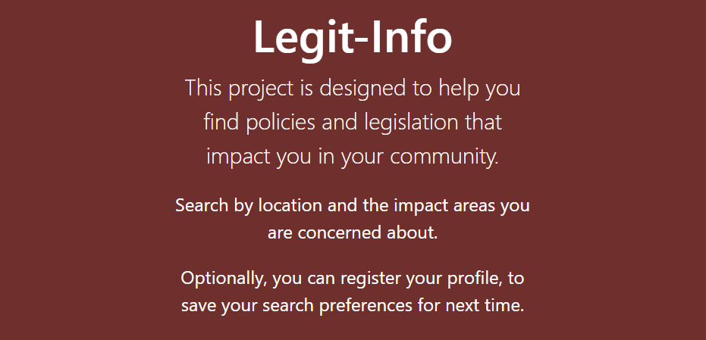
Helpful Resources


Legal Dictionary

Feedback

1. Added sample logo.
2. Added images to make the content relatable.
3. Add Help / FAQ section section with some questions that visitors to this page may have.
4. Add About Us section to provide details of why this initiative was taken up.
5. Add a legal dictionary link to explain critical legal words in plain english. This can be a as simple as adding the link to Legal section of dictionary here > https://www.merriam-webster.com/legal.
6. Add an additional "Helpful Resources" section and link to similar sites where information is available.
7. Choose Language drop down as the user may not be limited to speaking english.
8.Add top 10 searched legislation.
9. Search legislation by keywords. For example, if I search for suicide then [US-SR0788-1658-Y2020 | United States | Healthcare] should come up.

 | Choose Language
 | English
 | Spanish

Search Results Page
Top 10 Searched Legislation
About US
Help / FAQ

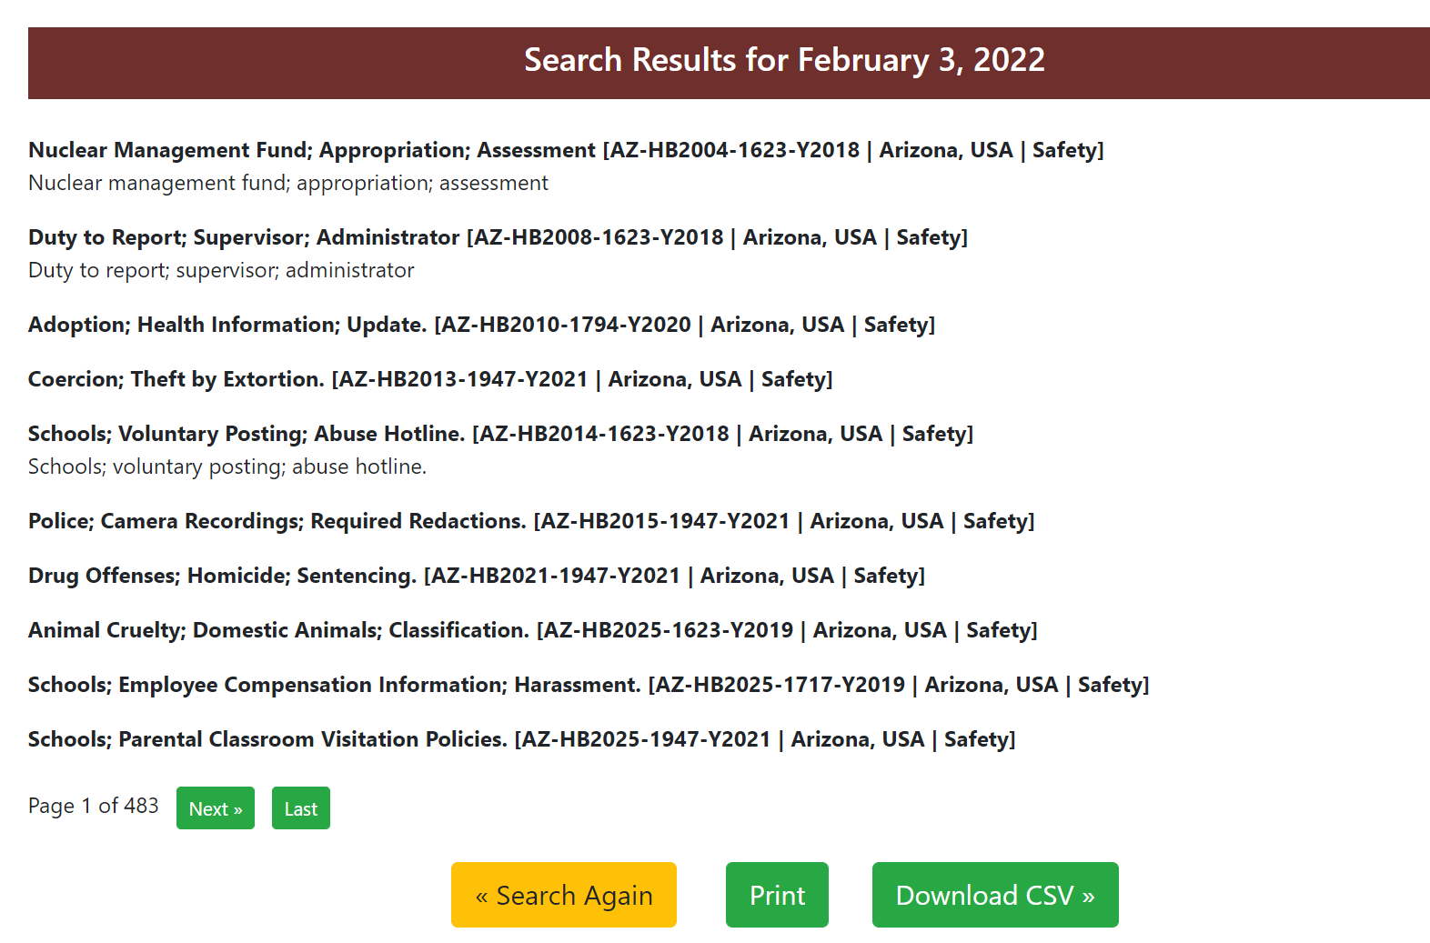

1. Add numbering / bullets.
2. Add Home button.
3. Download csv button gives an error 500.
4.Maybe the legislation detail like [AZ-HB2008-1623-Y2018 | Arizona, USA | Safety] can come first followed by the description;Duty to Report; Supervisor; Administrator .

 | Choose Language
 | English
 | Spanish

