Sheet2
Sales Analytics Dashboard

Total Orders
1000
Total Revenue
₹139.4 Million
Average Order Value
₹139,399
Top Product
Laptop
Top City
Patna

Monthly Sales Trend Chart

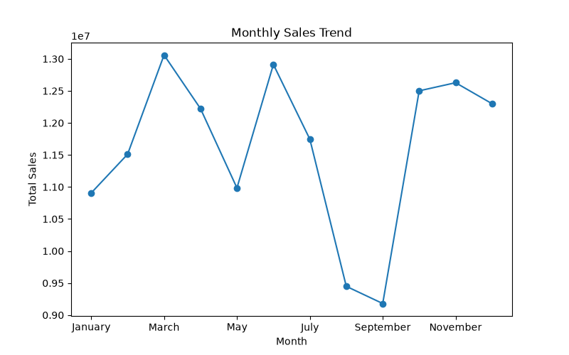

Category Analysis | City Analysis

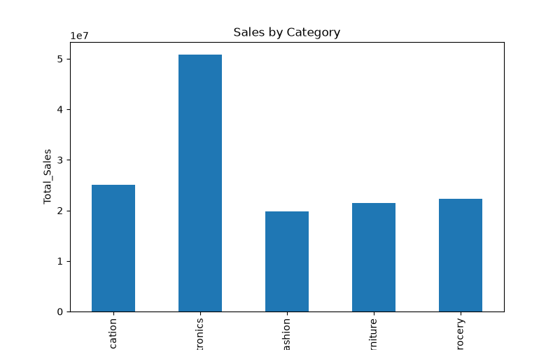
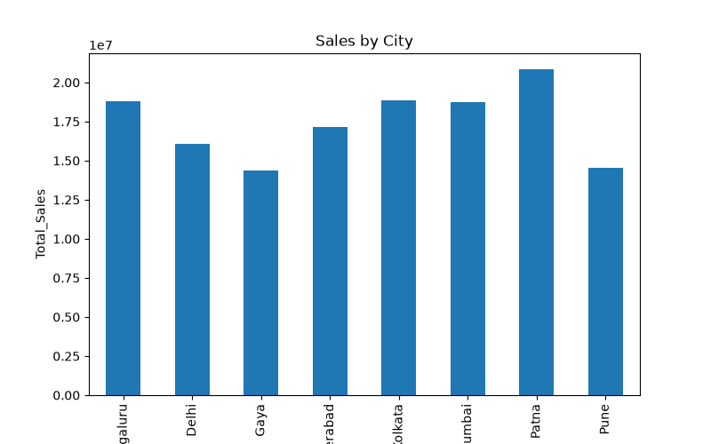

Gender Analysis | Age Group Analysis

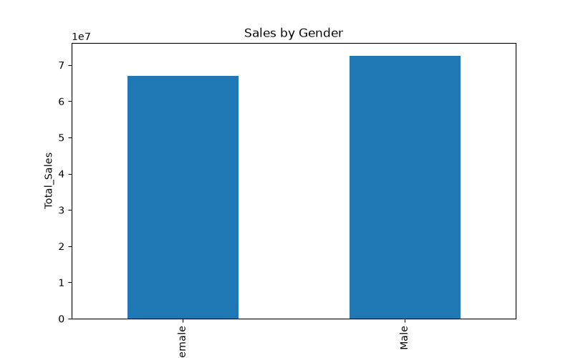
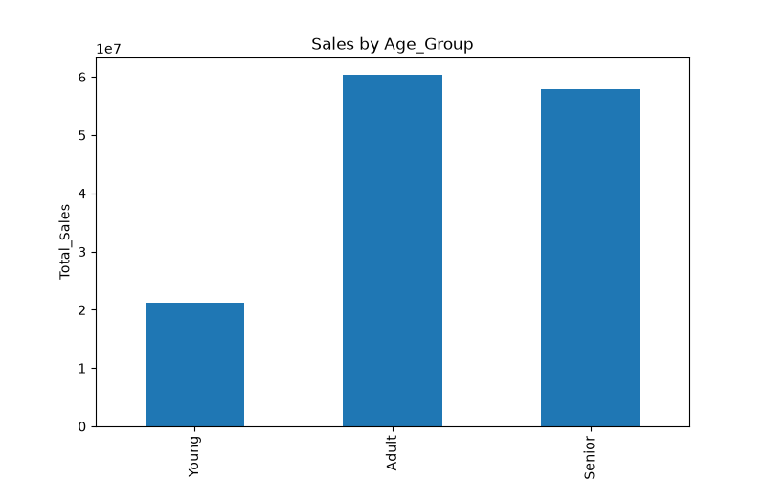

Top Products Chart

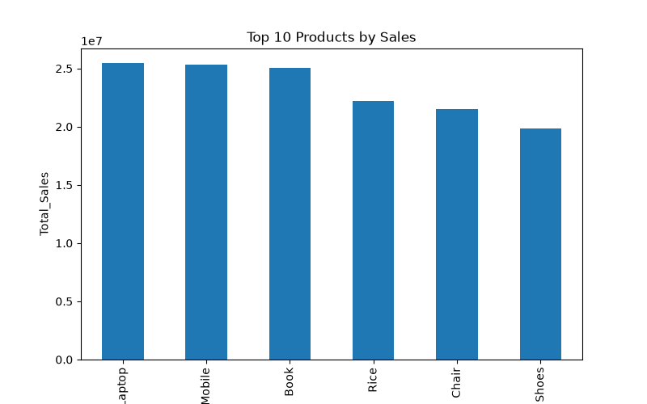

Key Insights

• Electronics generated the highest revenue. • Laptop was the top-selling product. • Patna generated the highest revenue. • Adult customers contributed the most sales. • Average order value was ₹139,399. • March recorded the highest monthly revenue.

