Sheet1
N | Time(ms)
100 | 0
500 | 1
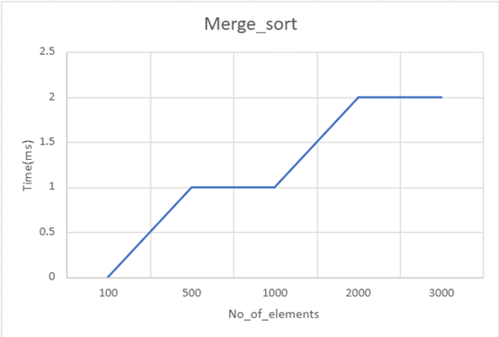
1000 | 1
2000 | 2
3000 | 2

