Sheet1
Vertices | Time(ms)
100 | 0
200 | 0
300 | 1
400 | 1
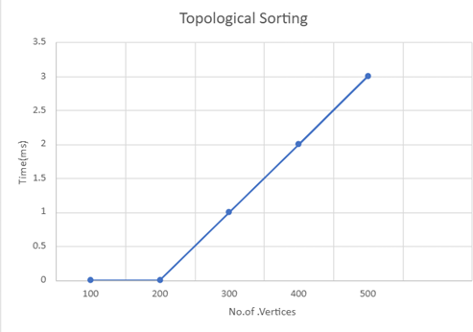
500 | 2

