Sheet1
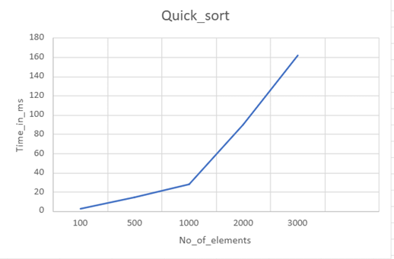
N | Time(ms)
100 | 2
500 | 14
1000 | 28
2000 | 90
3000 | 162

