Dashboard
AtliqO Revenue Dashboard

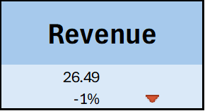
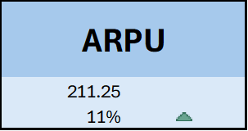
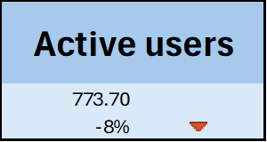
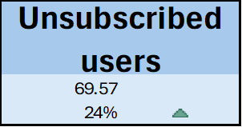

Revenue by City
 | Total
Ahmedabad | 187.07
Bangalore | 338.61
Chandigarh | 61.19
Chennai | 296.37
Coimbatore | 91.39
Delhi | 387.2
Gurgaon | 54.65
Hyderabad | 235.73
Jaipur | 140.87
Kolkata | 384.39
Lucknow | 130.84
Mumbai | 489.55
Patna | 98.2
Pune | 259.76
Raipur | 31.54
Revenue over time
 | After 5G | Before 5G
1 | 357.56 | 354.37
2 | 412.76 | 425.69
3 | 419.08 | 410.45
4 | 400.26 | 407.19

Top 5 plans by revenue
 | Total
p1 | 419.93
p2 | 297.53
p3 | 261.54
p4 | 195.22
p11 | 185.95

Market share by company
 | Total
Atliqo | 19.56
Britel | 27.49
Dadafone | 10.31
Others | 7.23
Pio | 35.42

