Q1
Create a 3-dimensional column chart comparing sales data for men and women, but omitting BMWs
Car Sales By Gender
Car Sales by Gender
 | Men | Women
Fiat | 3% | 32%
Ford | 39% | 12%
Mercedes | 6% | 17%
Vauxhall | 19% | 10%
Nissan | 12% | 21%
 | Men | Women
Fiat | 3% | 32%
Ford | 39% | 12%
BMW | 21% | 8%
Mercedes | 6% | 17%
Vauxhall | 19% | 10%
Nissan | 12% | 21%

Q2
Create a chart to compare the favourite films data for 15-25 year olds only (be careful not to include any unnecessary blanks rows or columns in your selected data). Format this chart so that it is a pie chart, with the Barbarella slice "exploded" and each segment labelled:

Favourite Films By Age group

 | 15 - 25 yrs | 26 - 40 yrs | Over 40's

Barbarella | 17% | 31% | 18%
Die Hard | 20% | 15% | 1%
Gone with the Wind | 4% | 19% | 41%
Jurassic Park | 34% | 12% | 3%
Speed | 17% | 8% | 11%
Titanic | 8% | 15% | 26%

% denotes the percentage of the sample that marked the film as their favourite.

Q3
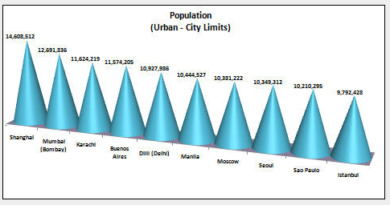
Select the necessary ranges of data to create a 3-D cone chart showing the City and the Population

Rank | City | Country | Population (Urban - City Limits)
1 | Shanghai | China | 14,608,512
2 | Mumbai (Bombay) | India | 12,691,836
3 | Karachi | Pakistan | 11,624,219
4 | Buenos Aires | Argentina | 11,574,205
5 | Dilli (Delhi) | India | 10,927,986
6 | Manila | Philippines | 10,444,527
7 | Moscow | Russia | 10,381,222
8 | Seoul | Korea (South) | 10,349,312
9 | Sao Paulo | Brazil | 10,210,295
10 | Istanbul | Turkey | 9,792,428

Q4
Convert this data into a line chart. Make the necessary changes to ensure that it resembles the one shown below.

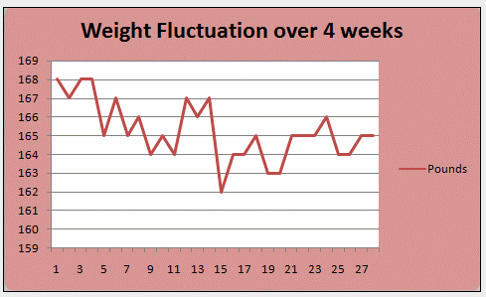
 | Weight of trainer

 | Day | Pounds
 | 1 | 168
 | 2 | 167
 | 3 | 168
 | 4 | 168
 | 5 | 165
 | 6 | 167
 | 7 | 165
 | 8 | 166
 | 9 | 164
 | 10 | 165
 | 11 | 164
 | 12 | 167
 | 13 | 166
 | 14 | 167
 | 15 | 162
Weight Fluctation over 4 weeks
 | 16 | 164
 | 17 | 164
 | 18 | 165
 | 19 | 163
 | 20 | 163
 | 21 | 165
 | 22 | 165
 | 23 | 165
 | 24 | 166
 | 25 | 164
 | 26 | 164
 | 27 | 165
 | 28 | 165

Q5
Create a chart which shows the top 6 countries and their medal hauls

Athens 2004 Medals Table
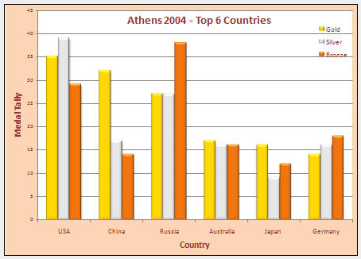
Country | Gold | Silver | Bronze
USA | 35 | 39 | 29
China | 32 | 17 | 14
Russia | 27 | 27 | 38
Australia | 17 | 16 | 16
Japan | 16 | 9 | 12
Germany | 14 | 16 | 18
France | 11 | 9 | 13
Italy | 10 | 11 | 11
South Korea | 9 | 12 | 9
Great Britain | 9 | 9 | 12
Cuba | 9 | 7 | 11
Ukraine | 9 | 5 | 9
Hungary | 8 | 6 | 3
Romania | 8 | 5 | 6
Athens 2004 - Top 6 Countries
Greece | 6 | 6 | 4
Norway | 5 | 0 | 1
Netherlands | 4 | 9 | 9
Brazil | 4 | 3 | 3
Sweden | 4 | 1 | 2
Spain | 3 | 11 | 5
Canada | 3 | 6 | 3
Turkey | 3 | 3 | 4
Poland | 3 | 2 | 5
New Zealand | 3 | 2 | 0
Thailand | 3 | 1 | 4
Belarus | 2 | 6 | 7
Austria | 2 | 4 | 1
Ethiopia | 2 | 3 | 2
Iran | 2 | 2 | 2
Slovakia | 2 | 2 | 2
Taiwan | 2 | 2 | 1
Georgia | 2 | 2 | 0
Bulgaria | 2 | 1 | 9
Jamaica | 2 | 1 | 2
Uzbekistan | 2 | 1 | 2
Morocco | 2 | 1 | 0
Denmark | 2 | 0 | 6
Argentina | 2 | 0 | 4
Chile | 2 | 0 | 1
Kazakhstan | 1 | 4 | 3
Kenya | 1 | 4 | 2
Czech Republic | 1 | 3 | 4
South Africa | 1 | 3 | 2
Croatia | 1 | 2 | 2
Lithuania | 1 | 2 | 0
Egypt | 1 | 1 | 3
Switzerland | 1 | 1 | 3
Indonesia | 1 | 1 | 2
Zimbabwe | 1 | 1 | 1
Azerbaijan | 1 | 0 | 4
Belgium | 1 | 0 | 2
Bahamas | 1 | 0 | 1
Israel | 1 | 0 | 1
Cameroon | 1 | 0 | 0
Dominican Republic | 1 | 0 | 0
Ireland | 1 | 0 | 0
United Arab Emirates | 1 | 0 | 0
North Korea | 0 | 4 | 1
Latvia | 0 | 4 | 0
Mexico | 0 | 3 | 1
Portugal | 0 | 2 | 1
Finland | 0 | 2 | 0
Serbia and Montenegro | 0 | 2 | 0
Slovenia | 0 | 1 | 3
Estonia | 0 | 1 | 2
Hong Kong | 0 | 1 | 0
India | 0 | 1 | 0
Paraguay | 0 | 1 | 0
Nigeria | 0 | 0 | 2
Venezuela | 0 | 0 | 2
Colombia | 0 | 0 | 1
Eritrea | 0 | 0 | 1
Mongolia | 0 | 0 | 1
Syria | 0 | 0 | 1
Trinidad and Tobago | 0 | 0 | 1

