Q1
Question 1 (12 marks) | 2/2/2019 / Madhumitha
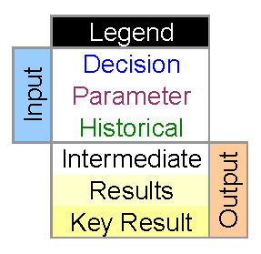
The country of Palladia currently has 3,750,000 people at the start of the current year.
The annual birth rate is 1.3%. That is, each year the number of babies born is equal to
1.3% of the people in the country at the beginning of the year. The death rate is 0.7%.
Palladia is a wealthy paradise so lots of people are trying to enter from outside. The
Minister of Immigration is proposing that 150,000 people be allowed to immigrate
into the country each year.

(a) Create a worksheet for the Minister that predicts the population of Palladia for
each year for the next 10 years. Prepare input cells for birth rate, death rate and
immigration quota. Prepare a model with the following columns: Year, Starting
Population, Annual Birth Number, Annual Death number, Annual immigration. Your
model should have one row for each year.
(b) Prepare the test case below and store the resulting population number at the end of
10 years.
(i) Suppose the birth rate is 1.3%, the death rate is 0.7%, and the annual immigration
is 150,000.
(ii) Suppose the birth rate is 1.1%, the death rate is 0.9%, and the annual immigration
is 100,000.
(c) Suppose the birth rate is 1.0% and the death rate is 0.7%, the Prime Minister
would like to see close to 5,000,000 people in the country at the end of 10 years. At
what number should the annual immigration quota be set? Use trial and error to find a
quota that will result in a population that is as close as possible to 5,000,000.

