Q1
Question 1 | Madhumitha
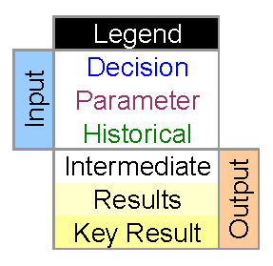
Concert tickets are priced as follows:
22 and under over 22
Premier tickets $65 $90
Floor tickets $50 $70
Balcony tickets $30 $30
Standing Room $15 $20
(a) Create a model that allows a person to enter his/her age and the preferred ticket
location (Premier, Floor, Balcony, Standing Room) and automatically gives the price
of the ticket. Use a lookup table. You may use data validation for ticket location.
(b) Create 2 test cases to demonstrate the solution.

