Q4
Question 4 | Madhumitha
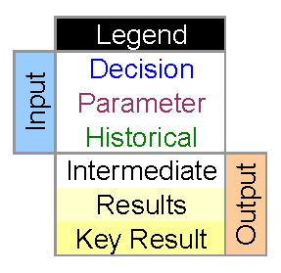
The tortoise and the hare are having a race. Whoever can travel the most distance in
an hour wins. For the tortoise, each minute the probabilities are 25% he rests and
doesn't move, 30% he travels forward 1 foot, 35% he travels forward 2 feet, 10% he
travels forward 3 feet. For the hare, each minute the probabilities are 10% he moves
backward one foot, 65% he doesn't move, 25% he moves forward 5 feet.
Create a model to simulate the race. You should have a row for each minute. You
should have columns for: minute, tortoise position, hare position, who is ahead.
At the top of the worksheet give the winner for the simulation (or possibly it's a tie),
and give the number of minutes during which the hare is behind where he started.

