main
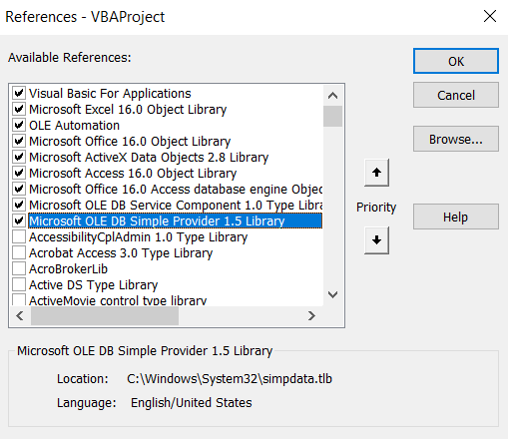
 | DATABASE | some_db
 | SCHEMA | some_schema
 | TABLE | some_table
 | COLUMNS

BEFORE USE

1. Press Alt + F11

2. Click "Tools" and then "References"

3. The following modules need to be ticked:

