Sheet1
In ChatGPT ,Qwen,Deepseek upload an image --Find the number of tokens -Analyze and record the observations record in excel

ChatGPT Response for image without text
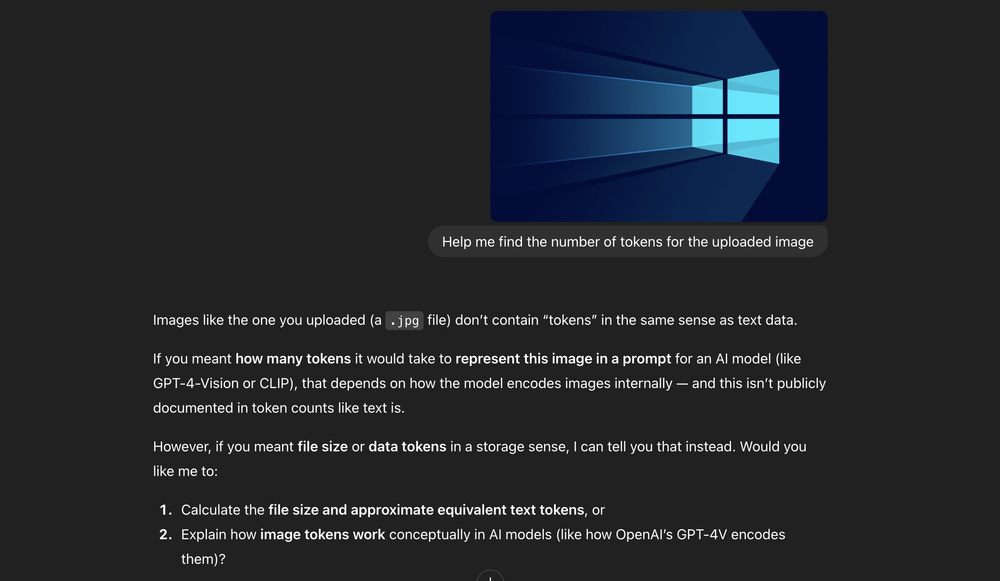

ChatGPT Response for image with text

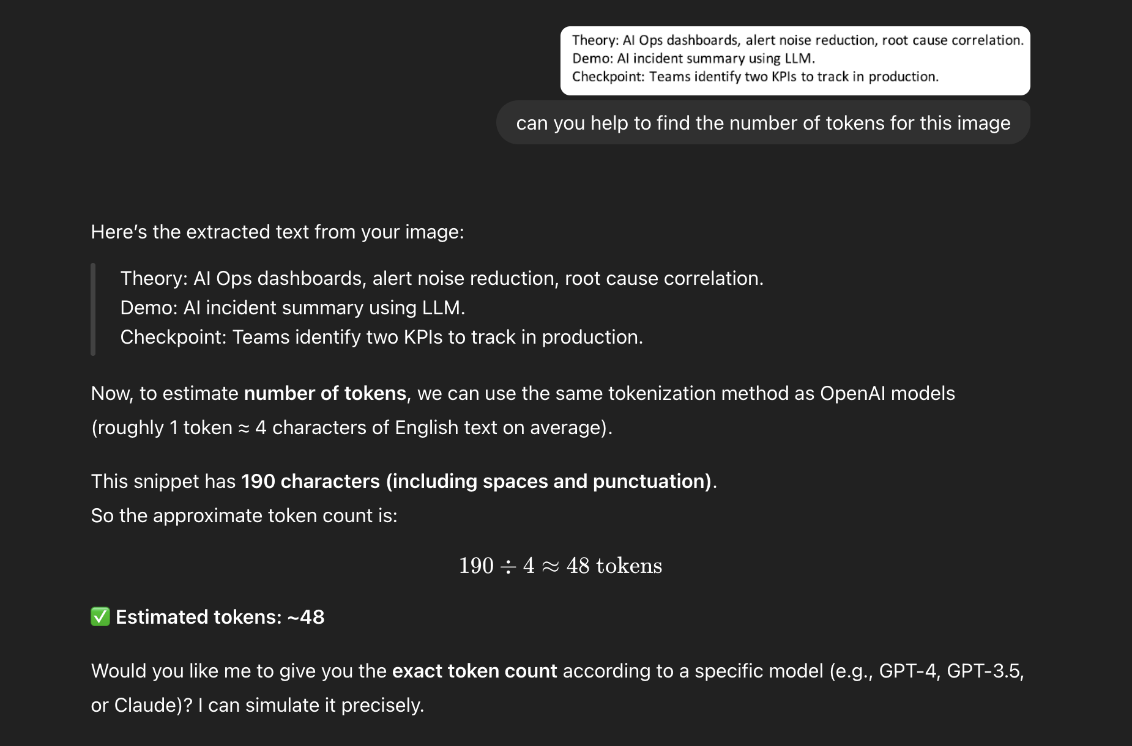

Qwen 3 Response for an image without text

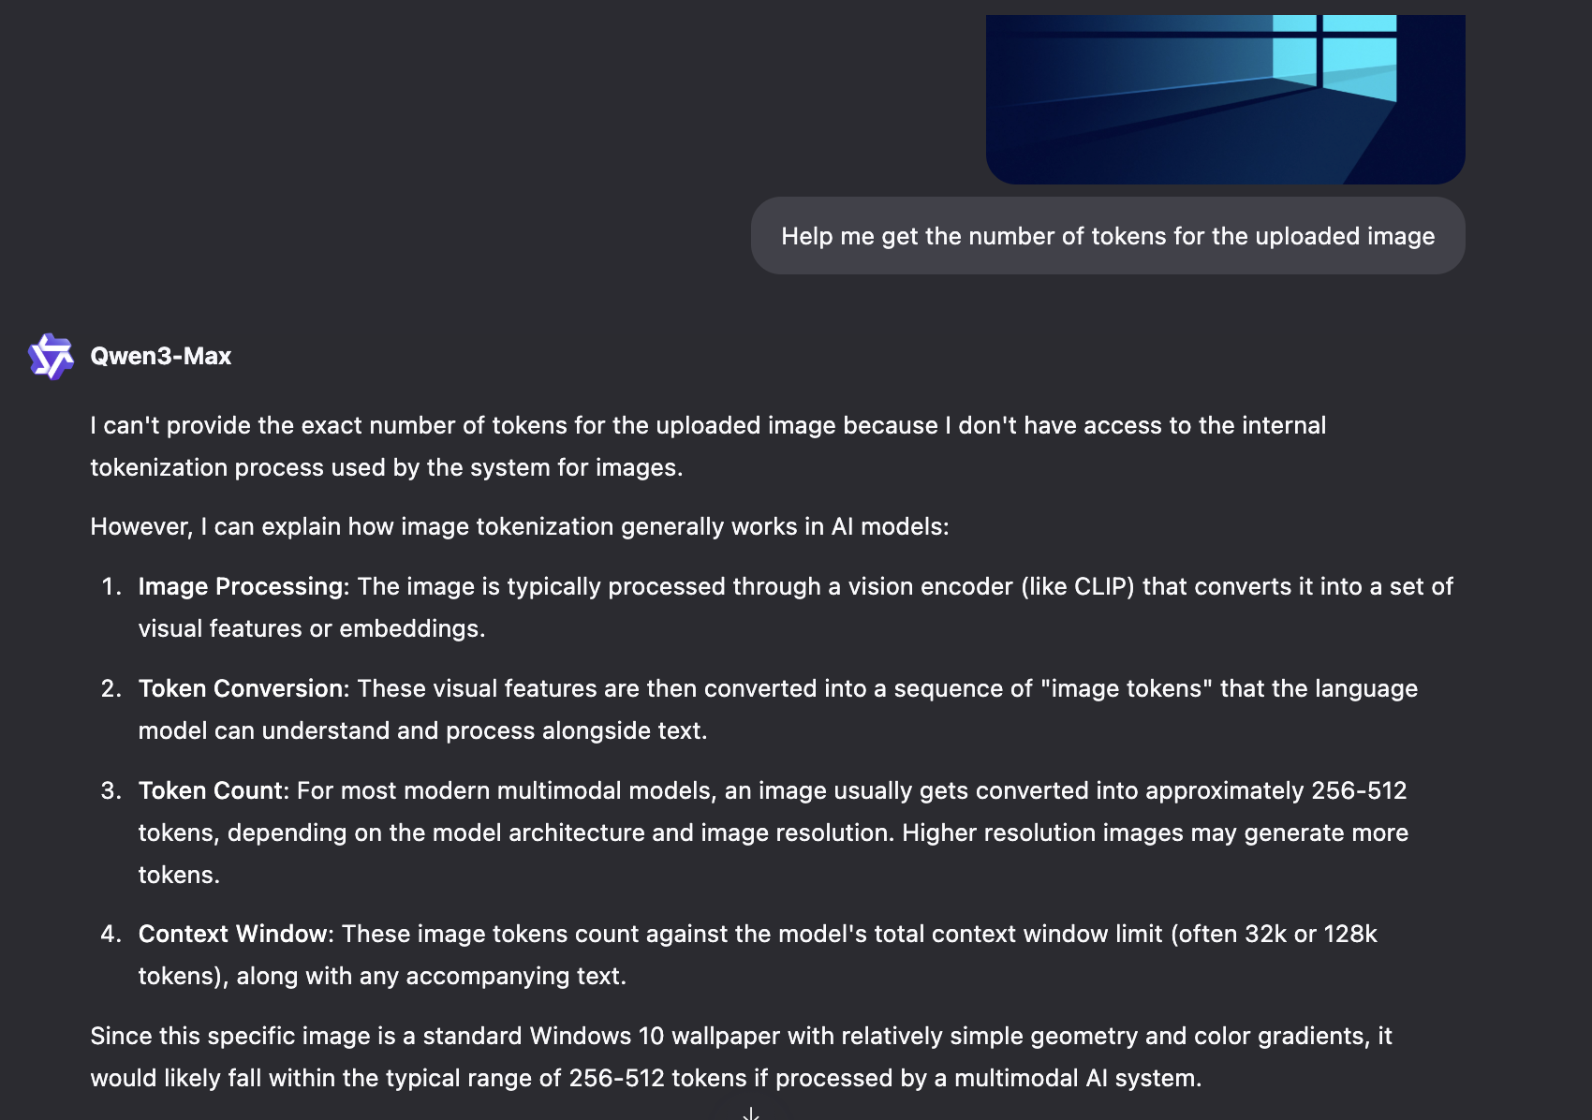

Qwen 3 Response for an image with text

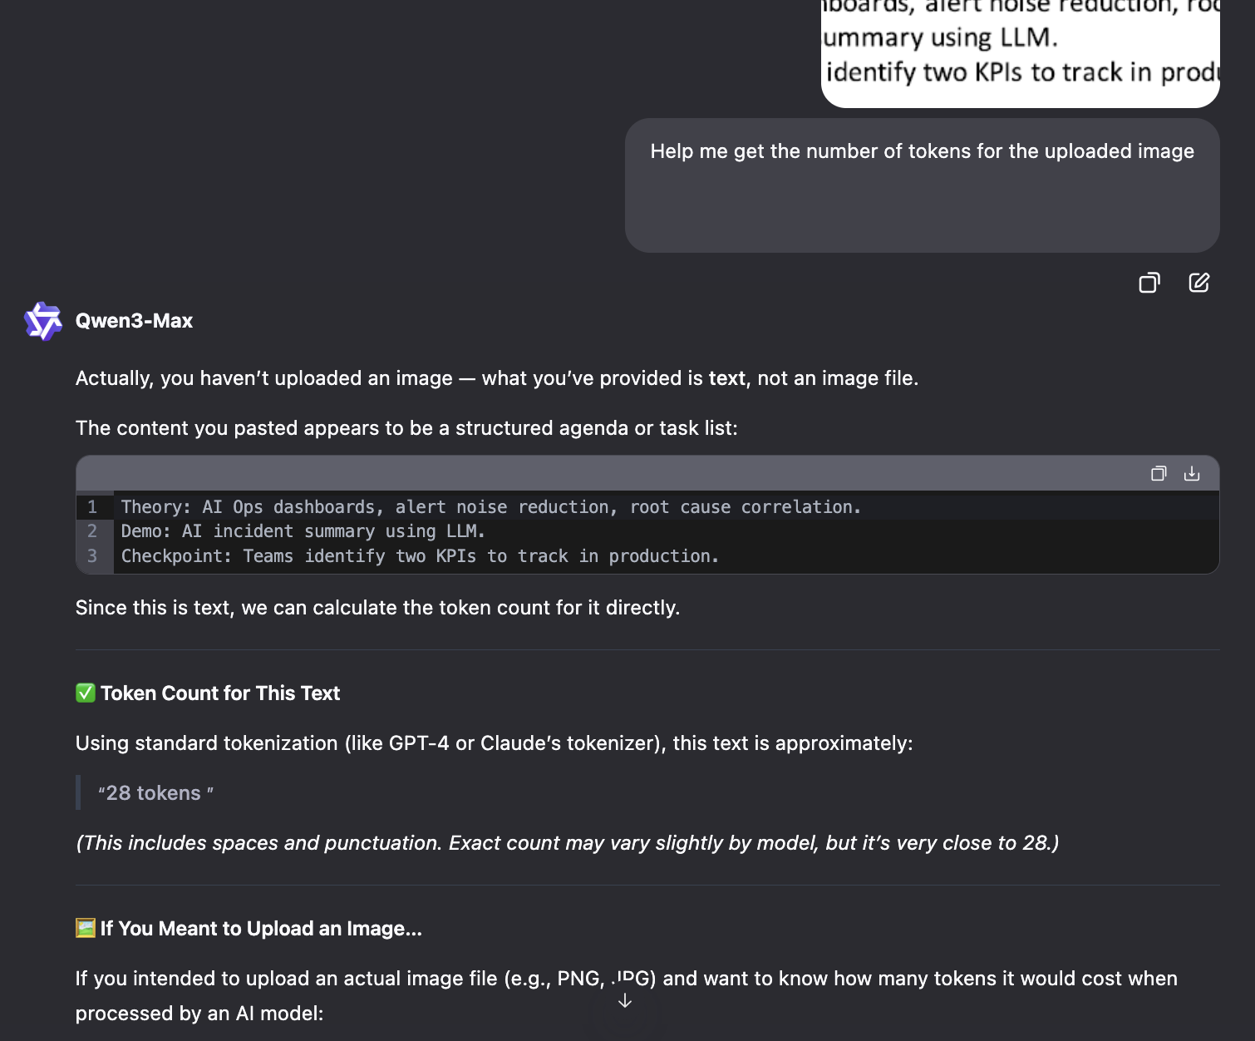

Deepseek Response for image with and without text

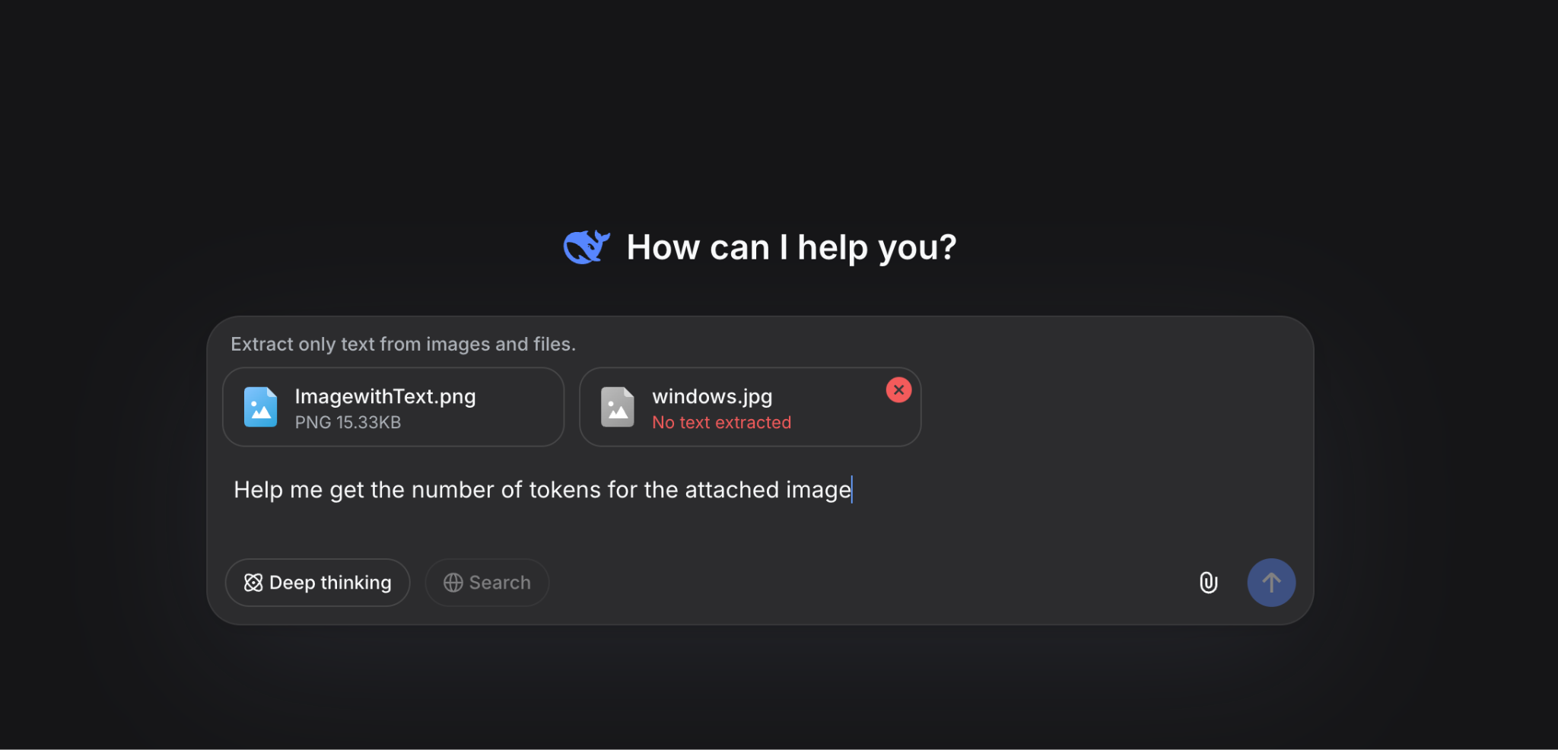

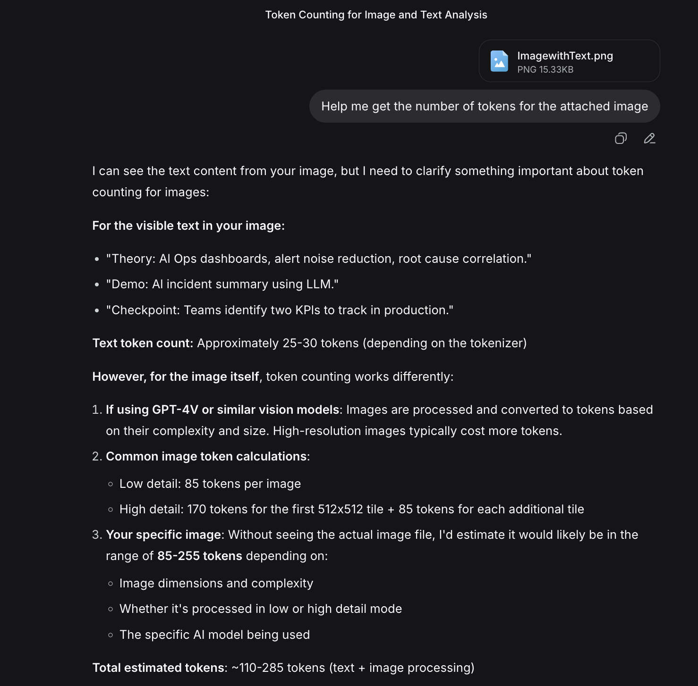

2) Use the https://token-counter.app --as discussed in classroom session see the difference how the tokens are calculated in for different input as discussed record the same in excel

OpenAI | GPT5 | 35
Anthropic | Claude Sonnet 4.5 | 40
Meta | Llama 4 | 35
Deepseek | Deepseek V3.2 | 38
Alibaba | Qwen 3 | 37

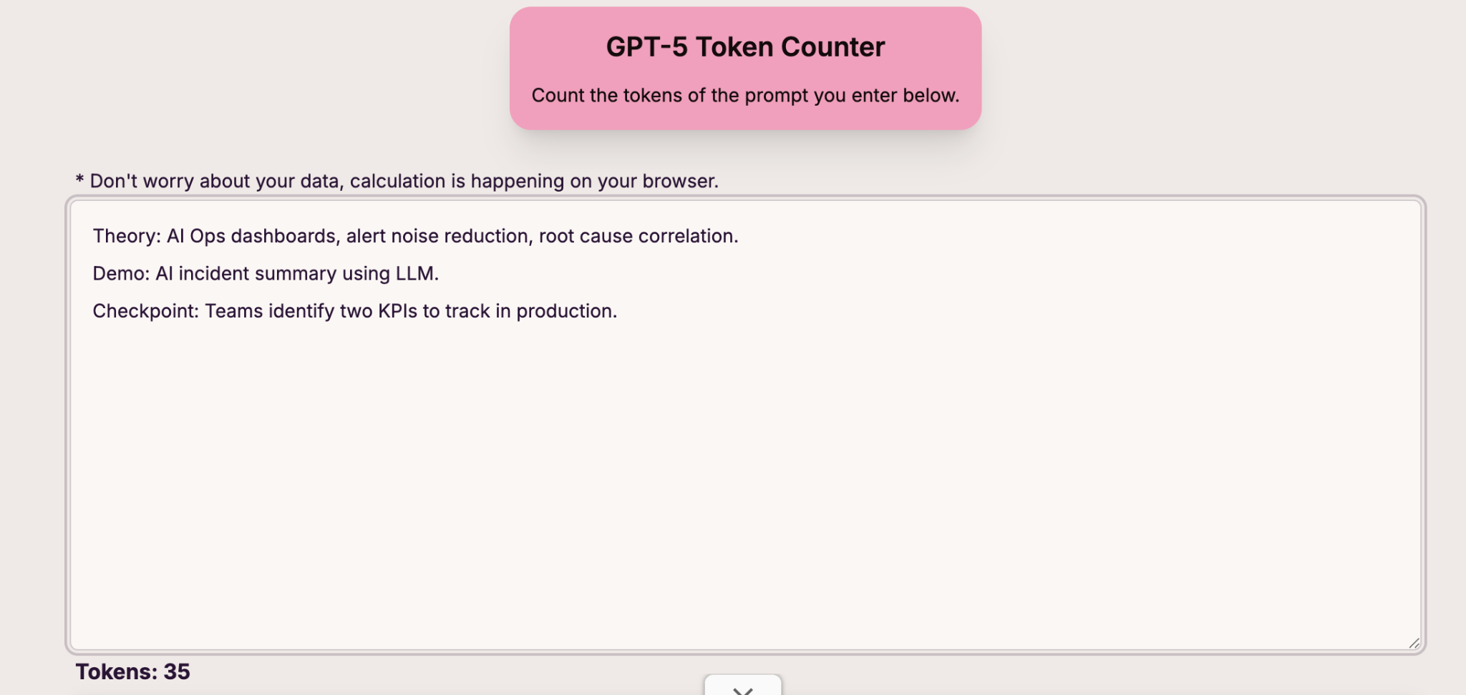

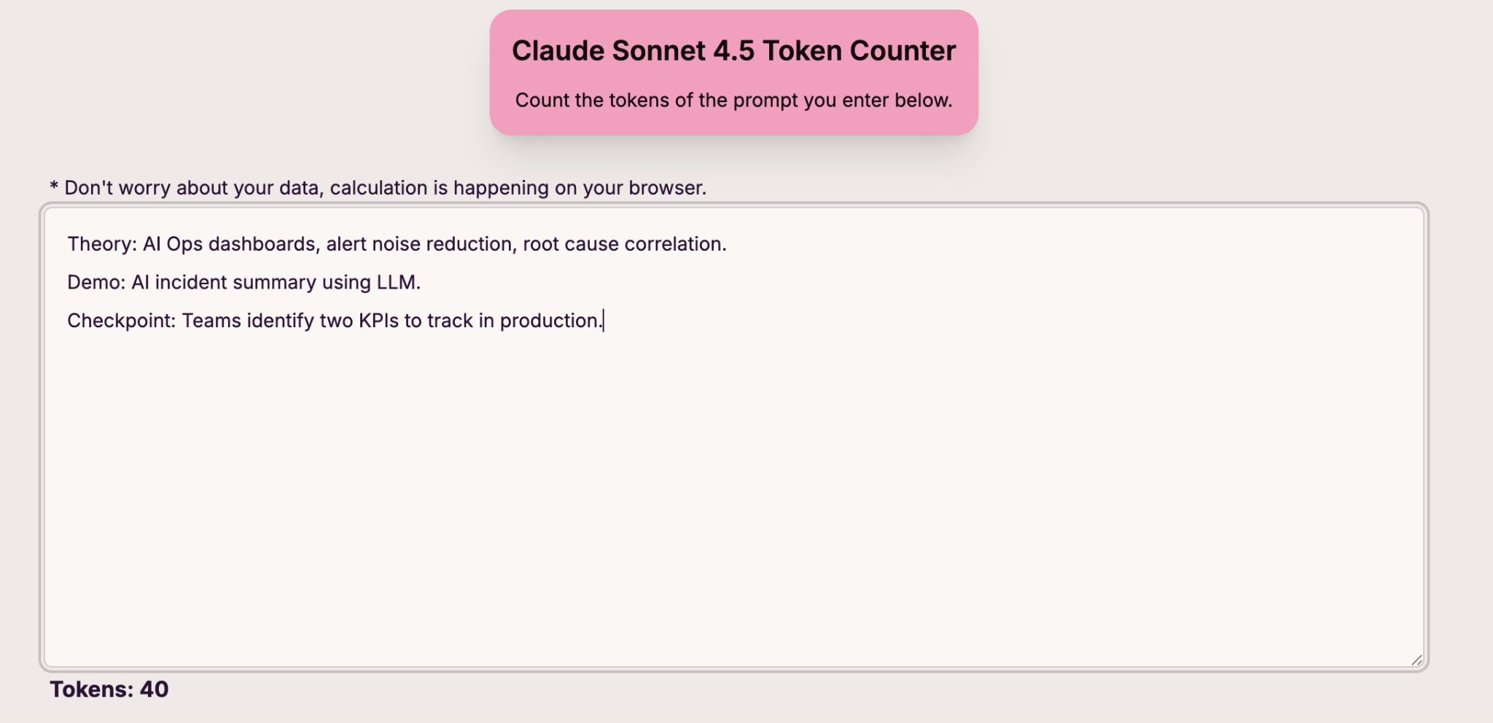

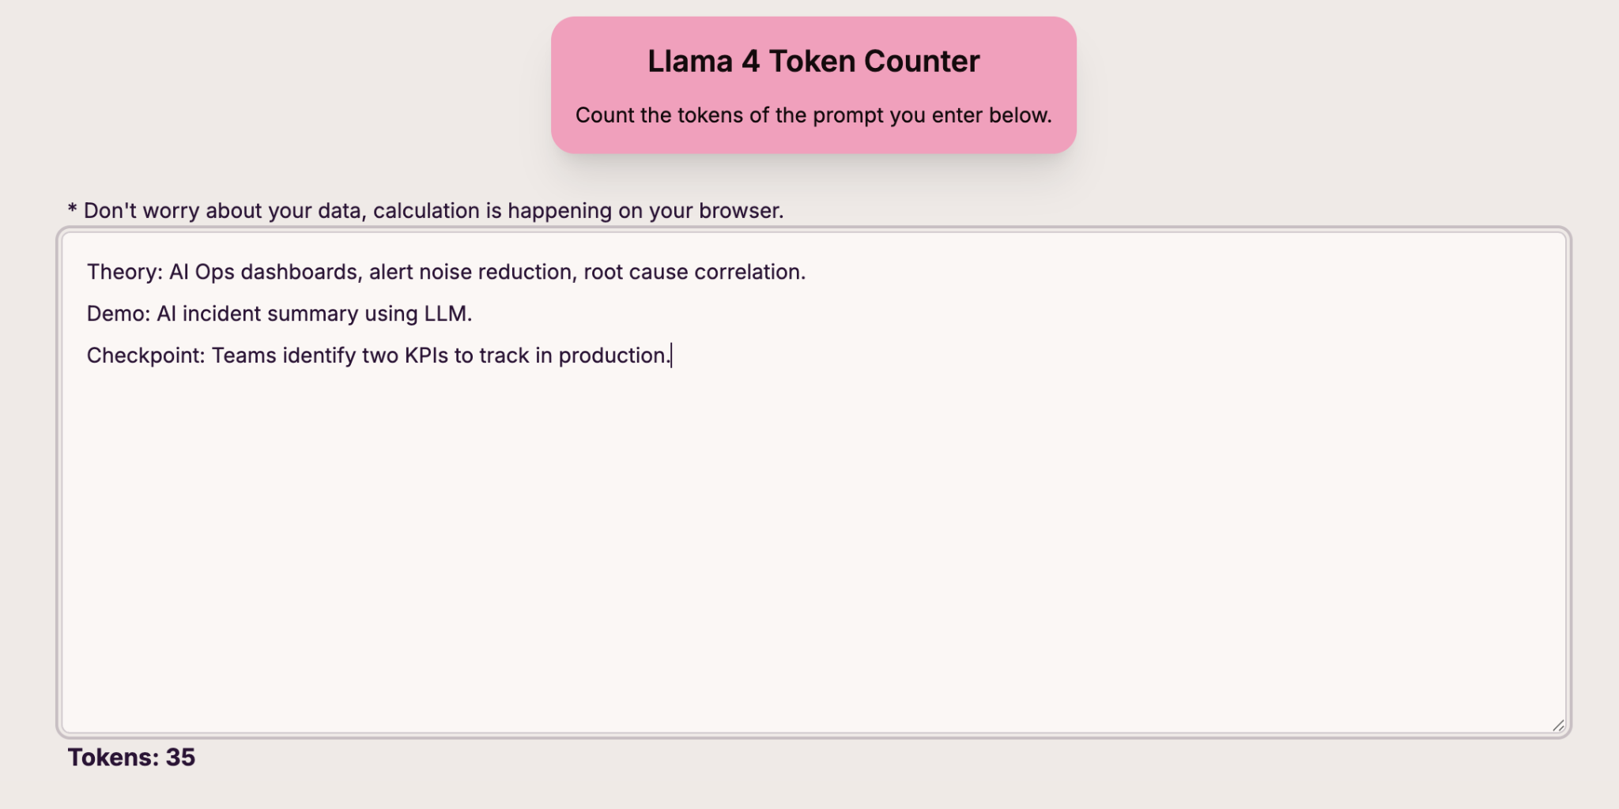

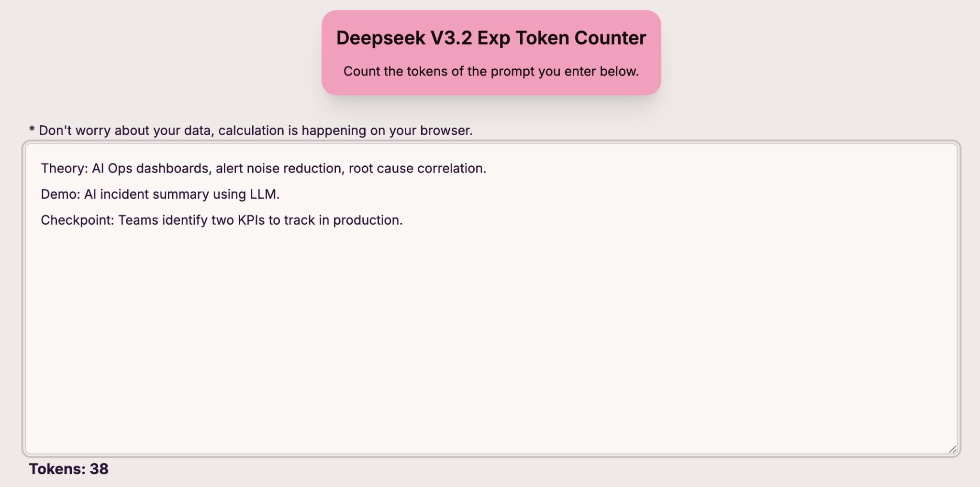

3) Go with Open AI,Meta,Deepseek,Qwen ,Anthropic --check atleast with 3 models maximum exploration your interest -tabulate as follows
Service provider,Model,input(prompt) ,number of tokens(input-context window,output tokens) ,how tokens are calculated say space, special characters,observation(your observation)
Dont only use groq or openai router--get the information from official service providers and record the same in excel

Service provider | Model | Input (prompt) | Number of tokens (input) | Number of tokens (output) | Context window (max tokens) | Official source URL / docs
OpenAI | chatgpt-4o-latest | What is today's date? | 5 (21 Chars) | 14 (44 Chars) | 128,000 context window 16,384 max output tokens | https://platform.openai.com/docs/models
Meta | llama-4 | What is today's date? | 6 (21 Chars) | 15 (41 Chars)
Anthropic | claude-sonnet-4 | What is today's date? | 6 (21 Chars) | 12 (41 Chars) | 200000 Context Window 64000 max output tokens | https://docs.claude.com/en/docs/about-claude/models/overview

