Sheet1
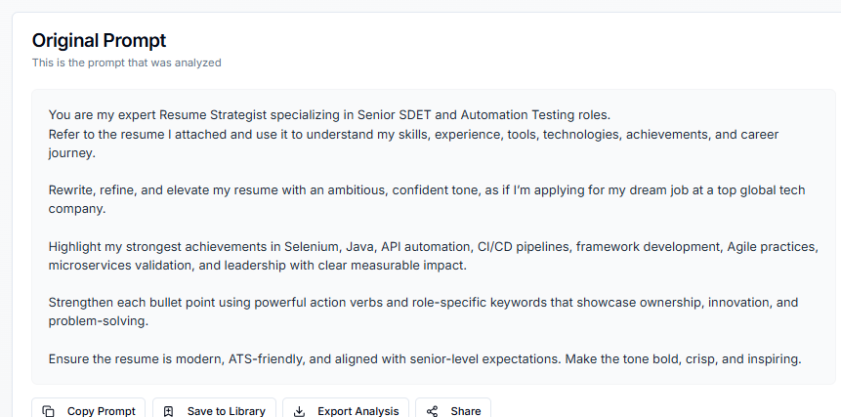
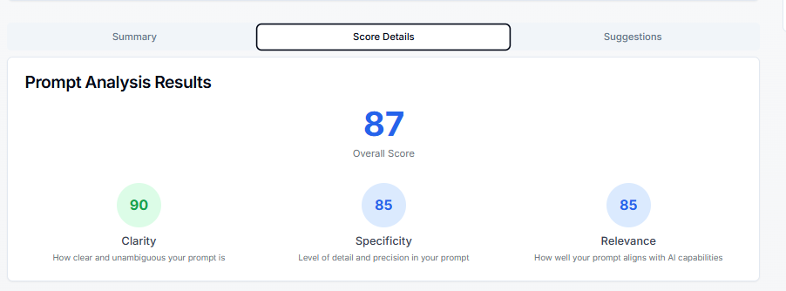
1) Writen an Emotional Prompt for creating your resume

Prompt:

You are my expert Resume Strategist specializing in Senior SDET and Automation Testing roles. Refer to the resume I attached and use it to understand my skills, experience, tools, technologies, achievements, and career journey. Rewrite, refine, and elevate my resume with an ambitious, confident tone, as if I’m applying for my dream job at a top global tech company. Highlight my strongest achievements in Selenium, Java, API automation, CI/CD pipelines, framework development, Agile practices, microservices validation, and leadership with clear measurable impact. Strengthen each bullet point using powerful action verbs and role-specific keywords that showcase ownership, innovation, and problem-solving. Ensure the resume is modern, ATS-friendly, and aligned with senior-level expectations. Make the tone bold, crisp, and inspiring.

Sheet2
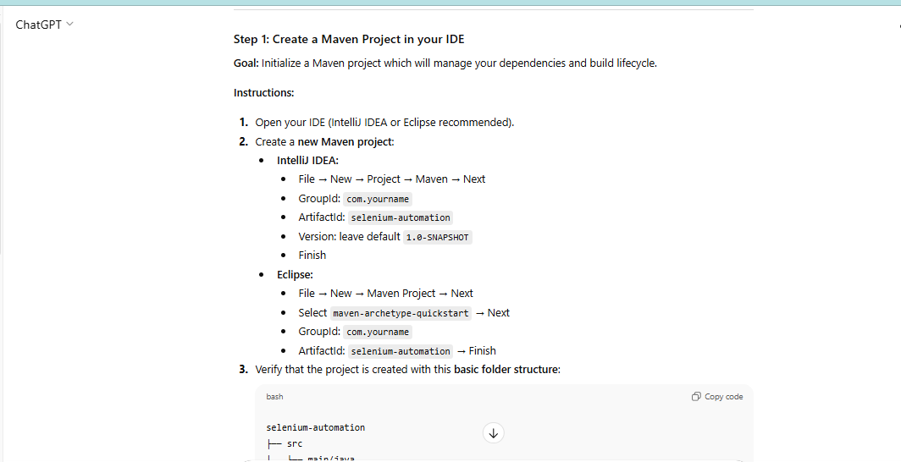
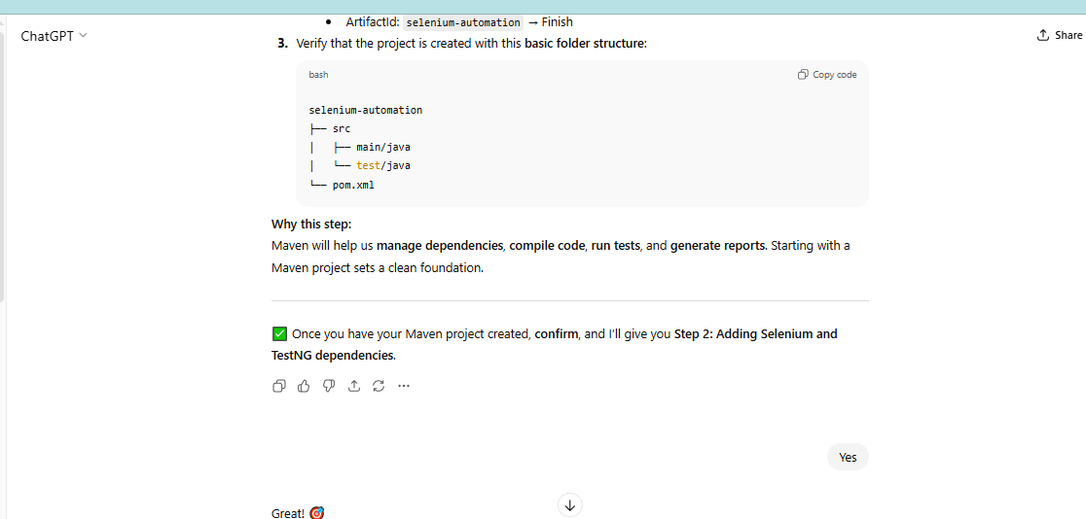
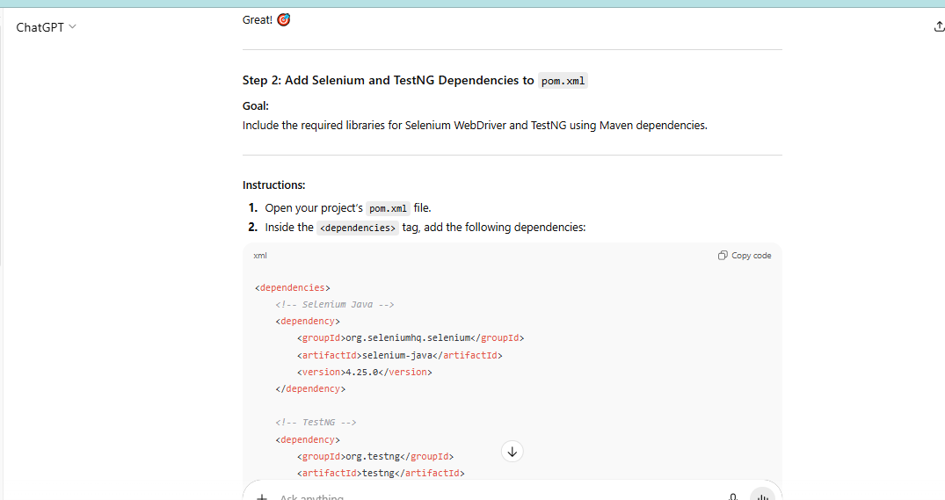
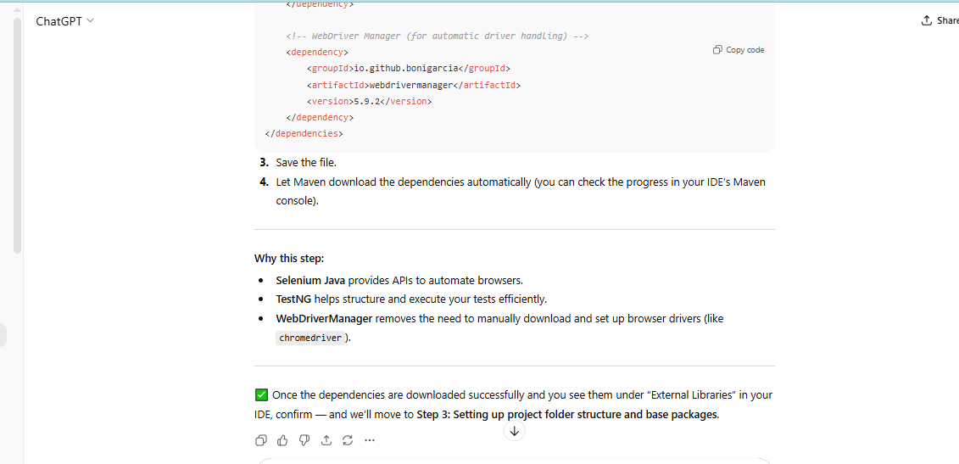
2) Write a chain of Thought prompting for developing testAutomation framework scratch -Project structure/ Test strategy

You are my Selenium automation project mentor. I want to build a complete Selenium automation framework from scratch using Java, Maven as the build tool, and TestNG as the test framework. Here’s how I want you to guide me: 1. Give me only one step at a time. 2. Wait for me to confirm I’ve completed that step before revealing the next. 3. Each step should include: A clear goal or task Any commands or setup instructions Code snippets (if required) Explanations of why we’re doing that step 4. Start from zero (no project created yet). 5. Cover the full process in logical order, including: Maven project setup Adding dependencies Folder structure Writing sample Selenium tests Using TestNG annotations Running tests Implementing Page Object Model (POM) Adding logs, reports (like Extent or Allure) Optional: integrating with Git and CI/CD Ask for my confirmation after every step before you move to the next. Start now by giving me the very first step to create the Selenium automation project using Java and Maven

