Sheet1
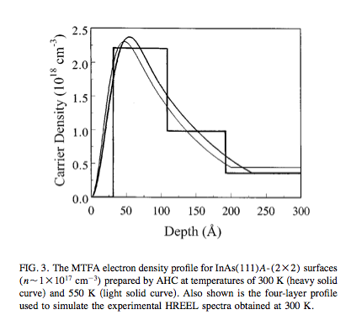
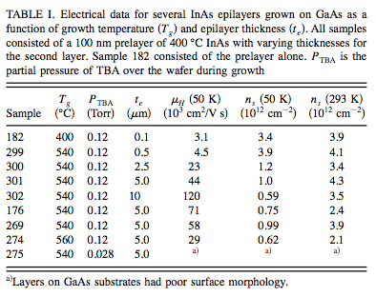
 | GaAs | InAs | InAs (paper)
Thickness (um) | 500 | 0.09 | 0.1
Resistivity Ohm-cm | 1.25E+08
Mobility (cm^2/Vs) | 5665 |  | 3100
Concentration | 8.65E+06 |  | 3.90E+12
Avg EPD (cm^-2) | 1322

