Inputs Project
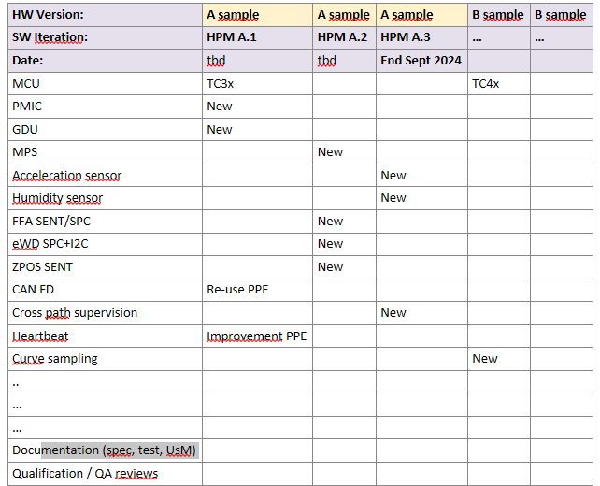
Holger Stieb (PJM) - 28-08-2024

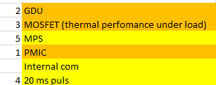

Initial draft Release Plan (B.Renon in meeting with D.Schultte/H.Stieb) - May 2024

PBS+Estim
Summary:
~760 hours HEF => ~4 months given our allocation + vacations
~640 hours HRO => ~4 months given our allocation + vacations
~1400 hours total
See assumptions

Assumptions
1 | PMIC and GDU references frozen
2 | PMIC and GDU same on both path
3 | Light / minimal process sufficient (no DOORS requirements and test spec) for this PreDev
4 | HPM does not offer close loop management for the Motor Control
5 | MPS technology is SPI based
6 | HW available for SW development 4 months before expected delivery (1xHEF / 1xHRO)
7 | "20ms pulse" = special UC for PMIC
8 | Heartbeat nice to have

Team Allocation until Q1.2025 (at least)
HEF - Mael Languil | 50%
HEF - Nasser Belmkadem | 50%
HRO - Simona Spataru | 75%
HEF - Benoit Renon | 5%
Total FTE | 1.8
 |  | Workload (days) | Workload (hours) | HEF contrib | HEF hours | HRO contrib | HRO hours |  | CW43 | CW44 | CW45 | CW46 | CW47 | CW48 | CW49 | CW50 | CW51 | CW52 | CW53 | CW54
General activities (release, support, meetings, …) |  | 29 | 232 |  | 158 |  | 74 | 232
 | Meetings / project alignments | 5 | 40 | 2 | 26 | 1 | 14
 | Overall integration & release | 5 | 40 | 1 | 40 |  | 0 |  |  |  |  |  | X |  |  |  | X |  | X
 | Documentation : UsM, Release Note | 5 | 40 | 1.5 | 30 | 0.5 | 10
 | Documentation : minimal test plan / report | 5 | 40 | 1 | 20 | 1 | 20
 | HW setup | 4 | 32 | 1 | 16 | 1 | 16
 | Rollout & TestLab support | 5 | 40 | 2 | 26 | 1 | 14

GDU development (embedded drivers + test GUI) |  | 36 | 288 |  | 288 |  | 0 | 288
 | Collection of project UC & datasheet analysis | 5 | 40 | 1 | 40 |  | 0
 | HPM embedded - Implementation GDU driver V1 (init SPI, ports, basic config, switch to normal mode,) | 10 | 80 | 1 | 80 |  | 0
 | HPM embedded - Implementation GDU driver V2 (bug fix + read/write registers + extended functions ) | 5 | 40 | 1 | 40 |  | 0
 | HPM embedded - Integration | 4 | 32 | 1 | 32 |  | 0
 | HPM GUI - Design interface for GDU | 5 | 40 | 1 | 40 |  | 0
 | Overall feature test (plan + exec + report) | 5 | 40 | 1 | 40 |  | 0
 | Documentation: UsM feature | 2 | 16 | 1 | 16 |  | 0

PMIC development (embedded drivers + test GUI) |  | 52 | 416 |  | 106 |  | 310 | 416
 | Collection of project UC & datasheet analysis | 5 | 40 | 1 | 20 | 1 | 20
 | HPM embedded - Implementation PMIC driver V1 (init SPI, ports, basic config, switch to normal mode,) | 10 | 80 |  | 0 | 1 | 80
 | HPM embedded - Implementation PMIC driver V2 (bug fix + read/write registers + extended functions) | 10 | 80 |  | 0 | 1 | 80
 | HPM embedded - Integration | 5 | 40 | 1 | 20 | 1 | 20
 | HPM GUI - Design interface for PMIC | 10 | 80 | 1 | 40 | 1 | 40
 | Overall feature test (plan + exec + report) | 10 | 80 | 0.5 | 26 | 1 | 54
 | Documentation: UsM feature | 2 | 16 |  | 0 | 1 | 16

PWM generation & Current acquisition on Powerstage (MOSFET) development (embedded drivers + test GUI) |  | 25 | 200 |  | 104 |  | 96 | 200
 | Collection of project UC & datasheet analysis | 2 | 16 | 1 | 8 | 1 | 8
 | HPM embedded - Implementation PWM driver | 5 | 40 | 1 | 20 | 1 | 20
 | HPM embedded - Implementation ADC driver for currents | 5 | 40 |  | 0 | 1 | 40
 | HPM embedded - Implementation of synchronized PWM & ADC acq | 4 | 32 | 1 | 32 |  | 0
 | HPM embedded - Integration | 2 | 16 | 1 | 8 | 1 | 8
 | HPM GUI - Design interface for PWM & Current Acquisition | 3 | 24 | 1 | 24 |  | 0
 | Overall feature test (plan + exec + report) | 3 | 24 | 0.5 | 8 | 1 | 16
 | Documentation: UsM feature | 1 | 8 | 1 | 4 | 1 | 4

MPS development (embedded drivers + test GUI) |  | 22 | 176 |  | 16 |  | 160 | 176
 | Collection of project UC & datasheet analysis | 1 | 8 | 0.5 | 2 | 1 | 6
 | HPM embedded - Implementation MPS driver V1 (init SPI, ports, basic config, switch to normal mode,) | 8 | 64 |  | 0 | 1 | 64
 | HPM embedded - Implementation MPS driver V2 (bug fix + read/write registers + extended functions ) | 3 | 24 |  | 0 | 1 | 24
 | HPM embedded - Integration | 1 | 8 | 1 | 4 | 1 | 4
 | HPM GUI - Design interface for MPS | 4 | 32 | 0.5 | 10 | 1 | 22
 | Overall feature test (plan + exec + report) | 3 | 24 |  | 0 | 1 | 24
 | Documentation: UsM feature | 2 | 16 |  | 0 | 1 | 16

Internal COM development (embedded drivers + test GUI) |  | 6 | 48 |  | 48 |  | 0 | 48
 | Collection of project UC & datasheet analysis | 1 | 8 | 1 | 8 |  | 0
 | HPM embedded - Integration / take-over PPE CAN drivers | 1 | 8 | 1 | 8 |  | 0
 | HPM GUI - Design interface for IEC | 1 | 8 | 1 | 8 |  | 0
 | Overall feature test (plan + exec + report) | 2 | 16 | 1 | 16 |  | 0
 | Documentation: UsM feature | 1 | 8 | 1 | 8 |  | 0

Heartbeat development (embedded drivers) |  | 5 | 40 |  | 40 |  | 0 | 40
 | Collection of project UC & datasheet analysis | 1 | 8 | 1 | 8 |  | 0
 | HPM embedded - Integration / take-over PPE timer & DIO | 1 | 8 | 1 | 8 |  | 0
 | Overall feature test (plan + exec + report) | 2 | 16 | 1 | 16 |  | 0
 | Documentation: UsM feature | 1 | 8 | 1 | 8 |  | 0

 |  |  |  |  | Total HEF |  | Total HRO | Total
 |  |  |  | Hours: | 760 |  | 640 | 1400
 |  |  |  | CWeeks: | 19 |  | 22

 |  |  |  |  | 42180 |  | 30720 | 72900

