interpretes_mas_oscars
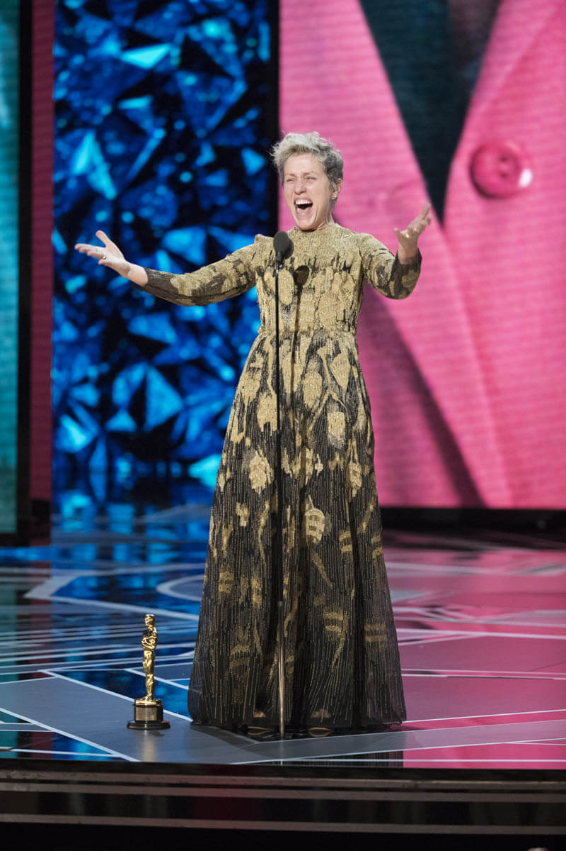
Column1 | Column3
Intérprete | Número de Oscars
Frances McDormand | 4
John Nicholson | 3
Meryl Streep | 3
Ben | 2
Ben Affleck | 2
George Clooney | 2
Denzel Washington | 2
Intérpretes con más de un Óscar
Ali | 2
Dustin Hoffman | 2
Brad Pitt | 2
Emma Thompson | 2
Anthony Hopkins | 2
Cate Blanchett | 2
Kevin Michael | 2
Kevin Spacey | 2
Maggie Smith | 2
Mahershala Ali | 2
Mel Gibson | 2
René Zellweger | 2
Robert De Niro | 2
Sally Field | 2
Scott Fisher | 2
Sean Penn | 2
Brenda Fricker | 1
Casey Affleck | 1
Charlie | 1
Charlize Theron | 1
Charlton Heston | 1
Chris Cooper | 1
Christian Bale | 1
Christine Lahti | 1
Christopher Walken | 1
Colin Firth | 1
Common | 1
Cuba Gooding Jr. | 1
David Fine | 1
Eddie Redmayne | 1
Ellen Burstyn | 1
Emerald Fennell | 1
Emma Stone | 1
Faye Dunaway | 1
Gary Oldman | 1
Geoffrey Rush | 1
Glen Hansard | 1
Gwyneth Paltrow | 1
J.K. Simmons | 1
Jackson Lee | 1
Jaime Ray Newman | 1
Jamie Foxx | 1
Jared Leto | 1
Javier Bardem | 1
Jean Dujardin | 1
Jeff Bridges | 1
Jennifer Connelly | 1
Jeremy Irons | 1
Joaquin Phoenix | 1
Joel Grey | 1
John Charles | 1
John Lasseter | 1
Adrien Brody | 1
Jon Voight | 1
Judi Dench | 1
Julia Roberts | 1
Julianne Moore | 1
Juliette Binoche | 1
Kathy Bates | 1
Kenneth Branagh | 1
Kevin Kline | 1
Ahmed Ahmed | 1
Al Pacino | 1
Krishna | 1
Laura Dern | 1
Leonardo DiCaprio | 1
Louis Gossett Jr. | 1
Louise Fletcher | 1
Alan Arkin | 1
Alicia Vikander | 1
Marcia Gay Harden | 1
Mark Rylance | 1
Mary Steenburgen | 1
Matt Damon | 1
Maureen Stapleton | 1
Allison Janney | 1
Anjelica Huston | 1
Michelle Yeoh | 1
Mo'Nique | 1
Natalie Portman | 1
Octavia Spencer | 1
Olivia Colman | 1
Olympia Dukakis | 1
Patricia Neal | 1
PenÃ©lope Cruz | 1
Philip Seymour Hoffman | 1
Rachel Weisz | 1
Rami Malek | 1
Anne Hathaway | 1
Ariana DeBose | 1
Russell Crowe | 1
Ben Kingsley | 1
Sam Karmann | 1
Sandra Bullock | 1
Sarah Polley | 1
Benicio Del Toro | 1
Billy Bob Thornton | 1
Shirley MacLaine | 1
Sissy Spacek | 1
Taika Waititi | 1
Tatum O'Neal | 1
Timothy Hutton | 1
Tommy Lee Jones | 1
Tony Bill | 1
Viola Davis | 1
Whoopi Goldberg | 1
Will Smith | 1
William Hurt | 1
Yu Li | 1

