CodesInstances - Academic
Code |  | Location | Text | Memo | IRR
DEPTH |  | a26-ben_aissa-slides.pdf | Web Browser 3.1.2 Proxy servers 3.1.3 Web servers 3.1.4 Application severs 3.1.5 Database servers |  | 0
DEPTH |  | A26-ben_aissa-slides.pdf | Router/ Firewall, • Load Balancer, | there are 7 physical levels inside each layer | 0
ACP | CFOOTPRINT | a49-chang | attacks using Virtual Machines (VMs). The system is given the name HoneyMonkey for two reasons: (1) the system is a “honeypot”, which attracts attacks, and (2) a computer program (monkey) is designed to simulate the Web browsing activities of a human and to detect attacks. Two types of VM are used in the HoneyMonkey system: Type I, namely unpatched virtual machines with known vulnerabilities; and Type II, that is, fully patched virtual machines that are only vulnerable to zero-day exploits. | use VMs as standpoints for analysis
ACP |  | a49-chang | (1) Stage-1 HoneyMonkey visits N number of URLs simultaneously by the monkey program in a Type-I VM instance. A timeout is set to properly load all the URLs in the VM. By closely monitoring a group of persistent-state changes in the VM (e.g., executable file creation, Windows registry modification, etc.), the program decides on whether further investigations are needed. That is, if no persistent- state change is found (i.e., the VM state is clean), then the system fetches the next N URLs from the candidate URL pool and restarts Stage 1. Otherwise, the HoneyMonkey system will switch to Stage 2. | use VMs as standpoints for analysis
ACP |  | a49-chang | Stage-2 HoneyMonkey pinpoints a subset of the N URLs that trigger the persistent- state changes. To achieve this, only one URL is loaded in a Type-I VM every time. By combining Stage 1 and 2, the system can reuse a clean VM instance for a rather large number of URLs without sacrificing accuracy. When a malicious URL that triggers persistent-state changes is discovered in Stage 2, it is further examined in Stage 3 | use VMs as standpoints for analysis
ACP |  | a49-chang | Five pieces of information are recorded during the detection using various techniques [Wang et al. 2003; Beck et al. 2005; Joshi et al. 2005]: (1) file operations, (2) the process creation log, (3) the Windows registry modification log, (4) exploited vulnerabilities, and (5) browser redirection activities. Careful analyses of the recorded information are used to understand the attack techniques and the malware distribution infrastructure. Within the first month of system deployment, 752 malicious URLs and 1 zero-day exploit were discovered by HoneyMonkey, proving its effectiveness. | use VMs as standpoints for analysis
METH |  | a49-chang | During the preprocessing, Web pages are checked using static code analysis techniques or various heuristics (e.g., whether the Web pages contain URLs linked to known attacking sites or heavily obfuscated JavaScript code) to filter out a large portion of benign Web pages and reduce the cost of launching VM instances | preprocessing can filder benign sites and reduce the footprint of a VM-based analysis
METH |  | a49-chang | In Cova et al. [2010a], the authors proposed an alternative approach to build high interaction honeypots. Their approach is named JSAND, which combines the usage of an instrumented browser, a set of effective signature features, and machine-learning techniques to detect drive-by download attacks. The instrumented browser is designed to facilitate three tasks: (1) to simulate the personality of various browsers (e.g., Inter- net Explorer, Firefox, Chrome) to expand the available attack surface; (2) to simulate arbitrary system environments and configurations (for example, requests for loading ActiveX controls or plugins can be fully customized); and (3) to track all JavaScript function definitions and invocations for implementing anticloaking mechanisms [Moser et al. 2007; Wilhelm and Chiueh 2007]. | hghly-interacting honeypots combined with VMs can increase the rate of true-positives when detecting illegal activities thorugh websites & sources
WSAP |  | a49-chang | Feature 1: the length and target of the redirection chain. It has been observed that malicious landing sites often have unusually long redirection chains toward malware distribution sites. | hghly-interacting honeypots combined with VMs can increase the rate of true-positives when detecting illegal activities thorugh websites & sources
WSAP |  | a49-chang | Feature 2: the browser personality and history-based differences. As many attacks only target a specific platform (e.g., Internet Explorer 6 running on Windows XP), the landing Web sites might return different content accordingly. | hghly-interacting honeypots combined with VMs can increase the rate of true-positives when detecting illegal activities thorugh websites & sources
WSAP |  | a49-chang | Features 3 to 5: the ratio of string definitions and string uses, the number of dynamic code executions, and the length of dynamically evaluated code. These features are included to capture the characteristics of code obfuscation techniques, which are often used by malicious sites to avoid signature-based detection. | hghly-interacting honeypots combined with VMs can increase the rate of true-positives when detecting illegal activities thorugh websites & sources
WSAP |  | a49-chang | Features 6 and 7: the number of bytes allocated through string operations, and the number of likely shellcode strings. These features are included to capture the char- acteristics of common attack techniques, such as heap overflow. | hghly-interacting honeypots combined with VMs can increase the rate of true-positives when detecting illegal activities thorugh websites & sources
WSAP |  | a49-chang | Feature 8: the number of instantiated components. As we discussed in Section 2.2, attackers often attempt to exploit a number of vulnerabilities to maximize their success rate. | hghly-interacting honeypots combined with VMs can increase the rate of true-positives when detecting illegal activities thorugh websites & sources
WSAP |  | a49-chang | Features 9 and 10: the values of attributes and parameters in method calls, and the sequence of method calls. These features are included to encode the unique behavior of the vulnerability exploit phase. | hghly-interacting honeypots combined with VMs can increase the rate of true-positives when detecting illegal activities thorugh websites & sources
WSAP |  | a49-chang | All the signature features are fed into a machine-learning algorithm proposed in Kruegel and Vigna [2003] to train an anomaly model | preprocessing can be done using an anomaly detection model which identifies websites to which the VM-based approach is then instrumented
WSAP |  | a49-chang | The higher the score, the higher the probability of its being anomalous (i.e., triggering drive-by download attacks). Specifically, 150,000 URLs were examined by JSAND. It has been shown that by selecting a proper training set, JSAND can achieve both lower false positives and lower false negatives than other signature-based [Nazario 2009] and VM-based [Provos et al. 2008] approaches. | federated machine-learning needs to be instrumented
WSAP |  | a49-chang | Current ways to build a URL blacklist depend on explicit feedback; malice is observed by either manual inspections or automatic detections. Inevitably, these blacklists are not complete—many malicious URLs are not blacklisted. There are two main reasons for this defect: (1) the URL is “new”, meaning that it has not yet been evaluated; or (2) the evaluation result is incorrect due to the false negative exhibited by the detection approach. | URL blacklists can be used as part of heuristics
WSAP |  | a49-chang | Motivated by the insufficiency of a static blacklist, Ma et al. [2009] proposed an approach to build a dynamic and predictive blacklist using URL reputation. Note that this technique is not limited to detecting Web-based malware problems. It is also effective for other Web threats, such as phishing and spamming, as demonstrated by Ma et al. [2009]. The proposed reputation scheme assigns a binary reputation value to the URL, indicating whether it is malicious or not. In Ma et al. [2009], various features and classification models were studied to gain a better understanding of the problem.
WSAP |  | a49-chang | Instead of analyzing the content pointed at by the URL, two sets of lightweight features are considered when building the URL reputation. The first is a lexical feature set, which is the textual properties of the URL itself. Lexical features include the length of the hostname, the length of the entire URL, the number of dots in the URL and a “bag-of- words” representation of tokens (a string delimited by “.”, “?”, “/”, “=”, “−”, etc.) in the URL.
WSAP |  | a49-chang | The second feature set, the host-based feature set, contains information about the host of a Web site. IP address properties (e.g., AS and prefix information, whether the IP address appears in any other blacklists), WHOIS properties (e.g., domain registration data, registrar information), DNS properties (e.g., time-to-live value), and geographic properties (e.g., the country to which the host IP belongs, the speed of the uplink connection) are included as the host-based features. A feature comparison study showed that the following four features are the most relevant for correct classifications: the number of dots in a URL, whether the hostname contains an IP address, the WHOIS registration date, and the membership in six static blacklists. | SVMs are best-fit
METH |  | p141 | 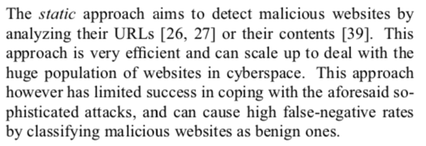
METH |  | p141 | 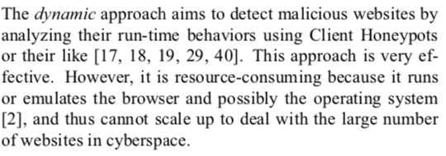
METH |  | p141 | 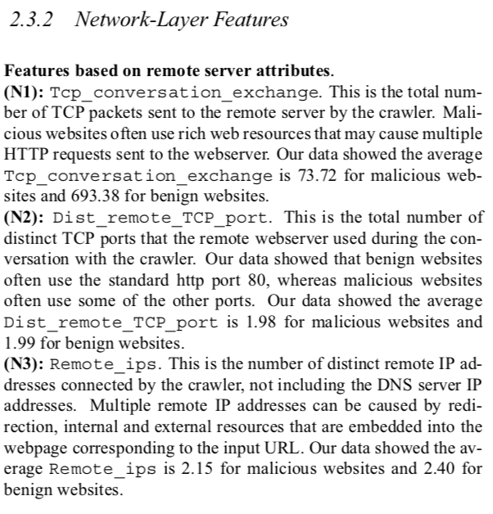
METH |  | p141 | 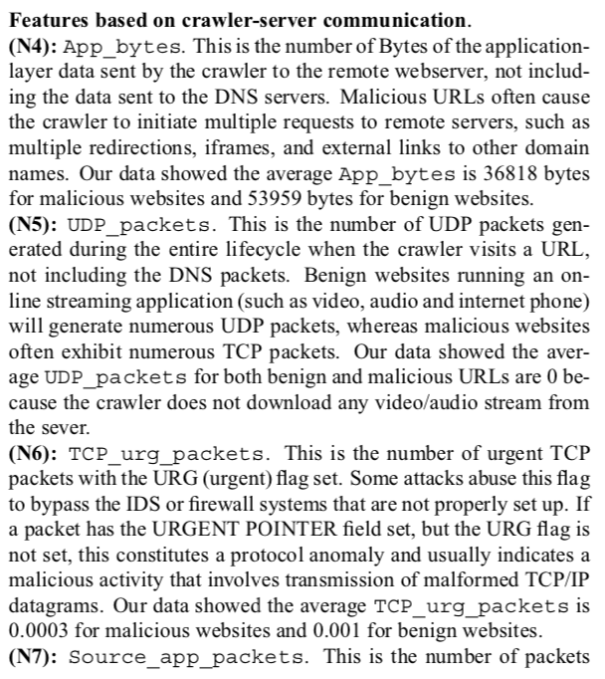 | 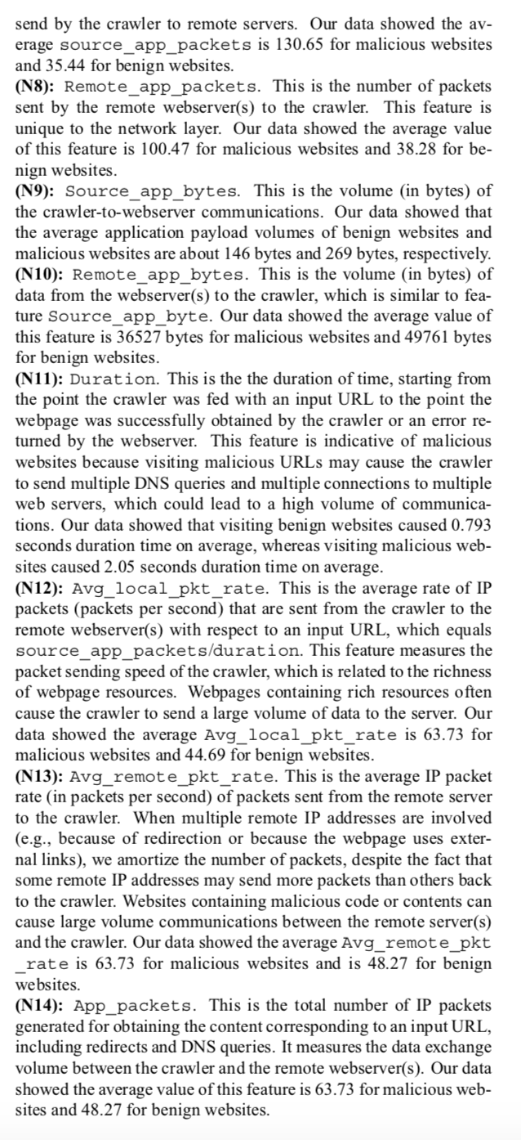
METH |  | p141 | 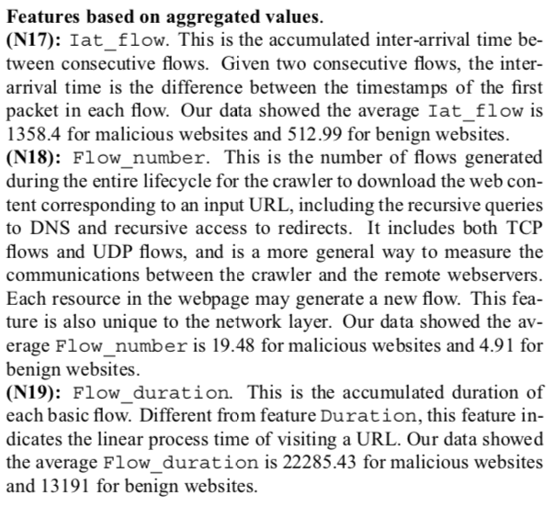

CodesInstances - Grey
Code |  | Location | Text | Memo | IRR
SRLP |  | top-5 | The proliferation of technology devices and other equipment; their pervasive use across age, gender, socioeconomic and geographic boundaries; |  | 1
SRLP |  | top-5 | Cybercriminals first obtain a valid name and Social Security number, preferably from someone who will not be filing a tax return. |  | 1
SRLP |  | top-5 | hat person could be a deceased taxpayer. |  | 1
METH |  | top-5 | Covertly gain unauthorized access to the victim’s computer to avoid the bank’s security features, activated when it does not recognize the login “fingerprint.” |  | 1
METH |  | top-5 | The cybercriminal uses a hacker tool to hijack the victim’s computer system, using the system as a trusted source to avoid the security check |  | 1
SQUAL |  | top-5 | Timely and proactively patching vulnerabilities, including vulnerable software. |  | 1
SQUAL |  | ita | Exploits one single vulnerability to hack into very sophisticated and otherwise well protected computer systems |  | 1
CTYPE |  | ita | Cybercrime: all malicious activities with a criminal intent carried out in cyberspace, such as swindles or internet fraud, identity theft, stealing of data or of intellectual property; |  | 1
CTYPE |  | ita | Cyberespionage:improperacquisition of confidential or classified data, not necessarily of economic or commercial value; |  | 1
CTYPE |  | ita | Cyber terrorism: ideologically motivated exploitations of systems’ vulnerabilities with the intent of influencing a state or an international organization; |  | 1
CTYPE |  | ita | Cyber warfare: activities and operations carried out in the cyber domain with the purpose of achieving an operational advantage of military significance. |  | 1
CTYPE |  | ita | Hacktivism, Some cyber attacks are ideologically motivated and have primarily a demonstrative intent, like damaging the image of the target and/or causing a temporary malfunctioning of the attacked ICT systems. Examples of this type of cyber attack are the Distributed Denial of Service (DDoS) attacks, that, through coordinated attacks originating from a number of unaware and remotely controlled computer (botnets), |  | 1
SQUAL |  | ita | Cyber vulnerabilities, Cyber attacks undermine users’ trust in ICT technologies and impair business continuity by exploiting organizational, procedural and technical vulnerabilities – often in various combinations. |  | 1
SQUAL | CMEASURE | ita | Organizational and procedural vulnerabilities depend both on the deficient implementation of protection against malware |  | 1
SQUAL | CMEASURE | ita | Technical vulnerabilities are instead due to the vulnerabilities of hardware and software, and to faults in communication protocols. The latter are particularly worrisome when they affect the Domain Name System (DNS), |  | 1
SQUAL | CMEASURE | Norw | We need to develop a method for measuring cyber security culture. |  | 1
SQUAL | CMEASURE | Norw | the human is the first or the last line of defence, it is be- yond doubt that the human factor plays a key role in cyber secu- rity. |  | 1
SRLP |  | Norw | Collectivism - ultures necessitate some degree of soli- darity amongst the members. That is to say that in order to last, cultures necessitate loyalty and solidarity. The individuals must id- entify themselves as part of the group, contribute to it, and adhere to the explicit and implicit norms of behaviour. When singling out col- lectivism, we wish to point towards how the individual relates to the collective. | all of these are referred to the source | 1
SRLP |  | Norw | Governance and Control - With reference to collectivism, governance is a collective term that refers to the questions of how the collective should be regulated and by whom. Hence, the issue of governance refers to the users’ views on governance and control of information and communications tech- nology (ICT). | all of these are referred to the source | 0
SRLP |  | Norw | Trust - Trust is a cornerstone to any viable democracy. Democracies depend on trust in a whole variety of forms: A well-functioning democracy necessitates trust amongst its citizens, amongst citizens and the gov- ernment, between governmental institutions, between business, be- tween citizens and their employer and so forth. | all of these are referred to the source | 1
SRLP |  | Norw | Risk perception - Competence, learning and risk are tightly knit together. For ex- ample, studies have shown an increase in so-called “risky behaviour” amongst individuals who have a high level of competence or per- ceived skill. Hence, it is likely that people who have skill in the area of cyber security could overestimate their ability to control the threat, and they may therefore take more risks | all of these are referred to the source | 1
SRLP |  | Norw | Techno-optimism and digitalization - Not only does digitalization help businesses make smart use of infor- mation technology and data, it ensures citizens benefit from the digi- tal age and it underpins economic growth. By focusing on techno- optimism and digitalization we want to transgress the mere fact that digitalization is part of how our societies develop. Instead, we want to draw attention to citizens’ attitude towards this societal tendency. In other words: Your attitude towards digitalization influences how you relate to technology. A safe e-citizen is fundamental to the suc- cess of the national digitalization. | all of these are referred to the source | 0
SRLP |  | Norw | Competence - As everything from social services and state tax payment to individ- ual communication and the sharing of holiday photos are happening online, citizens are forced to make use of ICT, regardless of whether they appreciate it or nor. This implies that citizens must acquire a digi- tal skill-set that makes them capable of being part of modern so- ciety. Consequently, all citizens of Norway must have fundamental digital skills. | all of these are referred to the source | 1
SRLP |  | Norw | Interest - In a society that is increasingly digitalized, one may be tempted to conclude that citizens with an interest in ICT have an advantage over those citizens that lack this interest. Interest shapes our attitudes, our skills and our knowledge. Interest influences who we relate to and thereby who we learn from. With interest comes awareness, cu- riosity and time. | all of these are referred to the source | 1
SRLP |  | Norw | Behaviour - Most studies of cyber security culture focuses on behaviour. This is not without reason: after all what we do is not only the easiest thing to measure; it is also what we do that most concretely influence our cyber security and the digitalization of society. | all of these are referred to the source | 1
CTYPE |  | RAND_TR1218.pdf | Hacking |  | 1
CTYPE |  | RAND_TR1218.pdf | Distributed Denial of Service |  | 1
CTYPE |  | RAND_TR1218.pdf | Attacks against critical infrastructures - Attacks affecting the integrity of data or information systems used in Supervisory Control and Data Acquisition Systems (SCADA) could be used to overload power grids, block communications and financial transfers, etc. It has been reported that electronic threats, vulnerabilities and attacks are a reality for owner-operators of critical infrastructure, as documented in the report of the Centre for Strategic and International Studies commissioned by McAffee (Beker et al., 2010). |  | 1
CTYPE |  | RAND_TR1218.pdf | Botnets |  | 1
CTYPE |  | RAND_TR1218.pdf | Malware and spam |  | 1
CTYPE |  | RAND_TR1218.pdf | Scams and online frauds |  | 1
CTYPE |  | RAND_TR1218.pdf | Phishing |  | 1
CTYPE |  | RAND_TR1218.pdf | Identity theft and identity fraud |  | 1
CTYPE |  | RAND_TR1218.pdf | Advance-fee fraud conducted |  | 1
CTYPE |  | RAND_TR1218.pdf | Online harassment |  | 1
CTYPE |  | RAND_TR1218.pdf | Production, distribution and downloading of child abuse material |  | 1
CTYPE |  | RAND_TR1218.pdf | Virtual cybercrimes - There are also types of cybercrime that only occur in cyberspace or on virtual networks. These include the “theft” or defrauding of virtual currency or possessions (e.g. from Massively Multiplayer Online Role Playing Games, MMORPG, such as World of Warcraft). |  | 1
CTYPE |  | RAND_TR1218.pdf | 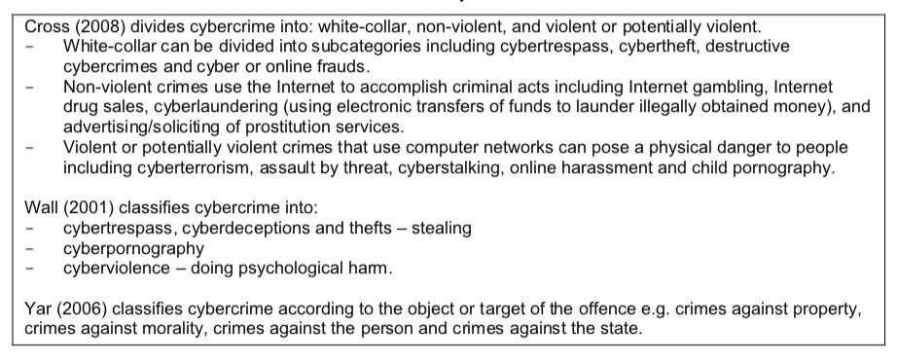 |  | 1
CTYPE |  | RAND_TR1218.pdf | 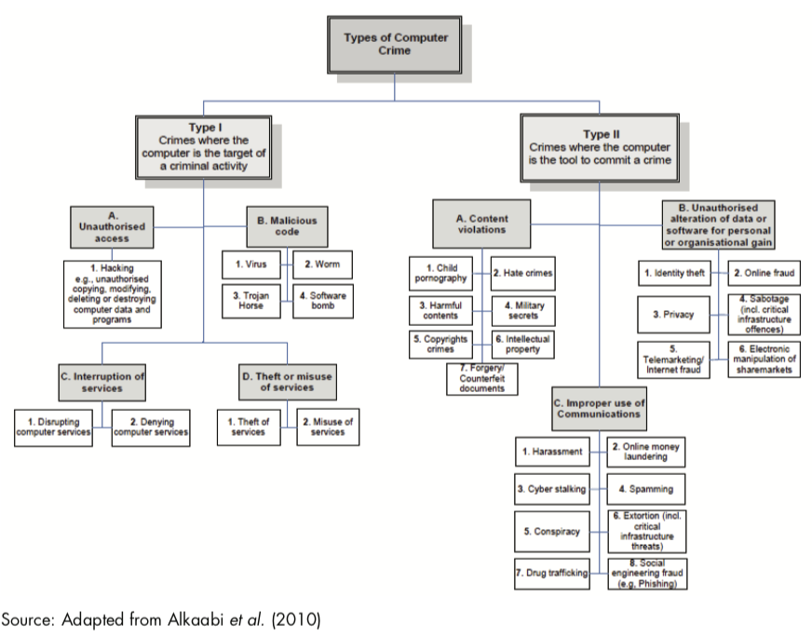 |  | 1
CTYPE |  | RAND_RR1354.pdf | Trojans are also mentioned in each of the six threat assessments, albeit to a lesser degree (see Table 4). Europol describes banking malware, often referred to as banking Trojans, as the ‘work horse’ of the digital underground. Banking Trojans harvest log-in credentials of victims that allow unauthorised access to their accounts (see Section 2.8.1). |  | 1
CTYPE |  | RAND_RR1354.pdf | Ransomware - Like malware and Trojans, ransomware appears in all six threat assessments and is recognised as a prominent threat tool (see Table 4). Ransomware distinguishes itself from other malware through its functionality and, arguably, its visibility. Operators of ransomware seek financial gain by infecting computer systems and making them deny their users access unless a ransom has been paid. Europol describes how ransomware was first discovered in 1989 but resurged in 2013. According to Europol’s calculations, approximately 65 per cent of law enforcement agencies in the EU have encountered some form of ransomware, predominantly ‘police ransomware’. |  | 1
CTYPE |  | RAND_RR1354.pdf | The [PoS] malware can scan, capture and send both track one and track two payment card data to a waiting command-and-control (C&C) center. Track one contains a cardholder’s name and account number, while track two, most commonly used, stores information relating to the card holder’s account, encrypted PIN and other data. |  | 1
CTYPE |  | RAND_RR1354.pdf | Botnets - Botnets appear as a threat tool in all six threat assessments (see Table 4). A bot is remotely controllable malware that is covertly installed and allows for the unauthorised use of an infected system. A botnet is a collection of infected systems controlled centrally via command-and-control servers. Botnets are the backbone of the cybercriminal infrastructure as they provide criminals with ‘immense resources of computer capacity and bandwidth’96 to conduct grand-scale information theft and banking fraud, launch DDoS attacks and send out high volumes of spam,97 phising emails, e-mails with malware attachments and mining cryptocurrencies (e.g. BitCoins), and disseminate ransomware – to name just a few activities.98 |  | 1
CTYPE | all of the previous ones were found in this document as well | [VERY-GOOD] Guidance_Note_on_Cybercrime_5_January_2010.pdf | • Illegal Interception of Telecommunications; |  | 1
CTYPE |  | [VERY-GOOD] Guidance_Note_on_Cybercrime_5_January_2010.pdf | • Piracy Copyright Theft; |  | 1
CTYPE |  | [VERY-GOOD] Guidance_Note_on_Cybercrime_5_January_2010.pdf | • Cyber Stalking; |  | 1
CTYPE |  | [VERY-GOOD] Guidance_Note_on_Cybercrime_5_January_2010.pdf | • Electronic money laundering and Tax evasion; |  | 1
CTYPE |  | [VERY-GOOD] Guidance_Note_on_Cybercrime_5_January_2010.pdf | • Electronic Vandalism, Use of the Internet for Terrorist Purposes, Denial of Service, |  | 1
CTYPE |  | [VERY-GOOD] Guidance_Note_on_Cybercrime_5_January_2010.pdf | Extortion |  | 1
CTYPE |  | [VERY-GOOD] Guidance_Note_on_Cybercrime_5_January_2010.pdf | • Sales and Investment Fraud, Forgery (Classic Pyramid schemes); |  | 1
CTYPE |  | [VERY-GOOD] Guidance_Note_on_Cybercrime_5_January_2010.pdf | • Electronic Funds Transfer Fraud and Counterfeiting (Carding); |  | 1
CTYPE |  | [VERY-GOOD] Guidance_Note_on_Cybercrime_5_January_2010.pdf | • Identity Theft and Misrepresentation; |  | 1
CTYPE |  | [VERY-GOOD] Guidance_Note_on_Cybercrime_5_January_2010.pdf | • Content Crime ‐ Offensive Materials; |  | 1
CTYPE |  | [VERY-GOOD] Guidance_Note_on_Cybercrime_5_January_2010.pdf | • Espionage; |  | 1
CTYPE |  | [VERY-GOOD] Guidance_Note_on_Cybercrime_5_January_2010.pdf | • Resource Theft ‐ illegal use of PC. |  | 1
CTYPE | the document suggests to start from the evidence that can show forensic value in terms of assessing a certain source's risk level | [VERY-GOOD] Guidance_Note_on_Cybercrime_5_January_2010.pdf | a) Child Abuse and Sexual exploitation: |  | 1
CTYPE |  | [VERY-GOOD] Guidance_Note_on_Cybercrime_5_January_2010.pdf | b) Trafficking human beings: |  | 1
CTYPE |  | [VERY-GOOD] Guidance_Note_on_Cybercrime_5_January_2010.pdf | c) Economic fraud, and identity theft: |  | 1
CTYPE |  | [VERY-GOOD] Guidance_Note_on_Cybercrime_5_January_2010.pdf | d) Illicit sales of controlled substances, particularly pharmaceutical preparations: |  | 1
CTYPE |  | [VERY-GOOD] Guidance_Note_on_Cybercrime_5_January_2010.pdf | e) Use of the internet for terrorist purposes |  | 1
CTYPE |  | [VERY-GOOD] Guidance_Note_on_Cybercrime_5_January_2010.pdf | Salami attacks are normally prevalent in the financial institutions or for the purpose of committing financial crimes. An important feature of this type of offence is that the alteration is so small that it would normally go unnoticed. |  | 1
CTYPE |  | [VERY-GOOD] Guidance_Note_on_Cybercrime_5_January_2010.pdf | Data diddling involves altering raw data just before a computer processes it and then changing it back after the processing is completed. Email bombing refers to sending large numbers of mail to the victim, which may be an individual or a company or even mail servers there by ultimately resulting into crashing. |  | 1

CodesDef
Code | Definition | Source | Tabbed
METH | methods for the risk assessment new data sources | PROPOSAL | 1
SRLP | Source Risk-Level Parameter. Risk level is referred to a different aspects strictly connected: on one hand, the risk level is due to the involvement of source in illegal trafficking activities; on the other hand, the possibility that criminal groups that own or manage sources monitored by LEAs could recognise anomalous activities due to the crawling process and block them, compromising the investigations. | PROPOSAL | 1
DEPTH | Depth of Analysis. Taking into account that risk level of a source can increase with its depth in the Web, such methods will then consider the position of the source (in Surface Web, Deep Web or Dark Nets) | PROPOSAL | 0
ACP | Anonymous Crawling Policies. metadata that can be extracted in order to define which policies should be enabled to perform the crawling and with which degree of anonymity. | PROPOSAL | 1
WSAP | WebSite Appearance Prameter. Finally, websites appearance, their update frequency and refresh in data will be taken into account during the assessment stage. | PROPOSAL | 1
SQUAL | Software Quality Parameters reflect the level of assessment for a certain piece of software against basic parameters for software quality, e.g., software quality standards; scoring lower to such parameters increses the risk of threats. | RESEARCH | 1
CTYPE | type of criminal activity perpetrated by new online data source - different types require different indicators | MSLR | 1
CMEASURE | countermeasure. Action to be taken as soon as the attack manifestation emerges and as soon as something suggests an attack is in progress or has taken place. | MSLR
CFOOTPRINT | Cyberfootprint. Minimising exposure of information to threat-inducing scenarios or sources. | MSLR | 0

 |  | Methods | 35
 |  | SourceParams | 9
 |  | DepthLvl | 0
 |  | AnonymPolicies | 7
 |  | WebSiteAppear | 22
 |  | SoftwareQuality | 9
 |  | CrimeType | 59
 |  | Countermeasures | 10
 |  | Cyberfootprint | 1

 | Detection
 |  | SourceRiskParametes | 9
 |  | DetectionMethods | 35
 |  | DepthLevel | 3
 |  | WebSiteAppearance | 22
 |  | SoftwareQuality | 9
 |  | CyberfootprintReduction | 1
 | Avoidance | AnonymPolicies | 7
 |  | CrimeTypes | 59
 |  | Countermeasures | 10

