Documentation_Methane Fate
Documentation - Methane Fate
This tab describes the underlying calculations and references used to calculate the amount of methane avoided by preventing or avoiding the landfilling of food waste, including an example calculation.
This tab specifically details the calculations on methane fate. In the diagram below, the steps following methane generation are detailed in this tab.

Figure 1. General Schematic of Methane Generation and Fate
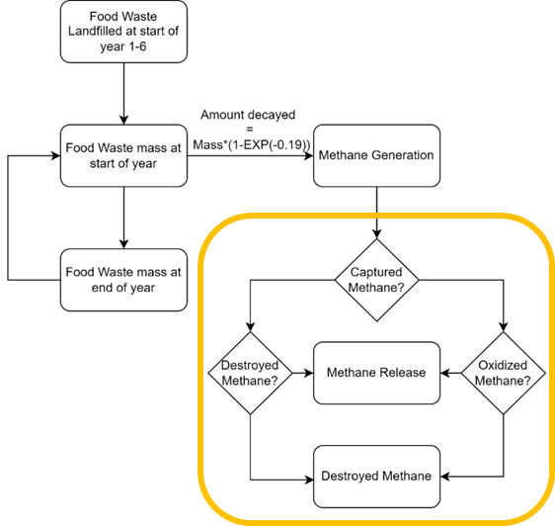

Figure 1 descriptive text: A block flow diagram shows the general steps for calculations in this calculator. A portion of the diagram is circled to show the steps detailed in this specific tab. These steps are whether or not methane is captured, destroyed, oxidized, or released.

Methane Generation Potential
EPA’s “Quantifying Methane Emissions from Landfilled Food Waste” report estimated methane emissions for landfilled food waste using average food waste and landfill characteristics. This calculator makes the same food waste and landfill assumptions as that report but uses an updated global warming potential (GWP). The “Quantifying Methane Emissions from Landfilled Food Waste” report assumes a GWP value of 25 for methane and a methane generation potential of 1.62 metric tons of CO2equivalents (CO2eq)/ wet short ton food waste. This 100-year time horizon GWP value of 25 for methane was the official value at time of the modeling for that report, but EPA has since updated that value to 28.

(1.62 metric tons CO_2 eq.)/(1 wet short ton food waste)*(1 metric ton CH_4)/(25 metric ton CO_2 eq.) = (0.0648 metric tons CH_4)/(1 wet short ton food waste)

Converting the methane generation potential to a methane basis, rather than CO2eq. allows for the user to specify a methane GWP other than 25.
Methane generated each year is calculated by multiplying the total amount of food waste decayed (on a wet basis) by the methane generation potential.

(0.0648 metric tons CH_4)/(1 wet short ton food waste)*food waste decayed (wet short tons) = metric tons CH_4 generated

Example
Note: Due to rounding, performing the calculations given in the equations below may not return the exact results shown.

Using the previous mass balance table (Table 3), and the methane generation potential of 0.0648 metric tons CH4/wet short ton food waste, methane generated can be calculated. In the first year, 86.5 wet short tons of food waste decays. Therefore, the total amount of methane generated in the first year is:

(0.0648 metric tons CH_4)/(1 wet short ton food waste)*86.5 wet short tons = 5.6 metric tons CH_4 generated

Table 4 shows the amount of methane generated for the first 10 years for food that is landfilled in year 1. Food waste landfilled in subsequent years has the same decay profile, but staggered by one year, two years, and so forth since decay is based on years since placement.

Table 4. Sample Scenario of Methane Generation from Food Waste Decay, Mass Balance for Year 1

 | Year |  | Initial Mass (Wet short tons) |  | Food Waste Decayed (Wet short tons) |  | Remaining Mass (Wet short tons) |  | Remaining Mass (Wet short tons)

 | Year 1 / 2025 |  | 500 |  | 86.5 |  | 413.5 |  | 5.6
 | Year 2 / 2026 |  | 413.5 |  | 71.5 |  | 341.9 |  | 4.6
 | Year 3 / 2027 |  | 341.9 |  | 59.2 |  | 282.8 |  | 3.8
 | Year 4 / 2028 |  | 282.8 |  | 48.9 |  | 233.8 |  | 3.2
 | Year 5 / 2029 |  | 233.8 |  | 40.5 |  | 193.4 |  | 2.6
 | Year 6 / 2030 |  | 193.4 |  | 33.5 |  | 159.9 |  | 2.2
 | Year 7 / 2031 |  | 159.9 |  | 27.7 |  | 132.2 |  | 1.8
 | Year 8 / 2032 |  | 132.2 |  | 22.9 |  | 109.4 |  | 1.5
 | Year 9 / 2033 |  | 109.4 |  | 18.9 |  | 90.4 |  | 1.2
 | Year 10 / 2034 |  | 90.4 |  | 15.6 |  | 74.8 |  | 1.0

Methane Fate
Once methane is generated it can be released to the atmosphere, destroyed via oxidation in the landfill cover, captured and destroyed, or captured and released (such as via a leak or faulty flare).
This calculator uses the same assumptions as the “Quantifying Methane Emissions from Landfilled Food Waste” report and WARM v15 model for gas collection installation schedule and gas capture and destruction efficiency. Table 5 details the gas collection and destruction efficiency and schedule. The 99% destruction efficiency accounts for 1% loss of captured methane flaring and the collection efficiency accounts for leaks from equipment.

Table 5. Gas Collection Efficiency and Schedule

 |  | Year Since Placement |  | Collection Efficiency (%) |  | CH4 Destruction Efficiency (%) |  | Oxidation Rate (%)

 |  | 0-4 |  | 0.0% |  | N/A |  | 10%
 |  | 5-9 |  | 50.0% |  | 99% |  | 25%
 |  | 10-14 |  | 75.0% |  | 99% |  | 25%
 |  | 15-20 |  | 82.5% |  | 99% |  | 25%
 |  | 21-25 |  | 90.0% |  | 99% |  | 25%

Methane Captured
When there is a gas capture system in place, methane generated is multiplied by the collection efficiency to determine how much is captured. In Year 5, 50% of methane generated is captured and in Year 18, 82.5% is captured. The full capture schedule is detailed above in Table 5. Using EPA’s Landfill Methane Outreach Program database, the amount of landfills with gas capture systems (on a total mass landfilled-weighted basis) was calculated at 92.7%. This value is close to the 92.3% that was calculated in the “Quantifying Methane Emissions from Landfilled Food Waste” report for 2020. This value is assumed to be constant.

methane captured (metric tons CH_4 ) = methane generated (metric tons CH_4 )*collection efficiency (fraction CH_4 collected)*0.927

Methane Destroyed
99% of methane captured is destroyed by combustion and becomes biogenic CO2, which is assumed to have a GWP value of zero, as described in the formula below.

methane destroyed (metric tons CH_4 ) = methane captured (metric tons CH_4 )*0.99

Methane Oxidized
Several factors limit the capture of methane: newly landfilled food waste can be uncovered for several years, landfills with gas capture systems in place do not capture all methane, and some landfills do not implement gas capture at all. For these scenarios the calculator assumes that methane passes through the landfill cover where some is oxidized, then it is released to the atmosphere. This calculator assumes that 10% of methane is oxidized in the landfill cover in the initial five years (year 0-4 since placement), and 25% afterwards.

It is assumed that 92.7% of landfills have a gas capture system and 7.3% do not. The collection efficiency of any given year only applies to the landfills with gas capture systems.

methane oxidized (metric tons CH_4 ) = [methane generated (metric tons CH_4 )-methane captured (metric tons CH_4 )]*oxidation rate (fraction CH_4 oxidized)

Methane Released
Methane that is not destroyed or oxidized is instead released to the environment. This value is the emissions of methane that would occur if food waste was landfilled. The amount of methane release each year is summed to get the total avoided emissions for food waste that is not landfilled. This value is calculated as the balance of methane generated, as shown below:

methane released (metric tons CH_4 ) = methane generated-methane destroyed-methane oxidized

Please note that this value does not consider if food waste is managed in another pathway, those impacts are outside the scope of this calculation. More extensive modeling on food waste management can be found in EPA’s Waste Reduction Model (WARM).

