Reference
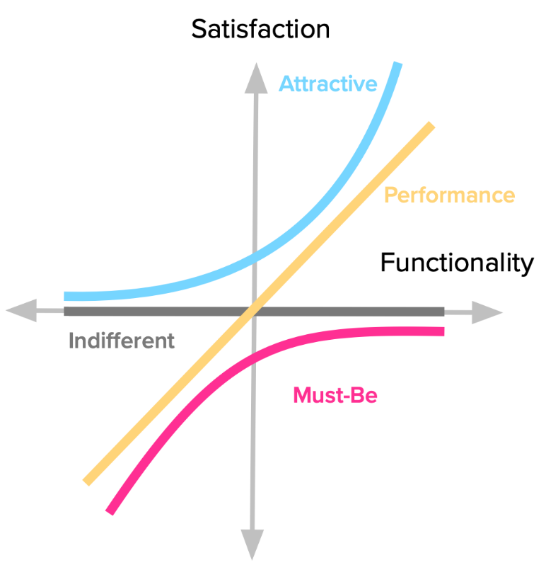
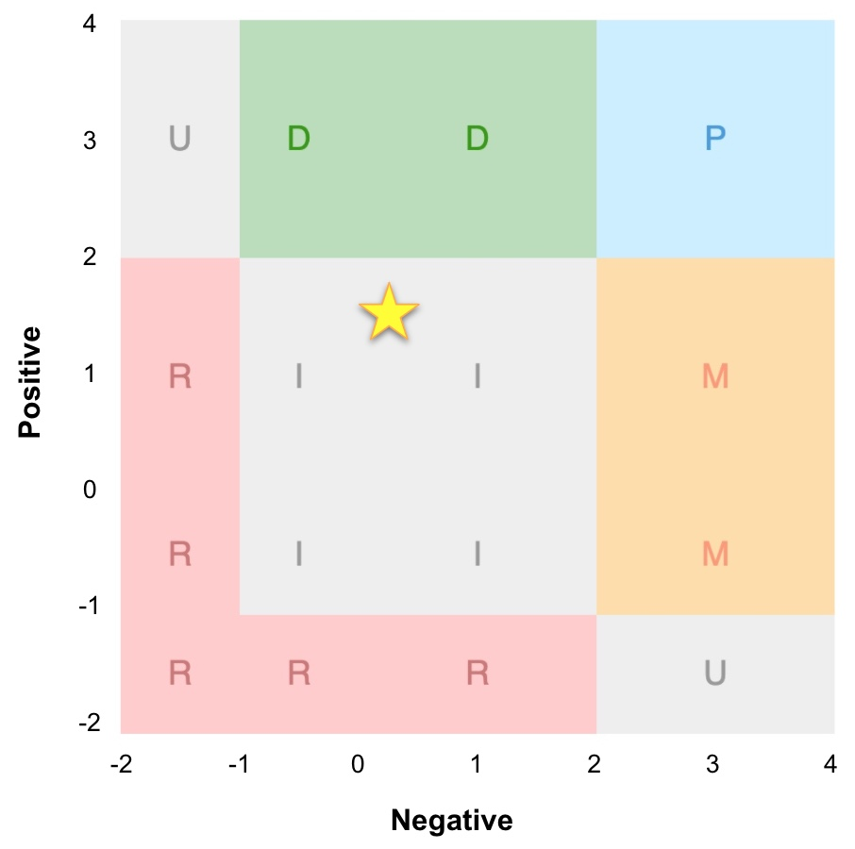
 |  | Dysfunctional (X)
Functional (Y) |  | I like it | I expect it | I am neutral | I tolerate it | I dislike it | Code | Result
 |  | -2 | -1 | 0 | 2 | 4 | M
I like it | 4 | Q | A | A | A | P | P | Perfomance
I expect it | 2 | R | Q | I | I | M | A | Attractive
I am neutral | 0 | R | I | I | I | M | I | Indifferent
I tolerate it | -1 | R | I | I | Q | M | R | Reverse
I dislike it | -2 | R | R | R | R | Q | Q | Questionable

https://foldingburritos.com/blog/kano-model/

https://www.kanosurveys.com/articles/kano-analysis

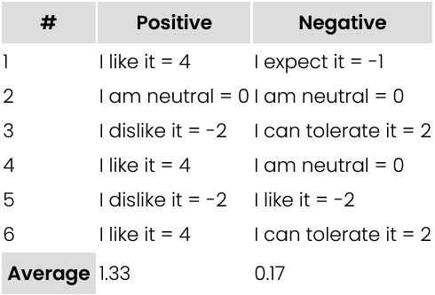

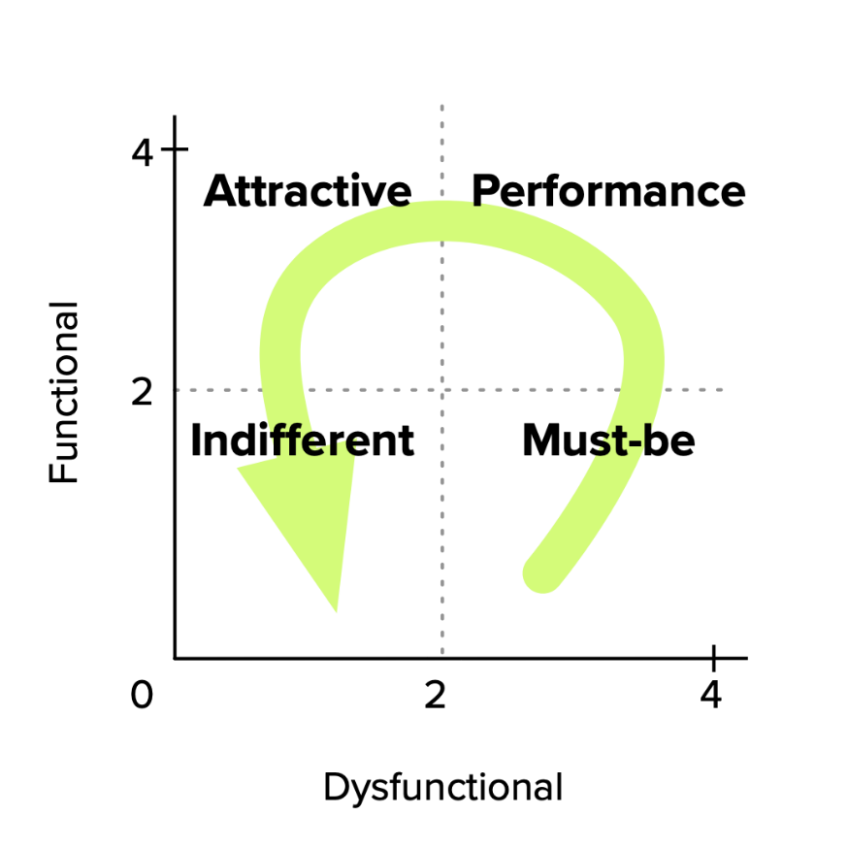

 |  |  |  |  | "=IF(AND(Functional!C2="I expect it", Dysfunctional!C2="I expect it"), "X", "")"

 |  |  |  |  | "=IF(OR(Like_Like!C2="X", Expect_Expect!C2="X"), "_", Dysfunctional_Ref!C2)"

